DLX1 _multivariate
Reported by Tex Li-Hsing Chi. tex@gate.sinica.edu.tw 2019-08-20

Table 2. The clinicopathological features of HNSCC cohort and DLX1 expression. (Chi square test)
Cutoff at -0.158 (50.0%)
 |  | DLX1 expression |  | DLX1 expression |  | (Optimised)
 | Features | Low | (%) | High | (%) | Case no | P-value | Remark | Matthews
Gender | Female | 159 | 38.3 | 147 | 35.4 | 415 | 0.1905 | 0 | 0
2 | Male | 48 | 11.6 | 61 | 14.7
Age at diagnosis | <=65y | 135 | 32.5 | 139 | 33.5 | 415 | 0.8084 | 0 | 0
4 | >65y | 72 | 17.3 | 69 | 16.6
Clinical T Status | T1+T2 | 73 | 17.6 | 76 | 18.3 | 415 | 0.8666 | 0 | 0
6 | T3+T4 | 134 | 32.3 | 132 | 31.8
Clinical N Status | N0 | 96 | 23.1 | 120 | 28.9 | 415 | 0.0272 | 1 | 0
8 | N1-3 | 111 | 26.7 | 88 | 21.2
Clinical M Status | M0 | 205 | 49.4 | 207 | 49.9 | 415 | 0.6232 | 0 | 0
10 | M1 | 2 | 0.5 | 1 | 0.2
Clinical Stage | Stage I+II | 42 | 10.1 | 60 | 14.5 | 415 | 0.0561 | 0 | 0
12 | Stage III+IV | 165 | 39.8 | 148 | 35.7
Surgical Margin status | Negative | 150 | 36.1 | 168 | 40.5 | 415 | 0.0492 | 1 | 0
14 | Positive | 57 | 13.7 | 40 | 9.6
Tobacco Exposure | Low | 70 | 16.9 | 91 | 21.9 | 415 | 0.0439 | 1 | 0
16 | High | 137 | 33 | 117 | 28.2

Table 3. Univariate/Multivariate Cox's proportional hazards regression analyses on OS time of DLX1 gene expression in HNSCC

 |  | Univariate |  |  |  | Multivariate
 | Features | HR | CI95%(L) | CI95%(H) | P-value | HR | CI95%(L) | CI95%(H) | P-value
1 | Female | 1 |  |  |  | 1
Gender | Male | 1.157 | 0.843 | 1.587 | 0.367 | 1.211 | 0.866 | 1.693 | 0.263
11 | <=65y | 1 |  |  |  | 1
Age at diagnosis | >65y | 1.329 | 0.99 | 1.784 | 0.058 | 1.376 | 1.011 | 1.872 | 0.043
12 | T1+T2 | 1 |  |  |  | 1
Clinical T Status | T3+T4 | 1.409 | 1.028 | 1.931 | 0.033 | 2.248 | 1.187 | 4.257 | 0.013
13 | N0 | 1 |  |  |  | 1
Clinical N Status | N1-3 | 1.185 | 0.89 | 1.577 | 0.246 | 1.231 | 0.862 | 1.758 | 0.253
14 | M0 | 1 |  |  |  | 1
Clinical M Status | M1 | 4.097 | 1.009 | 16.644 | 0.049 | 9.549 | 2.082 | 43.794 | 0.004
15 | Stage I+II | 1 |  |  |  | 1
Clinical Stage | Stage III+IV | 1.245 | 0.882 | 1.759 | 0.213 | 0.487 | 0.226 | 1.051 | 0.067
16 | Negative | 1 |  |  |  | 1
Surgical Margin status | Positive | 1.591 | 1.155 | 2.191 | 0.004 | 1.664 | 1.204 | 2.3 | 0.002
17 | Low | 1 |  |  |  | 1
Tobacco Exposure | High | 1.364 | 1.008 | 1.844 | 0.044 | 1.441 | 1.045 | 1.986 | 0.026
18 | Low | 1 |  |  |  | 1
RNAseq(z-score) | High | 0.857 | 0.643 | 1.141 | 0.291 | 0.885 | 0.659 | 1.188 | 0.415

Table 4. Univariate/Multivariate Cox's proportional hazards regression analyses on RFS time of DLX1 gene expression in HNSCC

 |  | Univariate |  |  |  | Multivariate
 | Features | HR | CI95%(L) | CI95%(H) | P-value | HR | CI95%(L) | CI95%(H) | P-value
1 | Female | 1 |  |  |  | 1
Gender | Male | 1.157 | 0.843 | 1.587 | 0.367 | 1.211 | 0.866 | 1.693 | 0.263
11 | <=65y | 1 |  |  |  | 1
Age at diagnosis | >65y | 1.329 | 0.99 | 1.784 | 0.058 | 1.376 | 1.011 | 1.872 | 0.043
12 | T1+T2 | 1 |  |  |  | 1
Clinical T Status | T3+T4 | 1.409 | 1.028 | 1.931 | 0.033 | 2.248 | 1.187 | 4.257 | 0.013
13 | N0 | 1 |  |  |  | 1
Clinical N Status | N1-3 | 1.185 | 0.89 | 1.577 | 0.246 | 1.231 | 0.862 | 1.758 | 0.253
14 | M0 | 1 |  |  |  | 1
Clinical M Status | M1 | 4.097 | 1.009 | 16.644 | 0.049 | 9.549 | 2.082 | 43.794 | 0.004
15 | Stage I+II | 1 |  |  |  | 1
Clinical Stage | Stage III+IV | 1.245 | 0.882 | 1.759 | 0.213 | 0.487 | 0.226 | 1.051 | 0.067
16 | Negative | 1 |  |  |  | 1
Surgical Margin status | Positive | 1.591 | 1.155 | 2.191 | 0.004 | 1.664 | 1.204 | 2.3 | 0.002
17 | Low | 1 |  |  |  | 1
Tobacco Exposure | High | 1.364 | 1.008 | 1.844 | 0.044 | 1.441 | 1.045 | 1.986 | 0.026
18 | Low | 1 |  |  |  | 1
RNAseq(z-score) | High | 0.857 | 0.643 | 1.141 | 0.291 | 0.885 | 0.659 | 1.188 | 0.415

Kaplan-Meier survival estimate: Cutoff at -0.158 (50.0%)



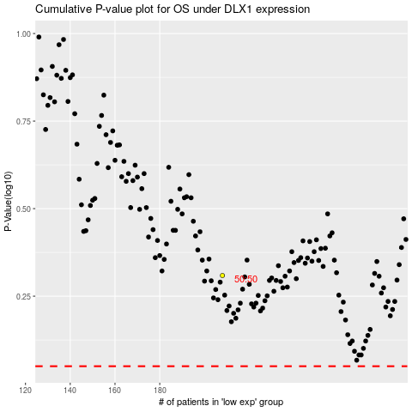

 |  |  |  |  |  | cases_OS | p_OS | rank | exp
 |  |  |  |  |  |  | cases_RFS | p_RFS | rank | exp

