DLX5 _multivariate
Reported by Tex Li-Hsing Chi. tex@gate.sinica.edu.tw 2019-08-20

Table 2. The clinicopathological features of HNSCC cohort and DLX5 expression. (Chi square test)
Cutoff at -0.457 (34.8%)
 |  | DLX5 expression |  | DLX5 expression |  | (Optimised)
 | Features | Low | (%) | High | (%) | Case no | P-value | Remark | Matthews
Gender | Female | 114 | 27.5 | 192 | 46.3 | 415 | 0.0862 | 0 | 0
2 | Male | 30 | 7.2 | 79 | 19
Age at diagnosis | <=65y | 99 | 23.9 | 175 | 42.2 | 415 | 0.4558 | 0 | 0
4 | >65y | 45 | 10.8 | 96 | 23.1
Clinical T Status | T1+T2 | 48 | 11.6 | 101 | 24.3 | 415 | 0.4914 | 0 | 0
6 | T3+T4 | 96 | 23.1 | 170 | 41
Clinical N Status | N0 | 58 | 14 | 158 | 38.1 | 415 | 7e-04 | 1 | 0
8 | N1-3 | 86 | 20.7 | 113 | 27.2
Clinical M Status | M0 | 143 | 34.5 | 269 | 64.8 | 415 | 1 | 0 | 0
10 | M1 | 1 | 0.2 | 2 | 0.5
Clinical Stage | Stage I+II | 30 | 7.2 | 72 | 17.3 | 415 | 0.2412 | 0 | 0
12 | Stage III+IV | 114 | 27.5 | 199 | 48
Surgical Margin status | Negative | 109 | 26.3 | 209 | 50.4 | 415 | 0.8076 | 0 | 0
14 | Positive | 35 | 8.4 | 62 | 14.9
Tobacco Exposure | Low | 54 | 13 | 107 | 25.8 | 415 | 0.7511 | 0 | 0
16 | High | 90 | 21.7 | 164 | 39.5

Table 3. Univariate/Multivariate Cox's proportional hazards regression analyses on OS time of DLX5 gene expression in HNSCC

 |  | Univariate |  |  |  | Multivariate
 | Features | HR | CI95%(L) | CI95%(H) | P-value | HR | CI95%(L) | CI95%(H) | P-value
1 | Female | 1 |  |  |  | 1
Gender | Male | 1.157 | 0.843 | 1.587 | 0.367 | 1.225 | 0.877 | 1.711 | 0.234
11 | <=65y | 1 |  |  |  | 1
Age at diagnosis | >65y | 1.329 | 0.99 | 1.784 | 0.058 | 1.379 | 1.015 | 1.875 | 0.04
12 | T1+T2 | 1 |  |  |  | 1
Clinical T Status | T3+T4 | 1.409 | 1.028 | 1.931 | 0.033 | 2.164 | 1.144 | 4.094 | 0.018
13 | N0 | 1 |  |  |  | 1
Clinical N Status | N1-3 | 1.185 | 0.89 | 1.577 | 0.246 | 1.129 | 0.781 | 1.631 | 0.518
14 | M0 | 1 |  |  |  | 1
Clinical M Status | M1 | 4.097 | 1.009 | 16.644 | 0.049 | 10.206 | 2.22 | 46.913 | 0.003
15 | Stage I+II | 1 |  |  |  | 1
Clinical Stage | Stage III+IV | 1.245 | 0.882 | 1.759 | 0.213 | 0.519 | 0.242 | 1.115 | 0.093
16 | Negative | 1 |  |  |  | 1
Surgical Margin status | Positive | 1.591 | 1.155 | 2.191 | 0.004 | 1.684 | 1.219 | 2.327 | 0.002
17 | Low | 1 |  |  |  | 1
Tobacco Exposure | High | 1.364 | 1.008 | 1.844 | 0.044 | 1.474 | 1.07 | 2.032 | 0.018
18 | Low | 1 |  |  |  | 1
RNAseq(z-score) | High | 0.733 | 0.547 | 0.984 | 0.039 | 0.727 | 0.534 | 0.99 | 0.043

Table 4. Univariate/Multivariate Cox's proportional hazards regression analyses on RFS time of DLX5 gene expression in HNSCC

 |  | Univariate |  |  |  | Multivariate
 | Features | HR | CI95%(L) | CI95%(H) | P-value | HR | CI95%(L) | CI95%(H) | P-value
1 | Female | 1 |  |  |  | 1
Gender | Male | 1.157 | 0.843 | 1.587 | 0.367 | 1.225 | 0.877 | 1.711 | 0.234
11 | <=65y | 1 |  |  |  | 1
Age at diagnosis | >65y | 1.329 | 0.99 | 1.784 | 0.058 | 1.379 | 1.015 | 1.875 | 0.04
12 | T1+T2 | 1 |  |  |  | 1
Clinical T Status | T3+T4 | 1.409 | 1.028 | 1.931 | 0.033 | 2.164 | 1.144 | 4.094 | 0.018
13 | N0 | 1 |  |  |  | 1
Clinical N Status | N1-3 | 1.185 | 0.89 | 1.577 | 0.246 | 1.129 | 0.781 | 1.631 | 0.518
14 | M0 | 1 |  |  |  | 1
Clinical M Status | M1 | 4.097 | 1.009 | 16.644 | 0.049 | 10.206 | 2.22 | 46.913 | 0.003
15 | Stage I+II | 1 |  |  |  | 1
Clinical Stage | Stage III+IV | 1.245 | 0.882 | 1.759 | 0.213 | 0.519 | 0.242 | 1.115 | 0.093
16 | Negative | 1 |  |  |  | 1
Surgical Margin status | Positive | 1.591 | 1.155 | 2.191 | 0.004 | 1.684 | 1.219 | 2.327 | 0.002
17 | Low | 1 |  |  |  | 1
Tobacco Exposure | High | 1.364 | 1.008 | 1.844 | 0.044 | 1.474 | 1.07 | 2.032 | 0.018
18 | Low | 1 |  |  |  | 1
RNAseq(z-score) | High | 0.733 | 0.547 | 0.984 | 0.039 | 0.727 | 0.534 | 0.99 | 0.043

Kaplan-Meier survival estimate: Cutoff at -0.457 (34.8%)



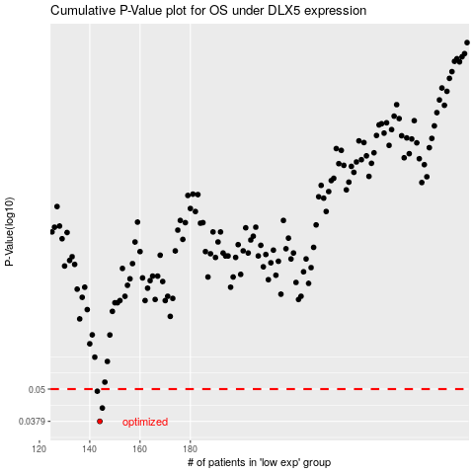

 |  |  |  |  |  | cases_OS | p_OS | rank | exp
 |  |  |  |  |  | 144 | 0.0379 | 238 | -0.45718960747
 |  |  |  |  |  | 145 | 0.0425 | 30 | -0.45442025918
 |  |  |  |  |  | 143 | 0.0491 | 373 | -0.45739626668
 |  |  |  |  |  |  | cases_RFS | p_RFS | rank | exp
 |  |  |  |  |  |  | 143 | 0.0379 | 373 | -0.45739626668
 |  |  |  |  |  |  | 144 | 0.0425 | 238 | -0.45718960747
 |  |  |  |  |  |  | 142 | 0.0491 | 308 | -0.45950424804

