DMBT1 _multivariate
Reported by Tex Li-Hsing Chi. tex@gate.sinica.edu.tw 2019-08-20

Table 2. The clinicopathological features of HNSCC cohort and DMBT1 expression. (Chi square test)
Cutoff at -0.183 (50.0%)
 |  | DMBT1 expression |  | DMBT1 expression |  | (Optimised)
 | Features | Low | (%) | High | (%) | Case no | P-value | Remark | Matthews
Gender | Female | 158 | 38.1 | 148 | 35.7 | 415 | 0.2774 | 0 | 0
2 | Male | 49 | 11.8 | 60 | 14.5
Age at diagnosis | <=65y | 131 | 31.6 | 143 | 34.5 | 415 | 0.2839 | 0 | 0
4 | >65y | 76 | 18.3 | 65 | 15.7
Clinical T Status | T1+T2 | 76 | 18.3 | 73 | 17.6 | 415 | 0.8092 | 0 | 0
6 | T3+T4 | 131 | 31.6 | 135 | 32.5
Clinical N Status | N0 | 107 | 25.8 | 109 | 26.3 | 415 | 0.9624 | 0 | 0
8 | N1-3 | 100 | 24.1 | 99 | 23.9
Clinical M Status | M0 | 205 | 49.4 | 207 | 49.9 | 415 | 0.6232 | 0 | 0
10 | M1 | 2 | 0.5 | 1 | 0.2
Clinical Stage | Stage I+II | 51 | 12.3 | 51 | 12.3 | 415 | 1 | 0 | 0
12 | Stage III+IV | 156 | 37.6 | 157 | 37.8
Surgical Margin status | Negative | 161 | 38.8 | 157 | 37.8 | 415 | 0.6429 | 0 | 0
14 | Positive | 46 | 11.1 | 51 | 12.3
Tobacco Exposure | Low | 97 | 23.4 | 64 | 15.4 | 415 | 9e-04 | 1 | 0
16 | High | 110 | 26.5 | 144 | 34.7

Table 3. Univariate/Multivariate Cox's proportional hazards regression analyses on OS time of DMBT1 gene expression in HNSCC

 |  | Univariate |  |  |  | Multivariate
 | Features | HR | CI95%(L) | CI95%(H) | P-value | HR | CI95%(L) | CI95%(H) | P-value
1 | Female | 1 |  |  |  | 1
Gender | Male | 1.157 | 0.843 | 1.587 | 0.367 | 1.189 | 0.85 | 1.664 | 0.312
11 | <=65y | 1 |  |  |  | 1
Age at diagnosis | >65y | 1.329 | 0.99 | 1.784 | 0.058 | 1.393 | 1.024 | 1.894 | 0.035
12 | T1+T2 | 1 |  |  |  | 1
Clinical T Status | T3+T4 | 1.409 | 1.028 | 1.931 | 0.033 | 2.2 | 1.163 | 4.161 | 0.015
13 | N0 | 1 |  |  |  | 1
Clinical N Status | N1-3 | 1.185 | 0.89 | 1.577 | 0.246 | 1.252 | 0.877 | 1.79 | 0.216
14 | M0 | 1 |  |  |  | 1
Clinical M Status | M1 | 4.097 | 1.009 | 16.644 | 0.049 | 9.444 | 2.06 | 43.292 | 0.004
15 | Stage I+II | 1 |  |  |  | 1
Clinical Stage | Stage III+IV | 1.245 | 0.882 | 1.759 | 0.213 | 0.502 | 0.234 | 1.076 | 0.077
16 | Negative | 1 |  |  |  | 1
Surgical Margin status | Positive | 1.591 | 1.155 | 2.191 | 0.004 | 1.669 | 1.207 | 2.306 | 0.002
17 | Low | 1 |  |  |  | 1
Tobacco Exposure | High | 1.364 | 1.008 | 1.844 | 0.044 | 1.422 | 1.024 | 1.974 | 0.036
18 | Low | 1 |  |  |  | 1
RNAseq(z-score) | High | 1.169 | 0.877 | 1.557 | 0.287 | 1.099 | 0.818 | 1.476 | 0.531

Table 4. Univariate/Multivariate Cox's proportional hazards regression analyses on RFS time of DMBT1 gene expression in HNSCC

 |  | Univariate |  |  |  | Multivariate
 | Features | HR | CI95%(L) | CI95%(H) | P-value | HR | CI95%(L) | CI95%(H) | P-value
1 | Female | 1 |  |  |  | 1
Gender | Male | 1.157 | 0.843 | 1.587 | 0.367 | 1.189 | 0.85 | 1.664 | 0.312
11 | <=65y | 1 |  |  |  | 1
Age at diagnosis | >65y | 1.329 | 0.99 | 1.784 | 0.058 | 1.393 | 1.024 | 1.894 | 0.035
12 | T1+T2 | 1 |  |  |  | 1
Clinical T Status | T3+T4 | 1.409 | 1.028 | 1.931 | 0.033 | 2.2 | 1.163 | 4.161 | 0.015
13 | N0 | 1 |  |  |  | 1
Clinical N Status | N1-3 | 1.185 | 0.89 | 1.577 | 0.246 | 1.252 | 0.877 | 1.79 | 0.216
14 | M0 | 1 |  |  |  | 1
Clinical M Status | M1 | 4.097 | 1.009 | 16.644 | 0.049 | 9.444 | 2.06 | 43.292 | 0.004
15 | Stage I+II | 1 |  |  |  | 1
Clinical Stage | Stage III+IV | 1.245 | 0.882 | 1.759 | 0.213 | 0.502 | 0.234 | 1.076 | 0.077
16 | Negative | 1 |  |  |  | 1
Surgical Margin status | Positive | 1.591 | 1.155 | 2.191 | 0.004 | 1.669 | 1.207 | 2.306 | 0.002
17 | Low | 1 |  |  |  | 1
Tobacco Exposure | High | 1.364 | 1.008 | 1.844 | 0.044 | 1.422 | 1.024 | 1.974 | 0.036
18 | Low | 1 |  |  |  | 1
RNAseq(z-score) | High | 1.169 | 0.877 | 1.557 | 0.287 | 1.099 | 0.818 | 1.476 | 0.531

Kaplan-Meier survival estimate: Cutoff at -0.183 (50.0%)



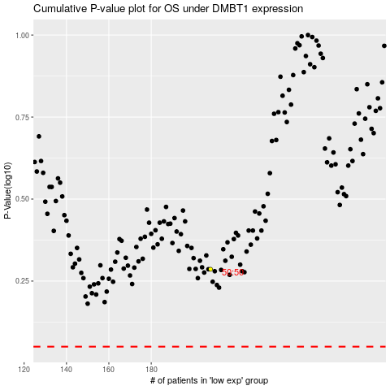

 |  |  |  |  |  | cases_OS | p_OS | rank | exp
 |  |  |  |  |  |  | cases_RFS | p_RFS | rank | exp

