DMGDH _multivariate
Reported by Tex Li-Hsing Chi. tex@gate.sinica.edu.tw 2019-08-20

Table 2. The clinicopathological features of HNSCC cohort and DMGDH expression. (Chi square test)
Cutoff at -0.279 (50.0%)
 |  | DMGDH expression |  | DMGDH expression |  | (Optimised)
 | Features | Low | (%) | High | (%) | Case no | P-value | Remark | Matthews
Gender | Female | 152 | 36.6 | 154 | 37.1 | 415 | 0.9766 | 0 | 0
2 | Male | 55 | 13.3 | 54 | 13
Age at diagnosis | <=65y | 137 | 33 | 137 | 33 | 415 | 1 | 0 | 0
4 | >65y | 70 | 16.9 | 71 | 17.1
Clinical T Status | T1+T2 | 64 | 15.4 | 85 | 20.5 | 415 | 0.0445 | 1 | 0
6 | T3+T4 | 143 | 34.5 | 123 | 29.6
Clinical N Status | N0 | 115 | 27.7 | 101 | 24.3 | 415 | 0.184 | 1 | 0
8 | N1-3 | 92 | 22.2 | 107 | 25.8
Clinical M Status | M0 | 204 | 49.2 | 208 | 50.1 | 415 | 0.1232 | 0 | 0
10 | M1 | 3 | 0.7 | 0 | 0
Clinical Stage | Stage I+II | 47 | 11.3 | 55 | 13.3 | 415 | 0.4413 | 0 | 0
12 | Stage III+IV | 160 | 38.6 | 153 | 36.9
Surgical Margin status | Negative | 160 | 38.6 | 158 | 38.1 | 415 | 0.8167 | 0 | 0
14 | Positive | 47 | 11.3 | 50 | 12
Tobacco Exposure | Low | 88 | 21.2 | 73 | 17.6 | 415 | 0.1314 | 0 | 0
16 | High | 119 | 28.7 | 135 | 32.5

Table 3. Univariate/Multivariate Cox's proportional hazards regression analyses on OS time of DMGDH gene expression in HNSCC

 |  | Univariate |  |  |  | Multivariate
 | Features | HR | CI95%(L) | CI95%(H) | P-value | HR | CI95%(L) | CI95%(H) | P-value
1 | Female | 1 |  |  |  | 1
Gender | Male | 1.157 | 0.843 | 1.587 | 0.367 | 1.194 | 0.854 | 1.669 | 0.3
11 | <=65y | 1 |  |  |  | 1
Age at diagnosis | >65y | 1.329 | 0.99 | 1.784 | 0.058 | 1.405 | 1.033 | 1.911 | 0.03
12 | T1+T2 | 1 |  |  |  | 1
Clinical T Status | T3+T4 | 1.409 | 1.028 | 1.931 | 0.033 | 2.155 | 1.138 | 4.08 | 0.018
13 | N0 | 1 |  |  |  | 1
Clinical N Status | N1-3 | 1.185 | 0.89 | 1.577 | 0.246 | 1.25 | 0.876 | 1.784 | 0.219
14 | M0 | 1 |  |  |  | 1
Clinical M Status | M1 | 4.097 | 1.009 | 16.644 | 0.049 | 8.587 | 1.855 | 39.749 | 0.006
15 | Stage I+II | 1 |  |  |  | 1
Clinical Stage | Stage III+IV | 1.245 | 0.882 | 1.759 | 0.213 | 0.508 | 0.237 | 1.089 | 0.082
16 | Negative | 1 |  |  |  | 1
Surgical Margin status | Positive | 1.591 | 1.155 | 2.191 | 0.004 | 1.686 | 1.219 | 2.33 | 0.002
17 | Low | 1 |  |  |  | 1
Tobacco Exposure | High | 1.364 | 1.008 | 1.844 | 0.044 | 1.468 | 1.064 | 2.026 | 0.019
18 | Low | 1 |  |  |  | 1
RNAseq(z-score) | High | 0.873 | 0.655 | 1.163 | 0.352 | 0.862 | 0.644 | 1.154 | 0.319

Table 4. Univariate/Multivariate Cox's proportional hazards regression analyses on RFS time of DMGDH gene expression in HNSCC

 |  | Univariate |  |  |  | Multivariate
 | Features | HR | CI95%(L) | CI95%(H) | P-value | HR | CI95%(L) | CI95%(H) | P-value
1 | Female | 1 |  |  |  | 1
Gender | Male | 1.157 | 0.843 | 1.587 | 0.367 | 1.194 | 0.854 | 1.669 | 0.3
11 | <=65y | 1 |  |  |  | 1
Age at diagnosis | >65y | 1.329 | 0.99 | 1.784 | 0.058 | 1.405 | 1.033 | 1.911 | 0.03
12 | T1+T2 | 1 |  |  |  | 1
Clinical T Status | T3+T4 | 1.409 | 1.028 | 1.931 | 0.033 | 2.155 | 1.138 | 4.08 | 0.018
13 | N0 | 1 |  |  |  | 1
Clinical N Status | N1-3 | 1.185 | 0.89 | 1.577 | 0.246 | 1.25 | 0.876 | 1.784 | 0.219
14 | M0 | 1 |  |  |  | 1
Clinical M Status | M1 | 4.097 | 1.009 | 16.644 | 0.049 | 8.587 | 1.855 | 39.749 | 0.006
15 | Stage I+II | 1 |  |  |  | 1
Clinical Stage | Stage III+IV | 1.245 | 0.882 | 1.759 | 0.213 | 0.508 | 0.237 | 1.089 | 0.082
16 | Negative | 1 |  |  |  | 1
Surgical Margin status | Positive | 1.591 | 1.155 | 2.191 | 0.004 | 1.686 | 1.219 | 2.33 | 0.002
17 | Low | 1 |  |  |  | 1
Tobacco Exposure | High | 1.364 | 1.008 | 1.844 | 0.044 | 1.468 | 1.064 | 2.026 | 0.019
18 | Low | 1 |  |  |  | 1
RNAseq(z-score) | High | 0.873 | 0.655 | 1.163 | 0.352 | 0.862 | 0.644 | 1.154 | 0.319

Kaplan-Meier survival estimate: Cutoff at -0.279 (50.0%)



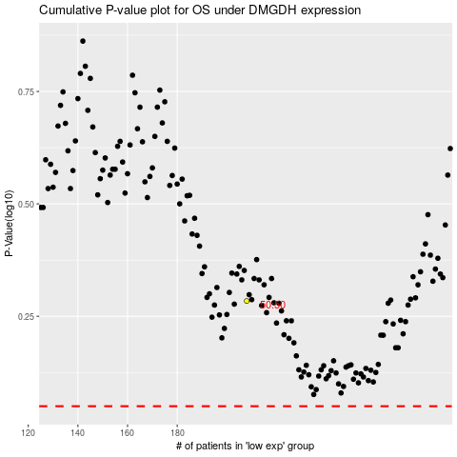

 |  |  |  |  |  | cases_OS | p_OS | rank | exp
 |  |  |  |  |  |  | cases_RFS | p_RFS | rank | exp

