DMKN _multivariate
Reported by Tex Li-Hsing Chi. tex@gate.sinica.edu.tw 2019-08-20

Table 2. The clinicopathological features of HNSCC cohort and DMKN expression. (Chi square test)
Cutoff at -0.326 (50.0%)
 |  | DMKN expression |  | DMKN expression |  | (Optimised)
 | Features | Low | (%) | High | (%) | Case no | P-value | Remark | Matthews
Gender | Female | 159 | 38.3 | 147 | 35.4 | 415 | 0.1905 | 0 | 0
2 | Male | 48 | 11.6 | 61 | 14.7
Age at diagnosis | <=65y | 141 | 34 | 133 | 32 | 415 | 0.4272 | 0 | 0
4 | >65y | 66 | 15.9 | 75 | 18.1
Clinical T Status | T1+T2 | 83 | 20 | 66 | 15.9 | 415 | 0.0941 | 0 | 0
6 | T3+T4 | 124 | 29.9 | 142 | 34.2
Clinical N Status | N0 | 105 | 25.3 | 111 | 26.7 | 415 | 0.6598 | 0 | 0
8 | N1-3 | 102 | 24.6 | 97 | 23.4
Clinical M Status | M0 | 206 | 49.6 | 206 | 49.6 | 415 | 1 | 0 | 0
10 | M1 | 1 | 0.2 | 2 | 0.5
Clinical Stage | Stage I+II | 53 | 12.8 | 49 | 11.8 | 415 | 0.7113 | 0 | 0
12 | Stage III+IV | 154 | 37.1 | 159 | 38.3
Surgical Margin status | Negative | 150 | 36.1 | 168 | 40.5 | 415 | 0.0492 | 1 | 0
14 | Positive | 57 | 13.7 | 40 | 9.6
Tobacco Exposure | Low | 72 | 17.3 | 89 | 21.4 | 415 | 0.1071 | 0 | 0
16 | High | 135 | 32.5 | 119 | 28.7

Table 3. Univariate/Multivariate Cox's proportional hazards regression analyses on OS time of DMKN gene expression in HNSCC

 |  | Univariate |  |  |  | Multivariate
 | Features | HR | CI95%(L) | CI95%(H) | P-value | HR | CI95%(L) | CI95%(H) | P-value
1 | Female | 1 |  |  |  | 1
Gender | Male | 1.157 | 0.843 | 1.587 | 0.367 | 1.221 | 0.873 | 1.709 | 0.244
11 | <=65y | 1 |  |  |  | 1
Age at diagnosis | >65y | 1.329 | 0.99 | 1.784 | 0.058 | 1.398 | 1.028 | 1.9 | 0.033
12 | T1+T2 | 1 |  |  |  | 1
Clinical T Status | T3+T4 | 1.409 | 1.028 | 1.931 | 0.033 | 2.257 | 1.191 | 4.279 | 0.013
13 | N0 | 1 |  |  |  | 1
Clinical N Status | N1-3 | 1.185 | 0.89 | 1.577 | 0.246 | 1.235 | 0.865 | 1.764 | 0.244
14 | M0 | 1 |  |  |  | 1
Clinical M Status | M1 | 4.097 | 1.009 | 16.644 | 0.049 | 10.056 | 2.176 | 46.467 | 0.003
15 | Stage I+II | 1 |  |  |  | 1
Clinical Stage | Stage III+IV | 1.245 | 0.882 | 1.759 | 0.213 | 0.495 | 0.23 | 1.064 | 0.072
16 | Negative | 1 |  |  |  | 1
Surgical Margin status | Positive | 1.591 | 1.155 | 2.191 | 0.004 | 1.659 | 1.2 | 2.294 | 0.002
17 | Low | 1 |  |  |  | 1
Tobacco Exposure | High | 1.364 | 1.008 | 1.844 | 0.044 | 1.445 | 1.049 | 1.992 | 0.024
18 | Low | 1 |  |  |  | 1
RNAseq(z-score) | High | 0.914 | 0.684 | 1.222 | 0.545 | 0.88 | 0.655 | 1.183 | 0.398

Table 4. Univariate/Multivariate Cox's proportional hazards regression analyses on RFS time of DMKN gene expression in HNSCC

 |  | Univariate |  |  |  | Multivariate
 | Features | HR | CI95%(L) | CI95%(H) | P-value | HR | CI95%(L) | CI95%(H) | P-value
1 | Female | 1 |  |  |  | 1
Gender | Male | 1.157 | 0.843 | 1.587 | 0.367 | 1.221 | 0.873 | 1.709 | 0.244
11 | <=65y | 1 |  |  |  | 1
Age at diagnosis | >65y | 1.329 | 0.99 | 1.784 | 0.058 | 1.398 | 1.028 | 1.9 | 0.033
12 | T1+T2 | 1 |  |  |  | 1
Clinical T Status | T3+T4 | 1.409 | 1.028 | 1.931 | 0.033 | 2.257 | 1.191 | 4.279 | 0.013
13 | N0 | 1 |  |  |  | 1
Clinical N Status | N1-3 | 1.185 | 0.89 | 1.577 | 0.246 | 1.235 | 0.865 | 1.764 | 0.244
14 | M0 | 1 |  |  |  | 1
Clinical M Status | M1 | 4.097 | 1.009 | 16.644 | 0.049 | 10.056 | 2.176 | 46.467 | 0.003
15 | Stage I+II | 1 |  |  |  | 1
Clinical Stage | Stage III+IV | 1.245 | 0.882 | 1.759 | 0.213 | 0.495 | 0.23 | 1.064 | 0.072
16 | Negative | 1 |  |  |  | 1
Surgical Margin status | Positive | 1.591 | 1.155 | 2.191 | 0.004 | 1.659 | 1.2 | 2.294 | 0.002
17 | Low | 1 |  |  |  | 1
Tobacco Exposure | High | 1.364 | 1.008 | 1.844 | 0.044 | 1.445 | 1.049 | 1.992 | 0.024
18 | Low | 1 |  |  |  | 1
RNAseq(z-score) | High | 0.914 | 0.684 | 1.222 | 0.545 | 0.88 | 0.655 | 1.183 | 0.398

Kaplan-Meier survival estimate: Cutoff at -0.326 (50.0%)



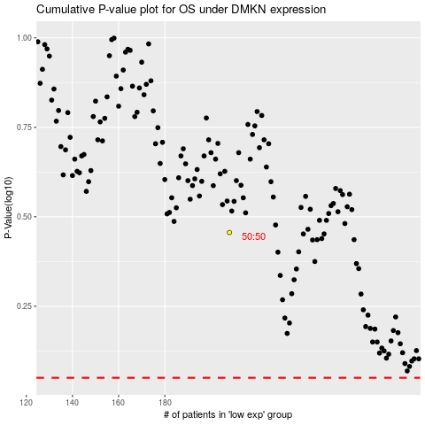

 |  |  |  |  |  | cases_OS | p_OS | rank | exp
 |  |  |  |  |  |  | cases_RFS | p_RFS | rank | exp

