DMPK _multivariate
Reported by Tex Li-Hsing Chi. tex@gate.sinica.edu.tw 2019-08-20

Table 2. The clinicopathological features of HNSCC cohort and DMPK expression. (Chi square test)
Cutoff at -0.268 (50.0%)
 |  | DMPK expression |  | DMPK expression |  | (Optimised)
 | Features | Low | (%) | High | (%) | Case no | P-value | Remark | Matthews
Gender | Female | 149 | 35.9 | 157 | 37.8 | 415 | 0.4848 | 0 | 0
2 | Male | 58 | 14 | 51 | 12.3
Age at diagnosis | <=65y | 136 | 32.8 | 138 | 33.3 | 415 | 0.9719 | 0 | 0
4 | >65y | 71 | 17.1 | 70 | 16.9
Clinical T Status | T1+T2 | 65 | 15.7 | 84 | 20.2 | 415 | 0.0711 | 0 | 0
6 | T3+T4 | 142 | 34.2 | 124 | 29.9
Clinical N Status | N0 | 106 | 25.5 | 110 | 26.5 | 415 | 0.8075 | 0 | 0
8 | N1-3 | 101 | 24.3 | 98 | 23.6
Clinical M Status | M0 | 205 | 49.4 | 207 | 49.9 | 415 | 0.6232 | 0 | 0
10 | M1 | 2 | 0.5 | 1 | 0.2
Clinical Stage | Stage I+II | 45 | 10.8 | 57 | 13.7 | 415 | 0.2202 | 0 | 0
12 | Stage III+IV | 162 | 39 | 151 | 36.4
Surgical Margin status | Negative | 155 | 37.3 | 163 | 39.3 | 415 | 0.4187 | 0 | 0
14 | Positive | 52 | 12.5 | 45 | 10.8
Tobacco Exposure | Low | 79 | 19 | 82 | 19.8 | 415 | 0.8405 | 0 | 0
16 | High | 128 | 30.8 | 126 | 30.4

Table 3. Univariate/Multivariate Cox's proportional hazards regression analyses on OS time of DMPK gene expression in HNSCC

 |  | Univariate |  |  |  | Multivariate
 | Features | HR | CI95%(L) | CI95%(H) | P-value | HR | CI95%(L) | CI95%(H) | P-value
1 | Female | 1 |  |  |  | 1
Gender | Male | 1.157 | 0.843 | 1.587 | 0.367 | 1.199 | 0.858 | 1.675 | 0.287
11 | <=65y | 1 |  |  |  | 1
Age at diagnosis | >65y | 1.329 | 0.99 | 1.784 | 0.058 | 1.397 | 1.027 | 1.901 | 0.033
12 | T1+T2 | 1 |  |  |  | 1
Clinical T Status | T3+T4 | 1.409 | 1.028 | 1.931 | 0.033 | 2.19 | 1.158 | 4.142 | 0.016
13 | N0 | 1 |  |  |  | 1
Clinical N Status | N1-3 | 1.185 | 0.89 | 1.577 | 0.246 | 1.247 | 0.873 | 1.779 | 0.224
14 | M0 | 1 |  |  |  | 1
Clinical M Status | M1 | 4.097 | 1.009 | 16.644 | 0.049 | 9.163 | 1.992 | 42.149 | 0.004
15 | Stage I+II | 1 |  |  |  | 1
Clinical Stage | Stage III+IV | 1.245 | 0.882 | 1.759 | 0.213 | 0.505 | 0.235 | 1.083 | 0.079
16 | Negative | 1 |  |  |  | 1
Surgical Margin status | Positive | 1.591 | 1.155 | 2.191 | 0.004 | 1.669 | 1.208 | 2.306 | 0.002
17 | Low | 1 |  |  |  | 1
Tobacco Exposure | High | 1.364 | 1.008 | 1.844 | 0.044 | 1.466 | 1.061 | 2.024 | 0.02
18 | Low | 1 |  |  |  | 1
RNAseq(z-score) | High | 0.932 | 0.7 | 1.241 | 0.629 | 0.929 | 0.694 | 1.242 | 0.619

Table 4. Univariate/Multivariate Cox's proportional hazards regression analyses on RFS time of DMPK gene expression in HNSCC

 |  | Univariate |  |  |  | Multivariate
 | Features | HR | CI95%(L) | CI95%(H) | P-value | HR | CI95%(L) | CI95%(H) | P-value
1 | Female | 1 |  |  |  | 1
Gender | Male | 1.157 | 0.843 | 1.587 | 0.367 | 1.199 | 0.858 | 1.675 | 0.287
11 | <=65y | 1 |  |  |  | 1
Age at diagnosis | >65y | 1.329 | 0.99 | 1.784 | 0.058 | 1.397 | 1.027 | 1.901 | 0.033
12 | T1+T2 | 1 |  |  |  | 1
Clinical T Status | T3+T4 | 1.409 | 1.028 | 1.931 | 0.033 | 2.19 | 1.158 | 4.142 | 0.016
13 | N0 | 1 |  |  |  | 1
Clinical N Status | N1-3 | 1.185 | 0.89 | 1.577 | 0.246 | 1.247 | 0.873 | 1.779 | 0.224
14 | M0 | 1 |  |  |  | 1
Clinical M Status | M1 | 4.097 | 1.009 | 16.644 | 0.049 | 9.163 | 1.992 | 42.149 | 0.004
15 | Stage I+II | 1 |  |  |  | 1
Clinical Stage | Stage III+IV | 1.245 | 0.882 | 1.759 | 0.213 | 0.505 | 0.235 | 1.083 | 0.079
16 | Negative | 1 |  |  |  | 1
Surgical Margin status | Positive | 1.591 | 1.155 | 2.191 | 0.004 | 1.669 | 1.208 | 2.306 | 0.002
17 | Low | 1 |  |  |  | 1
Tobacco Exposure | High | 1.364 | 1.008 | 1.844 | 0.044 | 1.466 | 1.061 | 2.024 | 0.02
18 | Low | 1 |  |  |  | 1
RNAseq(z-score) | High | 0.932 | 0.7 | 1.241 | 0.629 | 0.929 | 0.694 | 1.242 | 0.619

Kaplan-Meier survival estimate: Cutoff at -0.268 (50.0%)



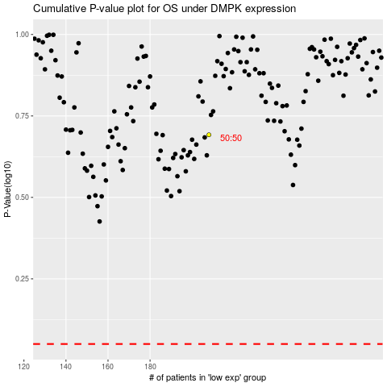

 |  |  |  |  |  | cases_OS | p_OS | rank | exp
 |  |  |  |  |  |  | cases_RFS | p_RFS | rank | exp

