DMRT2 _multivariate
Reported by Tex Li-Hsing Chi. tex@gate.sinica.edu.tw 2019-08-20

Table 2. The clinicopathological features of HNSCC cohort and DMRT2 expression. (Chi square test)
Cutoff at -0.397 (50.0%)
 |  | DMRT2 expression |  | DMRT2 expression |  | (Optimised)
 | Features | Low | (%) | High | (%) | Case no | P-value | Remark | Matthews
Gender | Female | 148 | 35.7 | 158 | 38.1 | 415 | 0.3567 | 0 | 0
2 | Male | 59 | 14.2 | 50 | 12
Age at diagnosis | <=65y | 140 | 33.7 | 134 | 32.3 | 415 | 0.5574 | 0 | 0
4 | >65y | 67 | 16.1 | 74 | 17.8
Clinical T Status | T1+T2 | 76 | 18.3 | 73 | 17.6 | 415 | 0.8092 | 0 | 0
6 | T3+T4 | 131 | 31.6 | 135 | 32.5
Clinical N Status | N0 | 112 | 27 | 104 | 25.1 | 415 | 0.4599 | 0 | 0
8 | N1-3 | 95 | 22.9 | 104 | 25.1
Clinical M Status | M0 | 206 | 49.6 | 206 | 49.6 | 415 | 1 | 0 | 0
10 | M1 | 1 | 0.2 | 2 | 0.5
Clinical Stage | Stage I+II | 57 | 13.7 | 45 | 10.8 | 415 | 0.1998 | 0 | 0
12 | Stage III+IV | 150 | 36.1 | 163 | 39.3
Surgical Margin status | Negative | 154 | 37.1 | 164 | 39.5 | 415 | 0.2984 | 0 | 0
14 | Positive | 53 | 12.8 | 44 | 10.6
Tobacco Exposure | Low | 96 | 23.1 | 65 | 15.7 | 415 | 0.0018 | 1 | 0
16 | High | 111 | 26.7 | 143 | 34.5

Table 3. Univariate/Multivariate Cox's proportional hazards regression analyses on OS time of DMRT2 gene expression in HNSCC

 |  | Univariate |  |  |  | Multivariate
 | Features | HR | CI95%(L) | CI95%(H) | P-value | HR | CI95%(L) | CI95%(H) | P-value
1 | Female | 1 |  |  |  | 1
Gender | Male | 1.157 | 0.843 | 1.587 | 0.367 | 1.208 | 0.863 | 1.689 | 0.271
11 | <=65y | 1 |  |  |  | 1
Age at diagnosis | >65y | 1.329 | 0.99 | 1.784 | 0.058 | 1.386 | 1.019 | 1.885 | 0.038
12 | T1+T2 | 1 |  |  |  | 1
Clinical T Status | T3+T4 | 1.409 | 1.028 | 1.931 | 0.033 | 2.216 | 1.171 | 4.193 | 0.014
13 | N0 | 1 |  |  |  | 1
Clinical N Status | N1-3 | 1.185 | 0.89 | 1.577 | 0.246 | 1.245 | 0.872 | 1.777 | 0.228
14 | M0 | 1 |  |  |  | 1
Clinical M Status | M1 | 4.097 | 1.009 | 16.644 | 0.049 | 9.39 | 2.049 | 43.045 | 0.004
15 | Stage I+II | 1 |  |  |  | 1
Clinical Stage | Stage III+IV | 1.245 | 0.882 | 1.759 | 0.213 | 0.499 | 0.232 | 1.074 | 0.076
16 | Negative | 1 |  |  |  | 1
Surgical Margin status | Positive | 1.591 | 1.155 | 2.191 | 0.004 | 1.684 | 1.215 | 2.333 | 0.002
17 | Low | 1 |  |  |  | 1
Tobacco Exposure | High | 1.364 | 1.008 | 1.844 | 0.044 | 1.433 | 1.031 | 1.994 | 0.032
18 | Low | 1 |  |  |  | 1
RNAseq(z-score) | High | 1.069 | 0.802 | 1.424 | 0.65 | 1.054 | 0.779 | 1.427 | 0.732

Table 4. Univariate/Multivariate Cox's proportional hazards regression analyses on RFS time of DMRT2 gene expression in HNSCC

 |  | Univariate |  |  |  | Multivariate
 | Features | HR | CI95%(L) | CI95%(H) | P-value | HR | CI95%(L) | CI95%(H) | P-value
1 | Female | 1 |  |  |  | 1
Gender | Male | 1.157 | 0.843 | 1.587 | 0.367 | 1.208 | 0.863 | 1.689 | 0.271
11 | <=65y | 1 |  |  |  | 1
Age at diagnosis | >65y | 1.329 | 0.99 | 1.784 | 0.058 | 1.386 | 1.019 | 1.885 | 0.038
12 | T1+T2 | 1 |  |  |  | 1
Clinical T Status | T3+T4 | 1.409 | 1.028 | 1.931 | 0.033 | 2.216 | 1.171 | 4.193 | 0.014
13 | N0 | 1 |  |  |  | 1
Clinical N Status | N1-3 | 1.185 | 0.89 | 1.577 | 0.246 | 1.245 | 0.872 | 1.777 | 0.228
14 | M0 | 1 |  |  |  | 1
Clinical M Status | M1 | 4.097 | 1.009 | 16.644 | 0.049 | 9.39 | 2.049 | 43.045 | 0.004
15 | Stage I+II | 1 |  |  |  | 1
Clinical Stage | Stage III+IV | 1.245 | 0.882 | 1.759 | 0.213 | 0.499 | 0.232 | 1.074 | 0.076
16 | Negative | 1 |  |  |  | 1
Surgical Margin status | Positive | 1.591 | 1.155 | 2.191 | 0.004 | 1.684 | 1.215 | 2.333 | 0.002
17 | Low | 1 |  |  |  | 1
Tobacco Exposure | High | 1.364 | 1.008 | 1.844 | 0.044 | 1.433 | 1.031 | 1.994 | 0.032
18 | Low | 1 |  |  |  | 1
RNAseq(z-score) | High | 1.069 | 0.802 | 1.424 | 0.65 | 1.054 | 0.779 | 1.427 | 0.732

Kaplan-Meier survival estimate: Cutoff at -0.397 (50.0%)



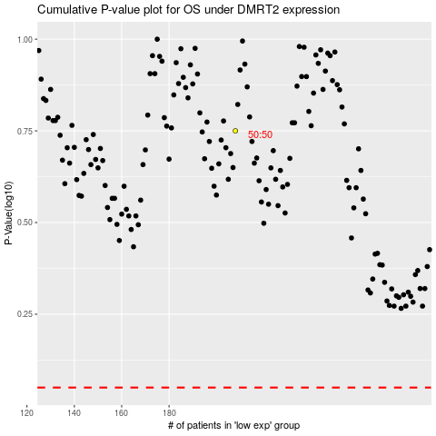

 |  |  |  |  |  | cases_OS | p_OS | rank | exp
 |  |  |  |  |  |  | cases_RFS | p_RFS | rank | exp

