DMRTA1 _multivariate
Reported by Tex Li-Hsing Chi. tex@gate.sinica.edu.tw 2019-08-20

Table 2. The clinicopathological features of HNSCC cohort and DMRTA1 expression. (Chi square test)
Cutoff at -0.423 (49.8%)
 |  | DMRTA1 expression |  | DMRTA1 expression |  | (Optimised)
 | Features | Low | (%) | High | (%) | Case no | P-value | Remark | Matthews
Gender | Female | 151 | 36.4 | 155 | 37.3 | 415 | 0.8007 | 0 | 0
2 | Male | 56 | 13.5 | 53 | 12.8
Age at diagnosis | <=65y | 130 | 31.3 | 144 | 34.7 | 415 | 0.2009 | 0 | 0
4 | >65y | 77 | 18.6 | 64 | 15.4
Clinical T Status | T1+T2 | 72 | 17.3 | 77 | 18.6 | 415 | 0.7095 | 0 | 0
6 | T3+T4 | 135 | 32.5 | 131 | 31.6
Clinical N Status | N0 | 109 | 26.3 | 107 | 25.8 | 415 | 0.8812 | 0 | 0
8 | N1-3 | 98 | 23.6 | 101 | 24.3
Clinical M Status | M0 | 206 | 49.6 | 206 | 49.6 | 415 | 1 | 0 | 0
10 | M1 | 1 | 0.2 | 2 | 0.5
Clinical Stage | Stage I+II | 56 | 13.5 | 46 | 11.1 | 415 | 0.2918 | 0 | 0
12 | Stage III+IV | 151 | 36.4 | 162 | 39
Surgical Margin status | Negative | 164 | 39.5 | 154 | 37.1 | 415 | 0.2462 | 0 | 0
14 | Positive | 43 | 10.4 | 54 | 13
Tobacco Exposure | Low | 85 | 20.5 | 76 | 18.3 | 415 | 0.3655 | 0 | 0
16 | High | 122 | 29.4 | 132 | 31.8

Table 3. Univariate/Multivariate Cox's proportional hazards regression analyses on OS time of DMRTA1 gene expression in HNSCC

 |  | Univariate |  |  |  | Multivariate
 | Features | HR | CI95%(L) | CI95%(H) | P-value | HR | CI95%(L) | CI95%(H) | P-value
1 | Female | 1 |  |  |  | 1
Gender | Male | 1.157 | 0.843 | 1.587 | 0.367 | 1.211 | 0.865 | 1.694 | 0.265
11 | <=65y | 1 |  |  |  | 1
Age at diagnosis | >65y | 1.329 | 0.99 | 1.784 | 0.058 | 1.384 | 1.018 | 1.883 | 0.038
12 | T1+T2 | 1 |  |  |  | 1
Clinical T Status | T3+T4 | 1.409 | 1.028 | 1.931 | 0.033 | 2.162 | 1.14 | 4.103 | 0.018
13 | N0 | 1 |  |  |  | 1
Clinical N Status | N1-3 | 1.185 | 0.89 | 1.577 | 0.246 | 1.229 | 0.86 | 1.756 | 0.258
14 | M0 | 1 |  |  |  | 1
Clinical M Status | M1 | 4.097 | 1.009 | 16.644 | 0.049 | 9.521 | 2.076 | 43.671 | 0.004
15 | Stage I+II | 1 |  |  |  | 1
Clinical Stage | Stage III+IV | 1.245 | 0.882 | 1.759 | 0.213 | 0.519 | 0.24 | 1.123 | 0.096
16 | Negative | 1 |  |  |  | 1
Surgical Margin status | Positive | 1.591 | 1.155 | 2.191 | 0.004 | 1.677 | 1.213 | 2.318 | 0.002
17 | Low | 1 |  |  |  | 1
Tobacco Exposure | High | 1.364 | 1.008 | 1.844 | 0.044 | 1.47 | 1.063 | 2.033 | 0.02
18 | Low | 1 |  |  |  | 1
RNAseq(z-score) | High | 0.952 | 0.715 | 1.268 | 0.735 | 0.923 | 0.688 | 1.238 | 0.593

Table 4. Univariate/Multivariate Cox's proportional hazards regression analyses on RFS time of DMRTA1 gene expression in HNSCC

 |  | Univariate |  |  |  | Multivariate
 | Features | HR | CI95%(L) | CI95%(H) | P-value | HR | CI95%(L) | CI95%(H) | P-value
1 | Female | 1 |  |  |  | 1
Gender | Male | 1.157 | 0.843 | 1.587 | 0.367 | 1.211 | 0.865 | 1.694 | 0.265
11 | <=65y | 1 |  |  |  | 1
Age at diagnosis | >65y | 1.329 | 0.99 | 1.784 | 0.058 | 1.384 | 1.018 | 1.883 | 0.038
12 | T1+T2 | 1 |  |  |  | 1
Clinical T Status | T3+T4 | 1.409 | 1.028 | 1.931 | 0.033 | 2.162 | 1.14 | 4.103 | 0.018
13 | N0 | 1 |  |  |  | 1
Clinical N Status | N1-3 | 1.185 | 0.89 | 1.577 | 0.246 | 1.229 | 0.86 | 1.756 | 0.258
14 | M0 | 1 |  |  |  | 1
Clinical M Status | M1 | 4.097 | 1.009 | 16.644 | 0.049 | 9.521 | 2.076 | 43.671 | 0.004
15 | Stage I+II | 1 |  |  |  | 1
Clinical Stage | Stage III+IV | 1.245 | 0.882 | 1.759 | 0.213 | 0.519 | 0.24 | 1.123 | 0.096
16 | Negative | 1 |  |  |  | 1
Surgical Margin status | Positive | 1.591 | 1.155 | 2.191 | 0.004 | 1.677 | 1.213 | 2.318 | 0.002
17 | Low | 1 |  |  |  | 1
Tobacco Exposure | High | 1.364 | 1.008 | 1.844 | 0.044 | 1.47 | 1.063 | 2.033 | 0.02
18 | Low | 1 |  |  |  | 1
RNAseq(z-score) | High | 0.952 | 0.715 | 1.268 | 0.735 | 0.923 | 0.688 | 1.238 | 0.593

Kaplan-Meier survival estimate: Cutoff at -0.423 (49.8%)



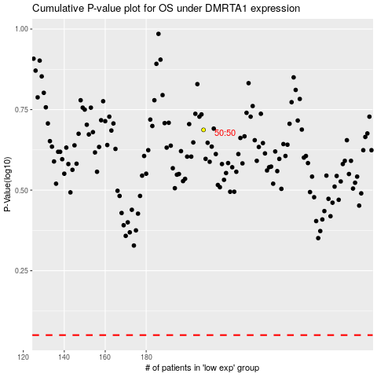

 |  |  |  |  |  | cases_OS | p_OS | rank | exp
 |  |  |  |  |  |  | cases_RFS | p_RFS | rank | exp

