DMRTA2 _multivariate
Reported by Tex Li-Hsing Chi. tex@gate.sinica.edu.tw 2019-08-20

Table 2. The clinicopathological features of HNSCC cohort and DMRTA2 expression. (Chi square test)
Cutoff at -0.456 (49.8%)
 |  | DMRTA2 expression |  | DMRTA2 expression |  | (Optimised)
 | Features | Low | (%) | High | (%) | Case no | P-value | Remark | Matthews
Gender | Female | 138 | 33.3 | 168 | 40.5 | 415 | 0.0016 | 1 | 0
2 | Male | 69 | 16.6 | 40 | 9.6
Age at diagnosis | <=65y | 137 | 33 | 137 | 33 | 415 | 1 | 0 | 0
4 | >65y | 70 | 16.9 | 71 | 17.1
Clinical T Status | T1+T2 | 73 | 17.6 | 76 | 18.3 | 415 | 0.8666 | 0 | 0
6 | T3+T4 | 134 | 32.3 | 132 | 31.8
Clinical N Status | N0 | 116 | 28 | 100 | 24.1 | 415 | 0.1273 | 1 | 0
8 | N1-3 | 91 | 21.9 | 108 | 26
Clinical M Status | M0 | 206 | 49.6 | 206 | 49.6 | 415 | 1 | 0 | 0
10 | M1 | 1 | 0.2 | 2 | 0.5
Clinical Stage | Stage I+II | 55 | 13.3 | 47 | 11.3 | 415 | 0.4087 | 0 | 0
12 | Stage III+IV | 152 | 36.6 | 161 | 38.8
Surgical Margin status | Negative | 163 | 39.3 | 155 | 37.3 | 415 | 0.3537 | 0 | 0
14 | Positive | 44 | 10.6 | 53 | 12.8
Tobacco Exposure | Low | 105 | 25.3 | 56 | 13.5 | 415 | 0 | 1 | 0
16 | High | 102 | 24.6 | 152 | 36.6

Table 3. Univariate/Multivariate Cox's proportional hazards regression analyses on OS time of DMRTA2 gene expression in HNSCC

 |  | Univariate |  |  |  | Multivariate
 | Features | HR | CI95%(L) | CI95%(H) | P-value | HR | CI95%(L) | CI95%(H) | P-value
1 | Female | 1 |  |  |  | 1
Gender | Male | 1.157 | 0.843 | 1.587 | 0.367 | 1.174 | 0.84 | 1.642 | 0.347
11 | <=65y | 1 |  |  |  | 1
Age at diagnosis | >65y | 1.329 | 0.99 | 1.784 | 0.058 | 1.413 | 1.039 | 1.921 | 0.028
12 | T1+T2 | 1 |  |  |  | 1
Clinical T Status | T3+T4 | 1.409 | 1.028 | 1.931 | 0.033 | 2.164 | 1.143 | 4.095 | 0.018
13 | N0 | 1 |  |  |  | 1
Clinical N Status | N1-3 | 1.185 | 0.89 | 1.577 | 0.246 | 1.263 | 0.884 | 1.802 | 0.199
14 | M0 | 1 |  |  |  | 1
Clinical M Status | M1 | 4.097 | 1.009 | 16.644 | 0.049 | 9.365 | 2.042 | 42.939 | 0.004
15 | Stage I+II | 1 |  |  |  | 1
Clinical Stage | Stage III+IV | 1.245 | 0.882 | 1.759 | 0.213 | 0.509 | 0.237 | 1.093 | 0.083
16 | Negative | 1 |  |  |  | 1
Surgical Margin status | Positive | 1.591 | 1.155 | 2.191 | 0.004 | 1.68 | 1.216 | 2.321 | 0.002
17 | Low | 1 |  |  |  | 1
Tobacco Exposure | High | 1.364 | 1.008 | 1.844 | 0.044 | 1.521 | 1.096 | 2.111 | 0.012
18 | Low | 1 |  |  |  | 1
RNAseq(z-score) | High | 0.903 | 0.676 | 1.205 | 0.488 | 0.824 | 0.61 | 1.114 | 0.208

Table 4. Univariate/Multivariate Cox's proportional hazards regression analyses on RFS time of DMRTA2 gene expression in HNSCC

 |  | Univariate |  |  |  | Multivariate
 | Features | HR | CI95%(L) | CI95%(H) | P-value | HR | CI95%(L) | CI95%(H) | P-value
1 | Female | 1 |  |  |  | 1
Gender | Male | 1.157 | 0.843 | 1.587 | 0.367 | 1.174 | 0.84 | 1.642 | 0.347
11 | <=65y | 1 |  |  |  | 1
Age at diagnosis | >65y | 1.329 | 0.99 | 1.784 | 0.058 | 1.413 | 1.039 | 1.921 | 0.028
12 | T1+T2 | 1 |  |  |  | 1
Clinical T Status | T3+T4 | 1.409 | 1.028 | 1.931 | 0.033 | 2.164 | 1.143 | 4.095 | 0.018
13 | N0 | 1 |  |  |  | 1
Clinical N Status | N1-3 | 1.185 | 0.89 | 1.577 | 0.246 | 1.263 | 0.884 | 1.802 | 0.199
14 | M0 | 1 |  |  |  | 1
Clinical M Status | M1 | 4.097 | 1.009 | 16.644 | 0.049 | 9.365 | 2.042 | 42.939 | 0.004
15 | Stage I+II | 1 |  |  |  | 1
Clinical Stage | Stage III+IV | 1.245 | 0.882 | 1.759 | 0.213 | 0.509 | 0.237 | 1.093 | 0.083
16 | Negative | 1 |  |  |  | 1
Surgical Margin status | Positive | 1.591 | 1.155 | 2.191 | 0.004 | 1.68 | 1.216 | 2.321 | 0.002
17 | Low | 1 |  |  |  | 1
Tobacco Exposure | High | 1.364 | 1.008 | 1.844 | 0.044 | 1.521 | 1.096 | 2.111 | 0.012
18 | Low | 1 |  |  |  | 1
RNAseq(z-score) | High | 0.903 | 0.676 | 1.205 | 0.488 | 0.824 | 0.61 | 1.114 | 0.208

Kaplan-Meier survival estimate: Cutoff at -0.456 (49.8%)



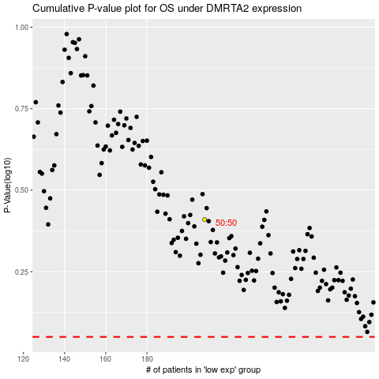

 |  |  |  |  |  | cases_OS | p_OS | rank | exp
 |  |  |  |  |  |  | cases_RFS | p_RFS | rank | exp

