DMXL2 _multivariate
Reported by Tex Li-Hsing Chi. tex@gate.sinica.edu.tw 2019-08-20

Table 2. The clinicopathological features of HNSCC cohort and DMXL2 expression. (Chi square test)
Cutoff at -0.174 (49.8%)
 |  | DMXL2 expression |  | DMXL2 expression |  | (Optimised)
 | Features | Low | (%) | High | (%) | Case no | P-value | Remark | Matthews
Gender | Female | 157 | 37.8 | 149 | 35.9 | 415 | 0.3881 | 0 | 0
2 | Male | 50 | 12 | 59 | 14.2
Age at diagnosis | <=65y | 152 | 36.6 | 122 | 29.4 | 415 | 0.0021 | 1 | 0
4 | >65y | 55 | 13.3 | 86 | 20.7
Clinical T Status | T1+T2 | 75 | 18.1 | 74 | 17.8 | 415 | 0.9707 | 0 | 0
6 | T3+T4 | 132 | 31.8 | 134 | 32.3
Clinical N Status | N0 | 101 | 24.3 | 115 | 27.7 | 415 | 0.2201 | 0 | 0
8 | N1-3 | 106 | 25.5 | 93 | 22.4
Clinical M Status | M0 | 205 | 49.4 | 207 | 49.9 | 415 | 0.6232 | 0 | 0
10 | M1 | 2 | 0.5 | 1 | 0.2
Clinical Stage | Stage I+II | 48 | 11.6 | 54 | 13 | 415 | 0.5878 | 0 | 0
12 | Stage III+IV | 159 | 38.3 | 154 | 37.1
Surgical Margin status | Negative | 157 | 37.8 | 161 | 38.8 | 415 | 0.729 | 0 | 0
14 | Positive | 50 | 12 | 47 | 11.3
Tobacco Exposure | Low | 74 | 17.8 | 87 | 21 | 415 | 0.227 | 0 | 0
16 | High | 133 | 32 | 121 | 29.2

Table 3. Univariate/Multivariate Cox's proportional hazards regression analyses on OS time of DMXL2 gene expression in HNSCC

 |  | Univariate |  |  |  | Multivariate
 | Features | HR | CI95%(L) | CI95%(H) | P-value | HR | CI95%(L) | CI95%(H) | P-value
1 | Female | 1 |  |  |  | 1
Gender | Male | 1.157 | 0.843 | 1.587 | 0.367 | 1.211 | 0.866 | 1.692 | 0.263
11 | <=65y | 1 |  |  |  | 1
Age at diagnosis | >65y | 1.329 | 0.99 | 1.784 | 0.058 | 1.342 | 0.979 | 1.84 | 0.067
12 | T1+T2 | 1 |  |  |  | 1
Clinical T Status | T3+T4 | 1.409 | 1.028 | 1.931 | 0.033 | 2.173 | 1.149 | 4.11 | 0.017
13 | N0 | 1 |  |  |  | 1
Clinical N Status | N1-3 | 1.185 | 0.89 | 1.577 | 0.246 | 1.248 | 0.875 | 1.782 | 0.222
14 | M0 | 1 |  |  |  | 1
Clinical M Status | M1 | 4.097 | 1.009 | 16.644 | 0.049 | 9.68 | 2.11 | 44.418 | 0.003
15 | Stage I+II | 1 |  |  |  | 1
Clinical Stage | Stage III+IV | 1.245 | 0.882 | 1.759 | 0.213 | 0.511 | 0.238 | 1.098 | 0.085
16 | Negative | 1 |  |  |  | 1
Surgical Margin status | Positive | 1.591 | 1.155 | 2.191 | 0.004 | 1.684 | 1.218 | 2.327 | 0.002
17 | Low | 1 |  |  |  | 1
Tobacco Exposure | High | 1.364 | 1.008 | 1.844 | 0.044 | 1.469 | 1.066 | 2.025 | 0.019
18 | Low | 1 |  |  |  | 1
RNAseq(z-score) | High | 1.171 | 0.879 | 1.56 | 0.281 | 1.166 | 0.865 | 1.572 | 0.312

Table 4. Univariate/Multivariate Cox's proportional hazards regression analyses on RFS time of DMXL2 gene expression in HNSCC

 |  | Univariate |  |  |  | Multivariate
 | Features | HR | CI95%(L) | CI95%(H) | P-value | HR | CI95%(L) | CI95%(H) | P-value
1 | Female | 1 |  |  |  | 1
Gender | Male | 1.157 | 0.843 | 1.587 | 0.367 | 1.211 | 0.866 | 1.692 | 0.263
11 | <=65y | 1 |  |  |  | 1
Age at diagnosis | >65y | 1.329 | 0.99 | 1.784 | 0.058 | 1.342 | 0.979 | 1.84 | 0.067
12 | T1+T2 | 1 |  |  |  | 1
Clinical T Status | T3+T4 | 1.409 | 1.028 | 1.931 | 0.033 | 2.173 | 1.149 | 4.11 | 0.017
13 | N0 | 1 |  |  |  | 1
Clinical N Status | N1-3 | 1.185 | 0.89 | 1.577 | 0.246 | 1.248 | 0.875 | 1.782 | 0.222
14 | M0 | 1 |  |  |  | 1
Clinical M Status | M1 | 4.097 | 1.009 | 16.644 | 0.049 | 9.68 | 2.11 | 44.418 | 0.003
15 | Stage I+II | 1 |  |  |  | 1
Clinical Stage | Stage III+IV | 1.245 | 0.882 | 1.759 | 0.213 | 0.511 | 0.238 | 1.098 | 0.085
16 | Negative | 1 |  |  |  | 1
Surgical Margin status | Positive | 1.591 | 1.155 | 2.191 | 0.004 | 1.684 | 1.218 | 2.327 | 0.002
17 | Low | 1 |  |  |  | 1
Tobacco Exposure | High | 1.364 | 1.008 | 1.844 | 0.044 | 1.469 | 1.066 | 2.025 | 0.019
18 | Low | 1 |  |  |  | 1
RNAseq(z-score) | High | 1.171 | 0.879 | 1.56 | 0.281 | 1.166 | 0.865 | 1.572 | 0.312

Kaplan-Meier survival estimate: Cutoff at -0.174 (49.8%)



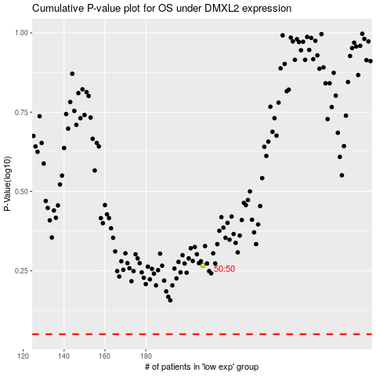

 |  |  |  |  |  | cases_OS | p_OS | rank | exp
 |  |  |  |  |  |  | cases_RFS | p_RFS | rank | exp

