DNA2 _multivariate
Reported by Tex Li-Hsing Chi. tex@gate.sinica.edu.tw 2019-08-20

Table 2. The clinicopathological features of HNSCC cohort and DNA2 expression. (Chi square test)
Cutoff at -0.156 (49.8%)
 |  | DNA2 expression |  | DNA2 expression |  | (Optimised)
 | Features | Low | (%) | High | (%) | Case no | P-value | Remark | Matthews
Gender | Female | 144 | 34.7 | 162 | 39 | 415 | 0.0697 | 0 | 0
2 | Male | 63 | 15.2 | 46 | 11.1
Age at diagnosis | <=65y | 130 | 31.3 | 144 | 34.7 | 415 | 0.2009 | 0 | 0
4 | >65y | 77 | 18.6 | 64 | 15.4
Clinical T Status | T1+T2 | 78 | 18.8 | 71 | 17.1 | 415 | 0.5152 | 0 | 0
6 | T3+T4 | 129 | 31.1 | 137 | 33
Clinical N Status | N0 | 121 | 29.2 | 95 | 22.9 | 415 | 0.0122 | 1 | 0
8 | N1-3 | 86 | 20.7 | 113 | 27.2
Clinical M Status | M0 | 205 | 49.4 | 207 | 49.9 | 415 | 0.6232 | 0 | 0
10 | M1 | 2 | 0.5 | 1 | 0.2
Clinical Stage | Stage I+II | 58 | 14 | 44 | 10.6 | 415 | 0.131 | 0 | 0
12 | Stage III+IV | 149 | 35.9 | 164 | 39.5
Surgical Margin status | Negative | 166 | 40 | 152 | 36.6 | 415 | 0.1042 | 0 | 0
14 | Positive | 41 | 9.9 | 56 | 13.5
Tobacco Exposure | Low | 92 | 22.2 | 69 | 16.6 | 415 | 0.0206 | 1 | 0
16 | High | 115 | 27.7 | 139 | 33.5

Table 3. Univariate/Multivariate Cox's proportional hazards regression analyses on OS time of DNA2 gene expression in HNSCC

 |  | Univariate |  |  |  | Multivariate
 | Features | HR | CI95%(L) | CI95%(H) | P-value | HR | CI95%(L) | CI95%(H) | P-value
1 | Female | 1 |  |  |  | 1
Gender | Male | 1.157 | 0.843 | 1.587 | 0.367 | 1.195 | 0.855 | 1.671 | 0.297
11 | <=65y | 1 |  |  |  | 1
Age at diagnosis | >65y | 1.329 | 0.99 | 1.784 | 0.058 | 1.39 | 1.023 | 1.89 | 0.035
12 | T1+T2 | 1 |  |  |  | 1
Clinical T Status | T3+T4 | 1.409 | 1.028 | 1.931 | 0.033 | 2.193 | 1.16 | 4.148 | 0.016
13 | N0 | 1 |  |  |  | 1
Clinical N Status | N1-3 | 1.185 | 0.89 | 1.577 | 0.246 | 1.249 | 0.875 | 1.784 | 0.221
14 | M0 | 1 |  |  |  | 1
Clinical M Status | M1 | 4.097 | 1.009 | 16.644 | 0.049 | 9.138 | 1.984 | 42.097 | 0.005
15 | Stage I+II | 1 |  |  |  | 1
Clinical Stage | Stage III+IV | 1.245 | 0.882 | 1.759 | 0.213 | 0.507 | 0.236 | 1.088 | 0.081
16 | Negative | 1 |  |  |  | 1
Surgical Margin status | Positive | 1.591 | 1.155 | 2.191 | 0.004 | 1.675 | 1.212 | 2.314 | 0.002
17 | Low | 1 |  |  |  | 1
Tobacco Exposure | High | 1.364 | 1.008 | 1.844 | 0.044 | 1.46 | 1.059 | 2.013 | 0.021
18 | Low | 1 |  |  |  | 1
RNAseq(z-score) | High | 0.944 | 0.709 | 1.257 | 0.691 | 0.935 | 0.698 | 1.252 | 0.65

Table 4. Univariate/Multivariate Cox's proportional hazards regression analyses on RFS time of DNA2 gene expression in HNSCC

 |  | Univariate |  |  |  | Multivariate
 | Features | HR | CI95%(L) | CI95%(H) | P-value | HR | CI95%(L) | CI95%(H) | P-value
1 | Female | 1 |  |  |  | 1
Gender | Male | 1.157 | 0.843 | 1.587 | 0.367 | 1.195 | 0.855 | 1.671 | 0.297
11 | <=65y | 1 |  |  |  | 1
Age at diagnosis | >65y | 1.329 | 0.99 | 1.784 | 0.058 | 1.39 | 1.023 | 1.89 | 0.035
12 | T1+T2 | 1 |  |  |  | 1
Clinical T Status | T3+T4 | 1.409 | 1.028 | 1.931 | 0.033 | 2.193 | 1.16 | 4.148 | 0.016
13 | N0 | 1 |  |  |  | 1
Clinical N Status | N1-3 | 1.185 | 0.89 | 1.577 | 0.246 | 1.249 | 0.875 | 1.784 | 0.221
14 | M0 | 1 |  |  |  | 1
Clinical M Status | M1 | 4.097 | 1.009 | 16.644 | 0.049 | 9.138 | 1.984 | 42.097 | 0.005
15 | Stage I+II | 1 |  |  |  | 1
Clinical Stage | Stage III+IV | 1.245 | 0.882 | 1.759 | 0.213 | 0.507 | 0.236 | 1.088 | 0.081
16 | Negative | 1 |  |  |  | 1
Surgical Margin status | Positive | 1.591 | 1.155 | 2.191 | 0.004 | 1.675 | 1.212 | 2.314 | 0.002
17 | Low | 1 |  |  |  | 1
Tobacco Exposure | High | 1.364 | 1.008 | 1.844 | 0.044 | 1.46 | 1.059 | 2.013 | 0.021
18 | Low | 1 |  |  |  | 1
RNAseq(z-score) | High | 0.944 | 0.709 | 1.257 | 0.691 | 0.935 | 0.698 | 1.252 | 0.65

Kaplan-Meier survival estimate: Cutoff at -0.156 (49.8%)



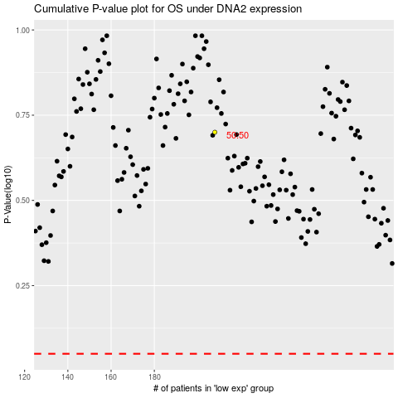

 |  |  |  |  |  | cases_OS | p_OS | rank | exp
 |  |  |  |  |  |  | cases_RFS | p_RFS | rank | exp

