DNAH10 _multivariate
Reported by Tex Li-Hsing Chi. tex@gate.sinica.edu.tw 2019-08-20

Table 2. The clinicopathological features of HNSCC cohort and DNAH10 expression. (Chi square test)
Cutoff at -0.146 (50.0%)
 |  | DNAH10 expression |  | DNAH10 expression |  | (Optimised)
 | Features | Low | (%) | High | (%) | Case no | P-value | Remark | Matthews
Gender | Female | 146 | 35.2 | 160 | 38.6 | 415 | 0.1714 | 0 | 0
2 | Male | 61 | 14.7 | 48 | 11.6
Age at diagnosis | <=65y | 135 | 32.5 | 139 | 33.5 | 415 | 0.8084 | 0 | 0
4 | >65y | 72 | 17.3 | 69 | 16.6
Clinical T Status | T1+T2 | 77 | 18.6 | 72 | 17.3 | 415 | 0.6556 | 0 | 0
6 | T3+T4 | 130 | 31.3 | 136 | 32.8
Clinical N Status | N0 | 106 | 25.5 | 110 | 26.5 | 415 | 0.8075 | 0 | 0
8 | N1-3 | 101 | 24.3 | 98 | 23.6
Clinical M Status | M0 | 205 | 49.4 | 207 | 49.9 | 415 | 0.6232 | 0 | 0
10 | M1 | 2 | 0.5 | 1 | 0.2
Clinical Stage | Stage I+II | 50 | 12 | 52 | 12.5 | 415 | 0.9315 | 0 | 0
12 | Stage III+IV | 157 | 37.8 | 156 | 37.6
Surgical Margin status | Negative | 158 | 38.1 | 160 | 38.6 | 415 | 0.9081 | 0 | 0
14 | Positive | 49 | 11.8 | 48 | 11.6
Tobacco Exposure | Low | 90 | 21.7 | 71 | 17.1 | 415 | 0.0559 | 0 | 0
16 | High | 117 | 28.2 | 137 | 33

Table 3. Univariate/Multivariate Cox's proportional hazards regression analyses on OS time of DNAH10 gene expression in HNSCC

 |  | Univariate |  |  |  | Multivariate
 | Features | HR | CI95%(L) | CI95%(H) | P-value | HR | CI95%(L) | CI95%(H) | P-value
1 | Female | 1 |  |  |  | 1
Gender | Male | 1.157 | 0.843 | 1.587 | 0.367 | 1.207 | 0.863 | 1.688 | 0.272
11 | <=65y | 1 |  |  |  | 1
Age at diagnosis | >65y | 1.329 | 0.99 | 1.784 | 0.058 | 1.391 | 1.023 | 1.89 | 0.035
12 | T1+T2 | 1 |  |  |  | 1
Clinical T Status | T3+T4 | 1.409 | 1.028 | 1.931 | 0.033 | 2.19 | 1.157 | 4.146 | 0.016
13 | N0 | 1 |  |  |  | 1
Clinical N Status | N1-3 | 1.185 | 0.89 | 1.577 | 0.246 | 1.24 | 0.869 | 1.769 | 0.236
14 | M0 | 1 |  |  |  | 1
Clinical M Status | M1 | 4.097 | 1.009 | 16.644 | 0.049 | 9.4 | 2.051 | 43.09 | 0.004
15 | Stage I+II | 1 |  |  |  | 1
Clinical Stage | Stage III+IV | 1.245 | 0.882 | 1.759 | 0.213 | 0.507 | 0.236 | 1.09 | 0.082
16 | Negative | 1 |  |  |  | 1
Surgical Margin status | Positive | 1.591 | 1.155 | 2.191 | 0.004 | 1.673 | 1.211 | 2.312 | 0.002
17 | Low | 1 |  |  |  | 1
Tobacco Exposure | High | 1.364 | 1.008 | 1.844 | 0.044 | 1.447 | 1.049 | 1.996 | 0.024
18 | Low | 1 |  |  |  | 1
RNAseq(z-score) | High | 1.089 | 0.817 | 1.452 | 0.562 | 1.043 | 0.779 | 1.395 | 0.779

Table 4. Univariate/Multivariate Cox's proportional hazards regression analyses on RFS time of DNAH10 gene expression in HNSCC

 |  | Univariate |  |  |  | Multivariate
 | Features | HR | CI95%(L) | CI95%(H) | P-value | HR | CI95%(L) | CI95%(H) | P-value
1 | Female | 1 |  |  |  | 1
Gender | Male | 1.157 | 0.843 | 1.587 | 0.367 | 1.207 | 0.863 | 1.688 | 0.272
11 | <=65y | 1 |  |  |  | 1
Age at diagnosis | >65y | 1.329 | 0.99 | 1.784 | 0.058 | 1.391 | 1.023 | 1.89 | 0.035
12 | T1+T2 | 1 |  |  |  | 1
Clinical T Status | T3+T4 | 1.409 | 1.028 | 1.931 | 0.033 | 2.19 | 1.157 | 4.146 | 0.016
13 | N0 | 1 |  |  |  | 1
Clinical N Status | N1-3 | 1.185 | 0.89 | 1.577 | 0.246 | 1.24 | 0.869 | 1.769 | 0.236
14 | M0 | 1 |  |  |  | 1
Clinical M Status | M1 | 4.097 | 1.009 | 16.644 | 0.049 | 9.4 | 2.051 | 43.09 | 0.004
15 | Stage I+II | 1 |  |  |  | 1
Clinical Stage | Stage III+IV | 1.245 | 0.882 | 1.759 | 0.213 | 0.507 | 0.236 | 1.09 | 0.082
16 | Negative | 1 |  |  |  | 1
Surgical Margin status | Positive | 1.591 | 1.155 | 2.191 | 0.004 | 1.673 | 1.211 | 2.312 | 0.002
17 | Low | 1 |  |  |  | 1
Tobacco Exposure | High | 1.364 | 1.008 | 1.844 | 0.044 | 1.447 | 1.049 | 1.996 | 0.024
18 | Low | 1 |  |  |  | 1
RNAseq(z-score) | High | 1.089 | 0.817 | 1.452 | 0.562 | 1.043 | 0.779 | 1.395 | 0.779

Kaplan-Meier survival estimate: Cutoff at -0.146 (50.0%)



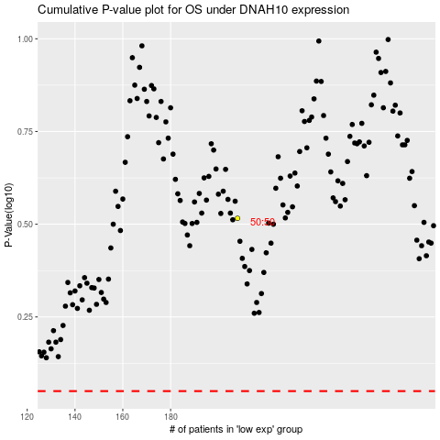

 |  |  |  |  |  | cases_OS | p_OS | rank | exp
 |  |  |  |  |  |  | cases_RFS | p_RFS | rank | exp

