DNAH17 _multivariate
Reported by Tex Li-Hsing Chi. tex@gate.sinica.edu.tw 2019-08-20

Table 2. The clinicopathological features of HNSCC cohort and DNAH17 expression. (Chi square test)
Cutoff at -0.265 (49.8%)
 |  | DNAH17 expression |  | DNAH17 expression |  | (Optimised)
 | Features | Low | (%) | High | (%) | Case no | P-value | Remark | Matthews
Gender | Female | 161 | 38.8 | 145 | 34.9 | 415 | 0.0792 | 0 | 0
2 | Male | 46 | 11.1 | 63 | 15.2
Age at diagnosis | <=65y | 140 | 33.7 | 134 | 32.3 | 415 | 0.5574 | 0 | 0
4 | >65y | 67 | 16.1 | 74 | 17.8
Clinical T Status | T1+T2 | 82 | 19.8 | 67 | 16.1 | 415 | 0.1417 | 0 | 0
6 | T3+T4 | 125 | 30.1 | 141 | 34
Clinical N Status | N0 | 108 | 26 | 108 | 26 | 415 | 1 | 0 | 0
8 | N1-3 | 99 | 23.9 | 100 | 24.1
Clinical M Status | M0 | 206 | 49.6 | 206 | 49.6 | 415 | 1 | 0 | 0
10 | M1 | 1 | 0.2 | 2 | 0.5
Clinical Stage | Stage I+II | 53 | 12.8 | 49 | 11.8 | 415 | 0.7113 | 0 | 0
12 | Stage III+IV | 154 | 37.1 | 159 | 38.3
Surgical Margin status | Negative | 156 | 37.6 | 162 | 39 | 415 | 0.5636 | 0 | 0
14 | Positive | 51 | 12.3 | 46 | 11.1
Tobacco Exposure | Low | 81 | 19.5 | 80 | 19.3 | 415 | 0.9199 | 0 | 0
16 | High | 126 | 30.4 | 128 | 30.8

Table 3. Univariate/Multivariate Cox's proportional hazards regression analyses on OS time of DNAH17 gene expression in HNSCC

 |  | Univariate |  |  |  | Multivariate
 | Features | HR | CI95%(L) | CI95%(H) | P-value | HR | CI95%(L) | CI95%(H) | P-value
1 | Female | 1 |  |  |  | 1
Gender | Male | 1.157 | 0.843 | 1.587 | 0.367 | 1.211 | 0.866 | 1.692 | 0.263
11 | <=65y | 1 |  |  |  | 1
Age at diagnosis | >65y | 1.329 | 0.99 | 1.784 | 0.058 | 1.39 | 1.023 | 1.89 | 0.035
12 | T1+T2 | 1 |  |  |  | 1
Clinical T Status | T3+T4 | 1.409 | 1.028 | 1.931 | 0.033 | 2.233 | 1.18 | 4.227 | 0.014
13 | N0 | 1 |  |  |  | 1
Clinical N Status | N1-3 | 1.185 | 0.89 | 1.577 | 0.246 | 1.245 | 0.872 | 1.776 | 0.227
14 | M0 | 1 |  |  |  | 1
Clinical M Status | M1 | 4.097 | 1.009 | 16.644 | 0.049 | 9.836 | 2.136 | 45.285 | 0.003
15 | Stage I+II | 1 |  |  |  | 1
Clinical Stage | Stage III+IV | 1.245 | 0.882 | 1.759 | 0.213 | 0.498 | 0.232 | 1.069 | 0.074
16 | Negative | 1 |  |  |  | 1
Surgical Margin status | Positive | 1.591 | 1.155 | 2.191 | 0.004 | 1.671 | 1.21 | 2.309 | 0.002
17 | Low | 1 |  |  |  | 1
Tobacco Exposure | High | 1.364 | 1.008 | 1.844 | 0.044 | 1.447 | 1.051 | 1.993 | 0.024
18 | Low | 1 |  |  |  | 1
RNAseq(z-score) | High | 0.948 | 0.712 | 1.262 | 0.714 | 0.894 | 0.67 | 1.193 | 0.446

Table 4. Univariate/Multivariate Cox's proportional hazards regression analyses on RFS time of DNAH17 gene expression in HNSCC

 |  | Univariate |  |  |  | Multivariate
 | Features | HR | CI95%(L) | CI95%(H) | P-value | HR | CI95%(L) | CI95%(H) | P-value
1 | Female | 1 |  |  |  | 1
Gender | Male | 1.157 | 0.843 | 1.587 | 0.367 | 1.211 | 0.866 | 1.692 | 0.263
11 | <=65y | 1 |  |  |  | 1
Age at diagnosis | >65y | 1.329 | 0.99 | 1.784 | 0.058 | 1.39 | 1.023 | 1.89 | 0.035
12 | T1+T2 | 1 |  |  |  | 1
Clinical T Status | T3+T4 | 1.409 | 1.028 | 1.931 | 0.033 | 2.233 | 1.18 | 4.227 | 0.014
13 | N0 | 1 |  |  |  | 1
Clinical N Status | N1-3 | 1.185 | 0.89 | 1.577 | 0.246 | 1.245 | 0.872 | 1.776 | 0.227
14 | M0 | 1 |  |  |  | 1
Clinical M Status | M1 | 4.097 | 1.009 | 16.644 | 0.049 | 9.836 | 2.136 | 45.285 | 0.003
15 | Stage I+II | 1 |  |  |  | 1
Clinical Stage | Stage III+IV | 1.245 | 0.882 | 1.759 | 0.213 | 0.498 | 0.232 | 1.069 | 0.074
16 | Negative | 1 |  |  |  | 1
Surgical Margin status | Positive | 1.591 | 1.155 | 2.191 | 0.004 | 1.671 | 1.21 | 2.309 | 0.002
17 | Low | 1 |  |  |  | 1
Tobacco Exposure | High | 1.364 | 1.008 | 1.844 | 0.044 | 1.447 | 1.051 | 1.993 | 0.024
18 | Low | 1 |  |  |  | 1
RNAseq(z-score) | High | 0.948 | 0.712 | 1.262 | 0.714 | 0.894 | 0.67 | 1.193 | 0.446

Kaplan-Meier survival estimate: Cutoff at -0.265 (49.8%)



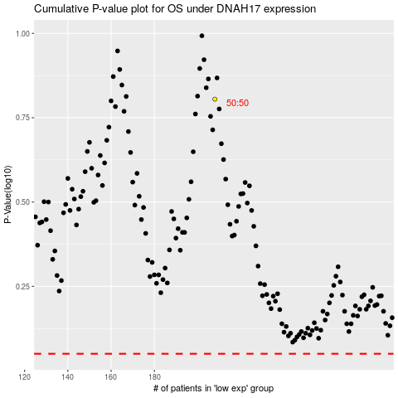

 |  |  |  |  |  | cases_OS | p_OS | rank | exp
 |  |  |  |  |  |  | cases_RFS | p_RFS | rank | exp

