DNAH3 _multivariate
Reported by Tex Li-Hsing Chi. tex@gate.sinica.edu.tw 2019-08-20

Table 2. The clinicopathological features of HNSCC cohort and DNAH3 expression. (Chi square test)
Cutoff at -0.127 (50.0%)
 |  | DNAH3 expression |  | DNAH3 expression |  | (Optimised)
 | Features | Low | (%) | High | (%) | Case no | P-value | Remark | Matthews
Gender | Female | 153 | 36.9 | 153 | 36.9 | 415 | 1 | 0 | 0
2 | Male | 54 | 13 | 55 | 13.3
Age at diagnosis | <=65y | 143 | 34.5 | 131 | 31.6 | 415 | 0.2269 | 0 | 0
4 | >65y | 64 | 15.4 | 77 | 18.6
Clinical T Status | T1+T2 | 97 | 23.4 | 52 | 12.5 | 415 | 0 | 1 | 0
6 | T3+T4 | 110 | 26.5 | 156 | 37.6
Clinical N Status | N0 | 103 | 24.8 | 113 | 27.2 | 415 | 0.4047 | 0 | 0
8 | N1-3 | 104 | 25.1 | 95 | 22.9
Clinical M Status | M0 | 204 | 49.2 | 208 | 50.1 | 415 | 0.1232 | 0 | 0
10 | M1 | 3 | 0.7 | 0 | 0
Clinical Stage | Stage I+II | 69 | 16.6 | 33 | 8 | 415 | 1e-04 | 1 | 0
12 | Stage III+IV | 138 | 33.3 | 175 | 42.2
Surgical Margin status | Negative | 155 | 37.3 | 163 | 39.3 | 415 | 0.4187 | 0 | 0
14 | Positive | 52 | 12.5 | 45 | 10.8
Tobacco Exposure | Low | 80 | 19.3 | 81 | 19.5 | 415 | 1 | 0 | 0
16 | High | 127 | 30.6 | 127 | 30.6

Table 3. Univariate/Multivariate Cox's proportional hazards regression analyses on OS time of DNAH3 gene expression in HNSCC

 |  | Univariate |  |  |  | Multivariate
 | Features | HR | CI95%(L) | CI95%(H) | P-value | HR | CI95%(L) | CI95%(H) | P-value
1 | Female | 1 |  |  |  | 1
Gender | Male | 1.157 | 0.843 | 1.587 | 0.367 | 1.216 | 0.867 | 1.706 | 0.258
11 | <=65y | 1 |  |  |  | 1
Age at diagnosis | >65y | 1.329 | 0.99 | 1.784 | 0.058 | 1.391 | 1.023 | 1.892 | 0.035
12 | T1+T2 | 1 |  |  |  | 1
Clinical T Status | T3+T4 | 1.409 | 1.028 | 1.931 | 0.033 | 2.218 | 1.172 | 4.197 | 0.014
13 | N0 | 1 |  |  |  | 1
Clinical N Status | N1-3 | 1.185 | 0.89 | 1.577 | 0.246 | 1.225 | 0.854 | 1.757 | 0.271
14 | M0 | 1 |  |  |  | 1
Clinical M Status | M1 | 4.097 | 1.009 | 16.644 | 0.049 | 9.215 | 2.004 | 42.376 | 0.004
15 | Stage I+II | 1 |  |  |  | 1
Clinical Stage | Stage III+IV | 1.245 | 0.882 | 1.759 | 0.213 | 0.513 | 0.238 | 1.105 | 0.088
16 | Negative | 1 |  |  |  | 1
Surgical Margin status | Positive | 1.591 | 1.155 | 2.191 | 0.004 | 1.672 | 1.21 | 2.311 | 0.002
17 | Low | 1 |  |  |  | 1
Tobacco Exposure | High | 1.364 | 1.008 | 1.844 | 0.044 | 1.455 | 1.056 | 2.005 | 0.022
18 | Low | 1 |  |  |  | 1
RNAseq(z-score) | High | 0.985 | 0.74 | 1.311 | 0.917 | 0.939 | 0.694 | 1.269 | 0.681

Table 4. Univariate/Multivariate Cox's proportional hazards regression analyses on RFS time of DNAH3 gene expression in HNSCC

 |  | Univariate |  |  |  | Multivariate
 | Features | HR | CI95%(L) | CI95%(H) | P-value | HR | CI95%(L) | CI95%(H) | P-value
1 | Female | 1 |  |  |  | 1
Gender | Male | 1.157 | 0.843 | 1.587 | 0.367 | 1.216 | 0.867 | 1.706 | 0.258
11 | <=65y | 1 |  |  |  | 1
Age at diagnosis | >65y | 1.329 | 0.99 | 1.784 | 0.058 | 1.391 | 1.023 | 1.892 | 0.035
12 | T1+T2 | 1 |  |  |  | 1
Clinical T Status | T3+T4 | 1.409 | 1.028 | 1.931 | 0.033 | 2.218 | 1.172 | 4.197 | 0.014
13 | N0 | 1 |  |  |  | 1
Clinical N Status | N1-3 | 1.185 | 0.89 | 1.577 | 0.246 | 1.225 | 0.854 | 1.757 | 0.271
14 | M0 | 1 |  |  |  | 1
Clinical M Status | M1 | 4.097 | 1.009 | 16.644 | 0.049 | 9.215 | 2.004 | 42.376 | 0.004
15 | Stage I+II | 1 |  |  |  | 1
Clinical Stage | Stage III+IV | 1.245 | 0.882 | 1.759 | 0.213 | 0.513 | 0.238 | 1.105 | 0.088
16 | Negative | 1 |  |  |  | 1
Surgical Margin status | Positive | 1.591 | 1.155 | 2.191 | 0.004 | 1.672 | 1.21 | 2.311 | 0.002
17 | Low | 1 |  |  |  | 1
Tobacco Exposure | High | 1.364 | 1.008 | 1.844 | 0.044 | 1.455 | 1.056 | 2.005 | 0.022
18 | Low | 1 |  |  |  | 1
RNAseq(z-score) | High | 0.985 | 0.74 | 1.311 | 0.917 | 0.939 | 0.694 | 1.269 | 0.681

Kaplan-Meier survival estimate: Cutoff at -0.127 (50.0%)



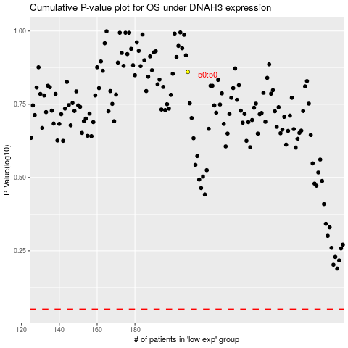

 |  |  |  |  |  | cases_OS | p_OS | rank | exp
 |  |  |  |  |  |  | cases_RFS | p_RFS | rank | exp

