DNAH7 _multivariate
Reported by Tex Li-Hsing Chi. tex@gate.sinica.edu.tw 2019-08-20

Table 2. The clinicopathological features of HNSCC cohort and DNAH7 expression. (Chi square test)
Cutoff at -0.165 (35.5%)
 |  | DNAH7 expression |  | DNAH7 expression |  | (Optimised)
 | Features | Low | (%) | High | (%) | Case no | P-value | Remark | Matthews
Gender | Female | 106 | 25.5 | 200 | 48.2 | 415 | 0.5406 | 0 | 0
2 | Male | 42 | 10.1 | 67 | 16.1
Age at diagnosis | <=65y | 96 | 23.1 | 178 | 42.9 | 415 | 0.7925 | 0 | 0
4 | >65y | 52 | 12.5 | 89 | 21.4
Clinical T Status | T1+T2 | 53 | 12.8 | 96 | 23.1 | 415 | 1 | 0 | 0
6 | T3+T4 | 95 | 22.9 | 171 | 41.2
Clinical N Status | N0 | 82 | 19.8 | 134 | 32.3 | 415 | 0.3593 | 0 | 0
8 | N1-3 | 66 | 15.9 | 133 | 32
Clinical M Status | M0 | 145 | 34.9 | 267 | 64.3 | 415 | 0.0448 | 1 | 0
10 | M1 | 3 | 0.7 | 0 | 0
Clinical Stage | Stage I+II | 38 | 9.2 | 64 | 15.4 | 415 | 0.789 | 0 | 0
12 | Stage III+IV | 110 | 26.5 | 203 | 48.9
Surgical Margin status | Negative | 117 | 28.2 | 201 | 48.4 | 415 | 0.3997 | 0 | 0
14 | Positive | 31 | 7.5 | 66 | 15.9
Tobacco Exposure | Low | 68 | 16.4 | 93 | 22.4 | 415 | 0.0277 | 1 | 0
16 | High | 80 | 19.3 | 174 | 41.9

Table 3. Univariate/Multivariate Cox's proportional hazards regression analyses on OS time of DNAH7 gene expression in HNSCC

 |  | Univariate |  |  |  | Multivariate
 | Features | HR | CI95%(L) | CI95%(H) | P-value | HR | CI95%(L) | CI95%(H) | P-value
1 | Female | 1 |  |  |  | 1
Gender | Male | 1.157 | 0.843 | 1.587 | 0.367 | 1.186 | 0.849 | 1.658 | 0.317
11 | <=65y | 1 |  |  |  | 1
Age at diagnosis | >65y | 1.329 | 0.99 | 1.784 | 0.058 | 1.421 | 1.045 | 1.932 | 0.025
12 | T1+T2 | 1 |  |  |  | 1
Clinical T Status | T3+T4 | 1.409 | 1.028 | 1.931 | 0.033 | 2.149 | 1.136 | 4.067 | 0.019
13 | N0 | 1 |  |  |  | 1
Clinical N Status | N1-3 | 1.185 | 0.89 | 1.577 | 0.246 | 1.277 | 0.895 | 1.822 | 0.178
14 | M0 | 1 |  |  |  | 1
Clinical M Status | M1 | 4.097 | 1.009 | 16.644 | 0.049 | 7.432 | 1.6 | 34.522 | 0.01
15 | Stage I+II | 1 |  |  |  | 1
Clinical Stage | Stage III+IV | 1.245 | 0.882 | 1.759 | 0.213 | 0.505 | 0.235 | 1.085 | 0.08
16 | Negative | 1 |  |  |  | 1
Surgical Margin status | Positive | 1.591 | 1.155 | 2.191 | 0.004 | 1.695 | 1.227 | 2.342 | 0.001
17 | Low | 1 |  |  |  | 1
Tobacco Exposure | High | 1.364 | 1.008 | 1.844 | 0.044 | 1.526 | 1.103 | 2.111 | 0.011
18 | Low | 1 |  |  |  | 1
RNAseq(z-score) | High | 0.745 | 0.556 | 0.999 | 0.049 | 0.716 | 0.53 | 0.967 | 0.029

Table 4. Univariate/Multivariate Cox's proportional hazards regression analyses on RFS time of DNAH7 gene expression in HNSCC

 |  | Univariate |  |  |  | Multivariate
 | Features | HR | CI95%(L) | CI95%(H) | P-value | HR | CI95%(L) | CI95%(H) | P-value
1 | Female | 1 |  |  |  | 1
Gender | Male | 1.157 | 0.843 | 1.587 | 0.367 | 1.186 | 0.849 | 1.658 | 0.317
11 | <=65y | 1 |  |  |  | 1
Age at diagnosis | >65y | 1.329 | 0.99 | 1.784 | 0.058 | 1.421 | 1.045 | 1.932 | 0.025
12 | T1+T2 | 1 |  |  |  | 1
Clinical T Status | T3+T4 | 1.409 | 1.028 | 1.931 | 0.033 | 2.149 | 1.136 | 4.067 | 0.019
13 | N0 | 1 |  |  |  | 1
Clinical N Status | N1-3 | 1.185 | 0.89 | 1.577 | 0.246 | 1.277 | 0.895 | 1.822 | 0.178
14 | M0 | 1 |  |  |  | 1
Clinical M Status | M1 | 4.097 | 1.009 | 16.644 | 0.049 | 7.432 | 1.6 | 34.522 | 0.01
15 | Stage I+II | 1 |  |  |  | 1
Clinical Stage | Stage III+IV | 1.245 | 0.882 | 1.759 | 0.213 | 0.505 | 0.235 | 1.085 | 0.08
16 | Negative | 1 |  |  |  | 1
Surgical Margin status | Positive | 1.591 | 1.155 | 2.191 | 0.004 | 1.695 | 1.227 | 2.342 | 0.001
17 | Low | 1 |  |  |  | 1
Tobacco Exposure | High | 1.364 | 1.008 | 1.844 | 0.044 | 1.526 | 1.103 | 2.111 | 0.011
18 | Low | 1 |  |  |  | 1
RNAseq(z-score) | High | 0.745 | 0.556 | 0.999 | 0.049 | 0.716 | 0.53 | 0.967 | 0.029

Kaplan-Meier survival estimate: Cutoff at -0.165 (35.5%)



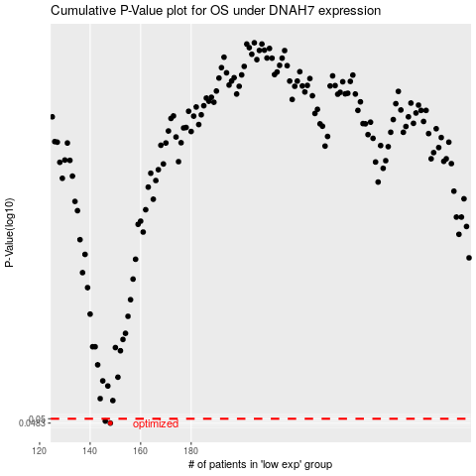

 |  |  |  |  |  | cases_OS | p_OS | rank | exp
 |  |  |  |  |  | 148 | 0.0483 | 314 | -0.16481980762
 |  |  |  |  |  | 146 | 0.0491 | 45 | -0.16509382522
 |  |  |  |  |  |  | cases_RFS | p_RFS | rank | exp
 |  |  |  |  |  |  | 147 | 0.0483 | 114 | -0.16505638182
 |  |  |  |  |  |  | 145 | 0.0491 | 213 | -0.16541890201

