DNAJA4 _multivariate
Reported by Tex Li-Hsing Chi. tex@gate.sinica.edu.tw 2019-08-20

Table 2. The clinicopathological features of HNSCC cohort and DNAJA4 expression. (Chi square test)
Cutoff at -0.209 (50.0%)
 |  | DNAJA4 expression |  | DNAJA4 expression |  | (Optimised)
 | Features | Low | (%) | High | (%) | Case no | P-value | Remark | Matthews
Gender | Female | 164 | 39.5 | 142 | 34.2 | 415 | 0.0153 | 1 | 0
2 | Male | 43 | 10.4 | 66 | 15.9
Age at diagnosis | <=65y | 134 | 32.3 | 140 | 33.7 | 415 | 0.6529 | 0 | 0
4 | >65y | 73 | 17.6 | 68 | 16.4
Clinical T Status | T1+T2 | 66 | 15.9 | 83 | 20 | 415 | 0.1095 | 0 | 0
6 | T3+T4 | 141 | 34 | 125 | 30.1
Clinical N Status | N0 | 98 | 23.6 | 118 | 28.4 | 415 | 0.0694 | 0 | 0
8 | N1-3 | 109 | 26.3 | 90 | 21.7
Clinical M Status | M0 | 205 | 49.4 | 207 | 49.9 | 415 | 0.6232 | 0 | 0
10 | M1 | 2 | 0.5 | 1 | 0.2
Clinical Stage | Stage I+II | 45 | 10.8 | 57 | 13.7 | 415 | 0.2202 | 0 | 0
12 | Stage III+IV | 162 | 39 | 151 | 36.4
Surgical Margin status | Negative | 164 | 39.5 | 154 | 37.1 | 415 | 0.2462 | 0 | 0
14 | Positive | 43 | 10.4 | 54 | 13
Tobacco Exposure | Low | 73 | 17.6 | 88 | 21.2 | 415 | 0.1587 | 0 | 0
16 | High | 134 | 32.3 | 120 | 28.9

Table 3. Univariate/Multivariate Cox's proportional hazards regression analyses on OS time of DNAJA4 gene expression in HNSCC

 |  | Univariate |  |  |  | Multivariate
 | Features | HR | CI95%(L) | CI95%(H) | P-value | HR | CI95%(L) | CI95%(H) | P-value
1 | Female | 1 |  |  |  | 1
Gender | Male | 1.157 | 0.843 | 1.587 | 0.367 | 1.199 | 0.857 | 1.677 | 0.29
11 | <=65y | 1 |  |  |  | 1
Age at diagnosis | >65y | 1.329 | 0.99 | 1.784 | 0.058 | 1.394 | 1.025 | 1.896 | 0.034
12 | T1+T2 | 1 |  |  |  | 1
Clinical T Status | T3+T4 | 1.409 | 1.028 | 1.931 | 0.033 | 2.208 | 1.167 | 4.179 | 0.015
13 | N0 | 1 |  |  |  | 1
Clinical N Status | N1-3 | 1.185 | 0.89 | 1.577 | 0.246 | 1.243 | 0.87 | 1.777 | 0.231
14 | M0 | 1 |  |  |  | 1
Clinical M Status | M1 | 4.097 | 1.009 | 16.644 | 0.049 | 9.468 | 2.059 | 43.529 | 0.004
15 | Stage I+II | 1 |  |  |  | 1
Clinical Stage | Stage III+IV | 1.245 | 0.882 | 1.759 | 0.213 | 0.503 | 0.234 | 1.081 | 0.078
16 | Negative | 1 |  |  |  | 1
Surgical Margin status | Positive | 1.591 | 1.155 | 2.191 | 0.004 | 1.667 | 1.204 | 2.309 | 0.002
17 | Low | 1 |  |  |  | 1
Tobacco Exposure | High | 1.364 | 1.008 | 1.844 | 0.044 | 1.455 | 1.055 | 2.007 | 0.022
18 | Low | 1 |  |  |  | 1
RNAseq(z-score) | High | 0.966 | 0.725 | 1.286 | 0.812 | 1.02 | 0.76 | 1.369 | 0.893

Table 4. Univariate/Multivariate Cox's proportional hazards regression analyses on RFS time of DNAJA4 gene expression in HNSCC

 |  | Univariate |  |  |  | Multivariate
 | Features | HR | CI95%(L) | CI95%(H) | P-value | HR | CI95%(L) | CI95%(H) | P-value
1 | Female | 1 |  |  |  | 1
Gender | Male | 1.157 | 0.843 | 1.587 | 0.367 | 1.199 | 0.857 | 1.677 | 0.29
11 | <=65y | 1 |  |  |  | 1
Age at diagnosis | >65y | 1.329 | 0.99 | 1.784 | 0.058 | 1.394 | 1.025 | 1.896 | 0.034
12 | T1+T2 | 1 |  |  |  | 1
Clinical T Status | T3+T4 | 1.409 | 1.028 | 1.931 | 0.033 | 2.208 | 1.167 | 4.179 | 0.015
13 | N0 | 1 |  |  |  | 1
Clinical N Status | N1-3 | 1.185 | 0.89 | 1.577 | 0.246 | 1.243 | 0.87 | 1.777 | 0.231
14 | M0 | 1 |  |  |  | 1
Clinical M Status | M1 | 4.097 | 1.009 | 16.644 | 0.049 | 9.468 | 2.059 | 43.529 | 0.004
15 | Stage I+II | 1 |  |  |  | 1
Clinical Stage | Stage III+IV | 1.245 | 0.882 | 1.759 | 0.213 | 0.503 | 0.234 | 1.081 | 0.078
16 | Negative | 1 |  |  |  | 1
Surgical Margin status | Positive | 1.591 | 1.155 | 2.191 | 0.004 | 1.667 | 1.204 | 2.309 | 0.002
17 | Low | 1 |  |  |  | 1
Tobacco Exposure | High | 1.364 | 1.008 | 1.844 | 0.044 | 1.455 | 1.055 | 2.007 | 0.022
18 | Low | 1 |  |  |  | 1
RNAseq(z-score) | High | 0.966 | 0.725 | 1.286 | 0.812 | 1.02 | 0.76 | 1.369 | 0.893

Kaplan-Meier survival estimate: Cutoff at -0.209 (50.0%)

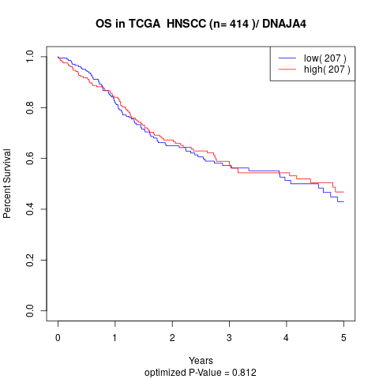

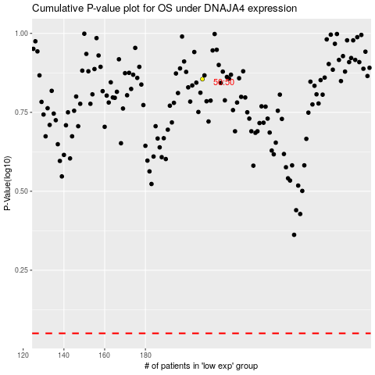

 |  |  |  |  |  | cases_OS | p_OS | rank | exp
 |  |  |  |  |  |  | cases_RFS | p_RFS | rank | exp

