DNAJB11 _multivariate
Reported by Tex Li-Hsing Chi. tex@gate.sinica.edu.tw 2019-08-20

Table 2. The clinicopathological features of HNSCC cohort and DNAJB11 expression. (Chi square test)
Cutoff at -0.511 (30.2%)
 |  | DNAJB11 expression |  | DNAJB11 expression |  | (Optimised)
 | Features | Low | (%) | High | (%) | Case no | P-value | Remark | Matthews
Gender | Female | 83 | 20 | 223 | 53.7 | 415 | 0.0351 | 1 | 0
2 | Male | 42 | 10.1 | 67 | 16.1
Age at diagnosis | <=65y | 77 | 18.6 | 197 | 47.5 | 415 | 0.2558 | 0 | 0
4 | >65y | 48 | 11.6 | 93 | 22.4
Clinical T Status | T1+T2 | 44 | 10.6 | 105 | 25.3 | 415 | 0.9325 | 0 | 0
6 | T3+T4 | 81 | 19.5 | 185 | 44.6
Clinical N Status | N0 | 63 | 15.2 | 153 | 36.9 | 415 | 0.7383 | 0 | 0
8 | N1-3 | 62 | 14.9 | 137 | 33
Clinical M Status | M0 | 125 | 30.1 | 287 | 69.2 | 415 | 0.5571 | 0 | 0
10 | M1 | 0 | 0 | 3 | 0.7
Clinical Stage | Stage I+II | 32 | 7.7 | 70 | 16.9 | 415 | 0.8469 | 0 | 0
12 | Stage III+IV | 93 | 22.4 | 220 | 53
Surgical Margin status | Negative | 96 | 23.1 | 222 | 53.5 | 415 | 1 | 0 | 0
14 | Positive | 29 | 7 | 68 | 16.4
Tobacco Exposure | Low | 63 | 15.2 | 98 | 23.6 | 415 | 0.002 | 1 | 0
16 | High | 62 | 14.9 | 192 | 46.3

Table 3. Univariate/Multivariate Cox's proportional hazards regression analyses on OS time of DNAJB11 gene expression in HNSCC

 |  | Univariate |  |  |  | Multivariate
 | Features | HR | CI95%(L) | CI95%(H) | P-value | HR | CI95%(L) | CI95%(H) | P-value
1 | Female | 1 |  |  |  | 1
Gender | Male | 1.157 | 0.843 | 1.587 | 0.367 | 1.258 | 0.899 | 1.759 | 0.18
11 | <=65y | 1 |  |  |  | 1
Age at diagnosis | >65y | 1.329 | 0.99 | 1.784 | 0.058 | 1.373 | 1.011 | 1.865 | 0.043
12 | T1+T2 | 1 |  |  |  | 1
Clinical T Status | T3+T4 | 1.409 | 1.028 | 1.931 | 0.033 | 2.277 | 1.202 | 4.314 | 0.012
13 | N0 | 1 |  |  |  | 1
Clinical N Status | N1-3 | 1.185 | 0.89 | 1.577 | 0.246 | 1.258 | 0.881 | 1.797 | 0.207
14 | M0 | 1 |  |  |  | 1
Clinical M Status | M1 | 4.097 | 1.009 | 16.644 | 0.049 | 8.78 | 1.913 | 40.306 | 0.005
15 | Stage I+II | 1 |  |  |  | 1
Clinical Stage | Stage III+IV | 1.245 | 0.882 | 1.759 | 0.213 | 0.487 | 0.227 | 1.045 | 0.065
16 | Negative | 1 |  |  |  | 1
Surgical Margin status | Positive | 1.591 | 1.155 | 2.191 | 0.004 | 1.719 | 1.24 | 2.381 | 0.001
17 | Low | 1 |  |  |  | 1
Tobacco Exposure | High | 1.364 | 1.008 | 1.844 | 0.044 | 1.351 | 0.975 | 1.871 | 0.07
18 | Low | 1 |  |  |  | 1
RNAseq(z-score) | High | 1.412 | 1.023 | 1.947 | 0.036 | 1.459 | 1.043 | 2.04 | 0.027

Table 4. Univariate/Multivariate Cox's proportional hazards regression analyses on RFS time of DNAJB11 gene expression in HNSCC

 |  | Univariate |  |  |  | Multivariate
 | Features | HR | CI95%(L) | CI95%(H) | P-value | HR | CI95%(L) | CI95%(H) | P-value
1 | Female | 1 |  |  |  | 1
Gender | Male | 1.157 | 0.843 | 1.587 | 0.367 | 1.258 | 0.899 | 1.759 | 0.18
11 | <=65y | 1 |  |  |  | 1
Age at diagnosis | >65y | 1.329 | 0.99 | 1.784 | 0.058 | 1.373 | 1.011 | 1.865 | 0.043
12 | T1+T2 | 1 |  |  |  | 1
Clinical T Status | T3+T4 | 1.409 | 1.028 | 1.931 | 0.033 | 2.277 | 1.202 | 4.314 | 0.012
13 | N0 | 1 |  |  |  | 1
Clinical N Status | N1-3 | 1.185 | 0.89 | 1.577 | 0.246 | 1.258 | 0.881 | 1.797 | 0.207
14 | M0 | 1 |  |  |  | 1
Clinical M Status | M1 | 4.097 | 1.009 | 16.644 | 0.049 | 8.78 | 1.913 | 40.306 | 0.005
15 | Stage I+II | 1 |  |  |  | 1
Clinical Stage | Stage III+IV | 1.245 | 0.882 | 1.759 | 0.213 | 0.487 | 0.227 | 1.045 | 0.065
16 | Negative | 1 |  |  |  | 1
Surgical Margin status | Positive | 1.591 | 1.155 | 2.191 | 0.004 | 1.719 | 1.24 | 2.381 | 0.001
17 | Low | 1 |  |  |  | 1
Tobacco Exposure | High | 1.364 | 1.008 | 1.844 | 0.044 | 1.351 | 0.975 | 1.871 | 0.07
18 | Low | 1 |  |  |  | 1
RNAseq(z-score) | High | 1.412 | 1.023 | 1.947 | 0.036 | 1.459 | 1.043 | 2.04 | 0.027

Kaplan-Meier survival estimate: Cutoff at -0.511 (30.2%)



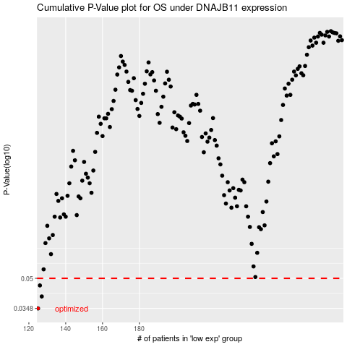

 |  |  |  |  |  | cases_OS | p_OS | rank | exp
 |  |  |  |  |  | 125 | 0.0348 | 1 | -0.51093289879
 |  |  |  |  |  | 127 | 0.0402 | 377 | -0.50040793215
 |  |  |  |  |  | 126 | 0.0459 | 9 | -0.50398555417
 |  |  |  |  |  |  | cases_RFS | p_RFS | rank | exp
 |  |  |  |  |  |  |  | 0.0348 | 2 | -0.51528732476
 |  |  |  |  |  |  | 126 | 0.0402 | 9 | -0.50398555417
 |  |  |  |  |  |  | 125 | 0.0459 | 1 | -0.51093289879

