DNAJB2 _multivariate
Reported by Tex Li-Hsing Chi. tex@gate.sinica.edu.tw 2019-08-20

Table 2. The clinicopathological features of HNSCC cohort and DNAJB2 expression. (Chi square test)
Cutoff at -0.214 (50.0%)
 |  | DNAJB2 expression |  | DNAJB2 expression |  | (Optimised)
 | Features | Low | (%) | High | (%) | Case no | P-value | Remark | Matthews
Gender | Female | 154 | 37.1 | 152 | 36.6 | 415 | 0.8463 | 0 | 0
2 | Male | 53 | 12.8 | 56 | 13.5
Age at diagnosis | <=65y | 131 | 31.6 | 143 | 34.5 | 415 | 0.2839 | 0 | 0
4 | >65y | 76 | 18.3 | 65 | 15.7
Clinical T Status | T1+T2 | 69 | 16.6 | 80 | 19.3 | 415 | 0.3239 | 0 | 0
6 | T3+T4 | 138 | 33.3 | 128 | 30.8
Clinical N Status | N0 | 105 | 25.3 | 111 | 26.7 | 415 | 0.6598 | 0 | 0
8 | N1-3 | 102 | 24.6 | 97 | 23.4
Clinical M Status | M0 | 206 | 49.6 | 206 | 49.6 | 415 | 1 | 0 | 0
10 | M1 | 1 | 0.2 | 2 | 0.5
Clinical Stage | Stage I+II | 45 | 10.8 | 57 | 13.7 | 415 | 0.2202 | 0 | 0
12 | Stage III+IV | 162 | 39 | 151 | 36.4
Surgical Margin status | Negative | 154 | 37.1 | 164 | 39.5 | 415 | 0.2984 | 0 | 0
14 | Positive | 53 | 12.8 | 44 | 10.6
Tobacco Exposure | Low | 78 | 18.8 | 83 | 20 | 415 | 0.6873 | 0 | 0
16 | High | 129 | 31.1 | 125 | 30.1

Table 3. Univariate/Multivariate Cox's proportional hazards regression analyses on OS time of DNAJB2 gene expression in HNSCC

 |  | Univariate |  |  |  | Multivariate
 | Features | HR | CI95%(L) | CI95%(H) | P-value | HR | CI95%(L) | CI95%(H) | P-value
1 | Female | 1 |  |  |  | 1
Gender | Male | 1.157 | 0.843 | 1.587 | 0.367 | 1.211 | 0.866 | 1.693 | 0.263
11 | <=65y | 1 |  |  |  | 1
Age at diagnosis | >65y | 1.329 | 0.99 | 1.784 | 0.058 | 1.389 | 1.022 | 1.888 | 0.036
12 | T1+T2 | 1 |  |  |  | 1
Clinical T Status | T3+T4 | 1.409 | 1.028 | 1.931 | 0.033 | 2.213 | 1.17 | 4.185 | 0.015
13 | N0 | 1 |  |  |  | 1
Clinical N Status | N1-3 | 1.185 | 0.89 | 1.577 | 0.246 | 1.235 | 0.865 | 1.763 | 0.246
14 | M0 | 1 |  |  |  | 1
Clinical M Status | M1 | 4.097 | 1.009 | 16.644 | 0.049 | 9.739 | 2.114 | 44.867 | 0.003
15 | Stage I+II | 1 |  |  |  | 1
Clinical Stage | Stage III+IV | 1.245 | 0.882 | 1.759 | 0.213 | 0.501 | 0.233 | 1.077 | 0.077
16 | Negative | 1 |  |  |  | 1
Surgical Margin status | Positive | 1.591 | 1.155 | 2.191 | 0.004 | 1.675 | 1.212 | 2.314 | 0.002
17 | Low | 1 |  |  |  | 1
Tobacco Exposure | High | 1.364 | 1.008 | 1.844 | 0.044 | 1.454 | 1.055 | 2.003 | 0.022
18 | Low | 1 |  |  |  | 1
RNAseq(z-score) | High | 0.929 | 0.697 | 1.237 | 0.614 | 0.922 | 0.69 | 1.231 | 0.581

Table 4. Univariate/Multivariate Cox's proportional hazards regression analyses on RFS time of DNAJB2 gene expression in HNSCC

 |  | Univariate |  |  |  | Multivariate
 | Features | HR | CI95%(L) | CI95%(H) | P-value | HR | CI95%(L) | CI95%(H) | P-value
1 | Female | 1 |  |  |  | 1
Gender | Male | 1.157 | 0.843 | 1.587 | 0.367 | 1.211 | 0.866 | 1.693 | 0.263
11 | <=65y | 1 |  |  |  | 1
Age at diagnosis | >65y | 1.329 | 0.99 | 1.784 | 0.058 | 1.389 | 1.022 | 1.888 | 0.036
12 | T1+T2 | 1 |  |  |  | 1
Clinical T Status | T3+T4 | 1.409 | 1.028 | 1.931 | 0.033 | 2.213 | 1.17 | 4.185 | 0.015
13 | N0 | 1 |  |  |  | 1
Clinical N Status | N1-3 | 1.185 | 0.89 | 1.577 | 0.246 | 1.235 | 0.865 | 1.763 | 0.246
14 | M0 | 1 |  |  |  | 1
Clinical M Status | M1 | 4.097 | 1.009 | 16.644 | 0.049 | 9.739 | 2.114 | 44.867 | 0.003
15 | Stage I+II | 1 |  |  |  | 1
Clinical Stage | Stage III+IV | 1.245 | 0.882 | 1.759 | 0.213 | 0.501 | 0.233 | 1.077 | 0.077
16 | Negative | 1 |  |  |  | 1
Surgical Margin status | Positive | 1.591 | 1.155 | 2.191 | 0.004 | 1.675 | 1.212 | 2.314 | 0.002
17 | Low | 1 |  |  |  | 1
Tobacco Exposure | High | 1.364 | 1.008 | 1.844 | 0.044 | 1.454 | 1.055 | 2.003 | 0.022
18 | Low | 1 |  |  |  | 1
RNAseq(z-score) | High | 0.929 | 0.697 | 1.237 | 0.614 | 0.922 | 0.69 | 1.231 | 0.581

Kaplan-Meier survival estimate: Cutoff at -0.214 (50.0%)



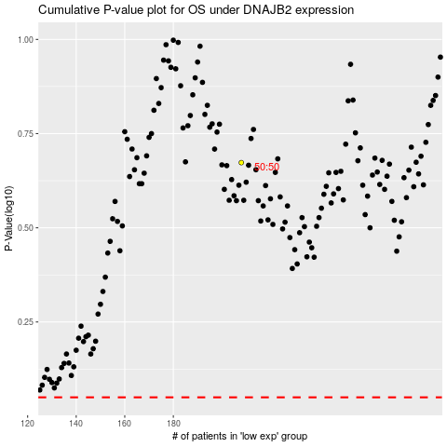

 |  |  |  |  |  | cases_OS | p_OS | rank | exp
 |  |  |  |  |  |  | cases_RFS | p_RFS | rank | exp

