DNAJC10 _multivariate
Reported by Tex Li-Hsing Chi. tex@gate.sinica.edu.tw 2019-08-20

Table 2. The clinicopathological features of HNSCC cohort and DNAJC10 expression. (Chi square test)
Cutoff at -0.056 (49.8%)
 |  | DNAJC10 expression |  | DNAJC10 expression |  | (Optimised)
 | Features | Low | (%) | High | (%) | Case no | P-value | Remark | Matthews
Gender | Female | 148 | 35.7 | 158 | 38.1 | 415 | 0.3567 | 0 | 0
2 | Male | 59 | 14.2 | 50 | 12
Age at diagnosis | <=65y | 138 | 33.3 | 136 | 32.8 | 415 | 0.8634 | 0 | 0
4 | >65y | 69 | 16.6 | 72 | 17.3
Clinical T Status | T1+T2 | 77 | 18.6 | 72 | 17.3 | 415 | 0.6556 | 0 | 0
6 | T3+T4 | 130 | 31.3 | 136 | 32.8
Clinical N Status | N0 | 107 | 25.8 | 109 | 26.3 | 415 | 0.9624 | 0 | 0
8 | N1-3 | 100 | 24.1 | 99 | 23.9
Clinical M Status | M0 | 205 | 49.4 | 207 | 49.9 | 415 | 0.6232 | 0 | 0
10 | M1 | 2 | 0.5 | 1 | 0.2
Clinical Stage | Stage I+II | 50 | 12 | 52 | 12.5 | 415 | 0.9315 | 0 | 0
12 | Stage III+IV | 157 | 37.8 | 156 | 37.6
Surgical Margin status | Negative | 159 | 38.3 | 159 | 38.3 | 415 | 1 | 0 | 0
14 | Positive | 48 | 11.6 | 49 | 11.8
Tobacco Exposure | Low | 88 | 21.2 | 73 | 17.6 | 415 | 0.1314 | 0 | 0
16 | High | 119 | 28.7 | 135 | 32.5

Table 3. Univariate/Multivariate Cox's proportional hazards regression analyses on OS time of DNAJC10 gene expression in HNSCC

 |  | Univariate |  |  |  | Multivariate
 | Features | HR | CI95%(L) | CI95%(H) | P-value | HR | CI95%(L) | CI95%(H) | P-value
1 | Female | 1 |  |  |  | 1
Gender | Male | 1.157 | 0.843 | 1.587 | 0.367 | 1.206 | 0.863 | 1.685 | 0.273
11 | <=65y | 1 |  |  |  | 1
Age at diagnosis | >65y | 1.329 | 0.99 | 1.784 | 0.058 | 1.393 | 1.025 | 1.894 | 0.034
12 | T1+T2 | 1 |  |  |  | 1
Clinical T Status | T3+T4 | 1.409 | 1.028 | 1.931 | 0.033 | 2.197 | 1.162 | 4.154 | 0.015
13 | N0 | 1 |  |  |  | 1
Clinical N Status | N1-3 | 1.185 | 0.89 | 1.577 | 0.246 | 1.238 | 0.867 | 1.767 | 0.24
14 | M0 | 1 |  |  |  | 1
Clinical M Status | M1 | 4.097 | 1.009 | 16.644 | 0.049 | 9.448 | 2.061 | 43.317 | 0.004
15 | Stage I+II | 1 |  |  |  | 1
Clinical Stage | Stage III+IV | 1.245 | 0.882 | 1.759 | 0.213 | 0.508 | 0.236 | 1.091 | 0.082
16 | Negative | 1 |  |  |  | 1
Surgical Margin status | Positive | 1.591 | 1.155 | 2.191 | 0.004 | 1.68 | 1.214 | 2.324 | 0.002
17 | Low | 1 |  |  |  | 1
Tobacco Exposure | High | 1.364 | 1.008 | 1.844 | 0.044 | 1.451 | 1.053 | 1.999 | 0.023
18 | Low | 1 |  |  |  | 1
RNAseq(z-score) | High | 1.013 | 0.761 | 1.35 | 0.928 | 1.053 | 0.788 | 1.407 | 0.727

Table 4. Univariate/Multivariate Cox's proportional hazards regression analyses on RFS time of DNAJC10 gene expression in HNSCC

 |  | Univariate |  |  |  | Multivariate
 | Features | HR | CI95%(L) | CI95%(H) | P-value | HR | CI95%(L) | CI95%(H) | P-value
1 | Female | 1 |  |  |  | 1
Gender | Male | 1.157 | 0.843 | 1.587 | 0.367 | 1.206 | 0.863 | 1.685 | 0.273
11 | <=65y | 1 |  |  |  | 1
Age at diagnosis | >65y | 1.329 | 0.99 | 1.784 | 0.058 | 1.393 | 1.025 | 1.894 | 0.034
12 | T1+T2 | 1 |  |  |  | 1
Clinical T Status | T3+T4 | 1.409 | 1.028 | 1.931 | 0.033 | 2.197 | 1.162 | 4.154 | 0.015
13 | N0 | 1 |  |  |  | 1
Clinical N Status | N1-3 | 1.185 | 0.89 | 1.577 | 0.246 | 1.238 | 0.867 | 1.767 | 0.24
14 | M0 | 1 |  |  |  | 1
Clinical M Status | M1 | 4.097 | 1.009 | 16.644 | 0.049 | 9.448 | 2.061 | 43.317 | 0.004
15 | Stage I+II | 1 |  |  |  | 1
Clinical Stage | Stage III+IV | 1.245 | 0.882 | 1.759 | 0.213 | 0.508 | 0.236 | 1.091 | 0.082
16 | Negative | 1 |  |  |  | 1
Surgical Margin status | Positive | 1.591 | 1.155 | 2.191 | 0.004 | 1.68 | 1.214 | 2.324 | 0.002
17 | Low | 1 |  |  |  | 1
Tobacco Exposure | High | 1.364 | 1.008 | 1.844 | 0.044 | 1.451 | 1.053 | 1.999 | 0.023
18 | Low | 1 |  |  |  | 1
RNAseq(z-score) | High | 1.013 | 0.761 | 1.35 | 0.928 | 1.053 | 0.788 | 1.407 | 0.727

Kaplan-Meier survival estimate: Cutoff at -0.056 (49.8%)



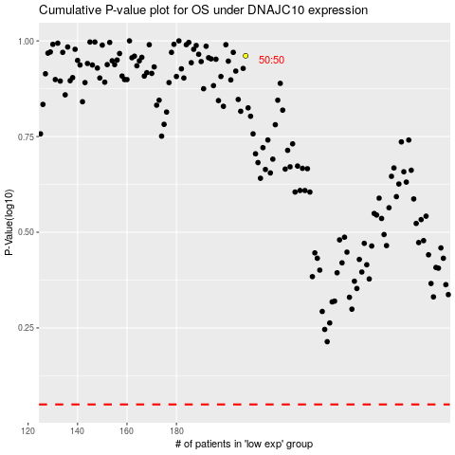

 |  |  |  |  |  | cases_OS | p_OS | rank | exp
 |  |  |  |  |  |  | cases_RFS | p_RFS | rank | exp

