DNAJC12 _multivariate
Reported by Tex Li-Hsing Chi. tex@gate.sinica.edu.tw 2019-08-20

Table 2. The clinicopathological features of HNSCC cohort and DNAJC12 expression. (Chi square test)
Cutoff at -0.348 (42.8%)
 |  | DNAJC12 expression |  | DNAJC12 expression |  | (Optimised)
 | Features | Low | (%) | High | (%) | Case no | P-value | Remark | Matthews
Gender | Female | 132 | 31.8 | 174 | 41.9 | 415 | 0.9547 | 0 | 0
2 | Male | 46 | 11.1 | 63 | 15.2
Age at diagnosis | <=65y | 116 | 28 | 158 | 38.1 | 415 | 0.8304 | 0 | 0
4 | >65y | 62 | 14.9 | 79 | 19
Clinical T Status | T1+T2 | 62 | 14.9 | 87 | 21 | 415 | 0.7709 | 0 | 0
6 | T3+T4 | 116 | 28 | 150 | 36.1
Clinical N Status | N0 | 90 | 21.7 | 126 | 30.4 | 415 | 0.6701 | 0 | 0
8 | N1-3 | 88 | 21.2 | 111 | 26.7
Clinical M Status | M0 | 176 | 42.4 | 236 | 56.9 | 415 | 0.5791 | 0 | 0
10 | M1 | 2 | 0.5 | 1 | 0.2
Clinical Stage | Stage I+II | 39 | 9.4 | 63 | 15.2 | 415 | 0.3276 | 0 | 0
12 | Stage III+IV | 139 | 33.5 | 174 | 41.9
Surgical Margin status | Negative | 138 | 33.3 | 180 | 43.4 | 415 | 0.7266 | 0 | 0
14 | Positive | 40 | 9.6 | 57 | 13.7
Tobacco Exposure | Low | 71 | 17.1 | 90 | 21.7 | 415 | 0.7602 | 0 | 0
16 | High | 107 | 25.8 | 147 | 35.4

Table 3. Univariate/Multivariate Cox's proportional hazards regression analyses on OS time of DNAJC12 gene expression in HNSCC

 |  | Univariate |  |  |  | Multivariate
 | Features | HR | CI95%(L) | CI95%(H) | P-value | HR | CI95%(L) | CI95%(H) | P-value
1 | Female | 1 |  |  |  | 1
Gender | Male | 1.157 | 0.843 | 1.587 | 0.367 | 1.184 | 0.848 | 1.654 | 0.321
11 | <=65y | 1 |  |  |  | 1
Age at diagnosis | >65y | 1.329 | 0.99 | 1.784 | 0.058 | 1.404 | 1.034 | 1.907 | 0.03
12 | T1+T2 | 1 |  |  |  | 1
Clinical T Status | T3+T4 | 1.409 | 1.028 | 1.931 | 0.033 | 2.147 | 1.135 | 4.061 | 0.019
13 | N0 | 1 |  |  |  | 1
Clinical N Status | N1-3 | 1.185 | 0.89 | 1.577 | 0.246 | 1.248 | 0.875 | 1.781 | 0.222
14 | M0 | 1 |  |  |  | 1
Clinical M Status | M1 | 4.097 | 1.009 | 16.644 | 0.049 | 10.222 | 2.226 | 46.949 | 0.003
15 | Stage I+II | 1 |  |  |  | 1
Clinical Stage | Stage III+IV | 1.245 | 0.882 | 1.759 | 0.213 | 0.523 | 0.244 | 1.124 | 0.097
16 | Negative | 1 |  |  |  | 1
Surgical Margin status | Positive | 1.591 | 1.155 | 2.191 | 0.004 | 1.664 | 1.204 | 2.298 | 0.002
17 | Low | 1 |  |  |  | 1
Tobacco Exposure | High | 1.364 | 1.008 | 1.844 | 0.044 | 1.414 | 1.027 | 1.945 | 0.034
18 | Low | 1 |  |  |  | 1
RNAseq(z-score) | High | 1.37 | 1.018 | 1.843 | 0.038 | 1.37 | 1.016 | 1.847 | 0.039

Table 4. Univariate/Multivariate Cox's proportional hazards regression analyses on RFS time of DNAJC12 gene expression in HNSCC

 |  | Univariate |  |  |  | Multivariate
 | Features | HR | CI95%(L) | CI95%(H) | P-value | HR | CI95%(L) | CI95%(H) | P-value
1 | Female | 1 |  |  |  | 1
Gender | Male | 1.157 | 0.843 | 1.587 | 0.367 | 1.184 | 0.848 | 1.654 | 0.321
11 | <=65y | 1 |  |  |  | 1
Age at diagnosis | >65y | 1.329 | 0.99 | 1.784 | 0.058 | 1.404 | 1.034 | 1.907 | 0.03
12 | T1+T2 | 1 |  |  |  | 1
Clinical T Status | T3+T4 | 1.409 | 1.028 | 1.931 | 0.033 | 2.147 | 1.135 | 4.061 | 0.019
13 | N0 | 1 |  |  |  | 1
Clinical N Status | N1-3 | 1.185 | 0.89 | 1.577 | 0.246 | 1.248 | 0.875 | 1.781 | 0.222
14 | M0 | 1 |  |  |  | 1
Clinical M Status | M1 | 4.097 | 1.009 | 16.644 | 0.049 | 10.222 | 2.226 | 46.949 | 0.003
15 | Stage I+II | 1 |  |  |  | 1
Clinical Stage | Stage III+IV | 1.245 | 0.882 | 1.759 | 0.213 | 0.523 | 0.244 | 1.124 | 0.097
16 | Negative | 1 |  |  |  | 1
Surgical Margin status | Positive | 1.591 | 1.155 | 2.191 | 0.004 | 1.664 | 1.204 | 2.298 | 0.002
17 | Low | 1 |  |  |  | 1
Tobacco Exposure | High | 1.364 | 1.008 | 1.844 | 0.044 | 1.414 | 1.027 | 1.945 | 0.034
18 | Low | 1 |  |  |  | 1
RNAseq(z-score) | High | 1.37 | 1.018 | 1.843 | 0.038 | 1.37 | 1.016 | 1.847 | 0.039

Kaplan-Meier survival estimate: Cutoff at -0.348 (42.8%)



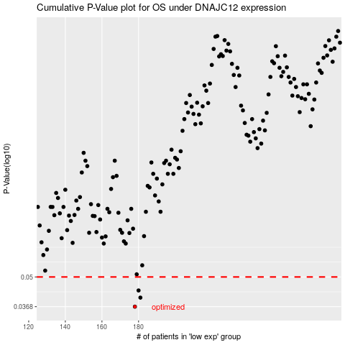

 |  |  |  |  |  | cases_OS | p_OS | rank | exp
 |  |  |  |  |  | 178 | 0.0368 | 115 | -0.34764032432
 |  |  |  |  |  | 181 | 0.0404 | 413 | -0.34188180223
 |  |  |  |  |  | 180 | 0.0435 | 380 | -0.34323037525
 |  |  |  |  |  |  | cases_RFS | p_RFS | rank | exp
 |  |  |  |  |  |  | 177 | 0.0368 | 245 | -0.35281792264
 |  |  |  |  |  |  | 180 | 0.0404 | 380 | -0.34323037525
 |  |  |  |  |  |  | 179 | 0.0435 | 17 | -0.34365223656

