DNAJC13 _multivariate
Reported by Tex Li-Hsing Chi. tex@gate.sinica.edu.tw 2019-08-20

Table 2. The clinicopathological features of HNSCC cohort and DNAJC13 expression. (Chi square test)
Cutoff at -0.129 (49.8%)
 |  | DNAJC13 expression |  | DNAJC13 expression |  | (Optimised)
 | Features | Low | (%) | High | (%) | Case no | P-value | Remark | Matthews
Gender | Female | 149 | 35.9 | 157 | 37.8 | 415 | 0.4848 | 0 | 0
2 | Male | 58 | 14 | 51 | 12.3
Age at diagnosis | <=65y | 133 | 32 | 141 | 34 | 415 | 0.5111 | 0 | 0
4 | >65y | 74 | 17.8 | 67 | 16.1
Clinical T Status | T1+T2 | 69 | 16.6 | 80 | 19.3 | 415 | 0.3239 | 0 | 0
6 | T3+T4 | 138 | 33.3 | 128 | 30.8
Clinical N Status | N0 | 117 | 28.2 | 99 | 23.9 | 415 | 0.0852 | 1 | 0
8 | N1-3 | 90 | 21.7 | 109 | 26.3
Clinical M Status | M0 | 204 | 49.2 | 208 | 50.1 | 415 | 0.1232 | 0 | 0
10 | M1 | 3 | 0.7 | 0 | 0
Clinical Stage | Stage I+II | 51 | 12.3 | 51 | 12.3 | 415 | 1 | 0 | 0
12 | Stage III+IV | 156 | 37.6 | 157 | 37.8
Surgical Margin status | Negative | 148 | 35.7 | 170 | 41 | 415 | 0.015 | 1 | 0
14 | Positive | 59 | 14.2 | 38 | 9.2
Tobacco Exposure | Low | 82 | 19.8 | 79 | 19 | 415 | 0.763 | 0 | 0
16 | High | 125 | 30.1 | 129 | 31.1

Table 3. Univariate/Multivariate Cox's proportional hazards regression analyses on OS time of DNAJC13 gene expression in HNSCC

 |  | Univariate |  |  |  | Multivariate
 | Features | HR | CI95%(L) | CI95%(H) | P-value | HR | CI95%(L) | CI95%(H) | P-value
1 | Female | 1 |  |  |  | 1
Gender | Male | 1.157 | 0.843 | 1.587 | 0.367 | 1.202 | 0.86 | 1.68 | 0.282
11 | <=65y | 1 |  |  |  | 1
Age at diagnosis | >65y | 1.329 | 0.99 | 1.784 | 0.058 | 1.392 | 1.024 | 1.892 | 0.035
12 | T1+T2 | 1 |  |  |  | 1
Clinical T Status | T3+T4 | 1.409 | 1.028 | 1.931 | 0.033 | 2.204 | 1.162 | 4.181 | 0.016
13 | N0 | 1 |  |  |  | 1
Clinical N Status | N1-3 | 1.185 | 0.89 | 1.577 | 0.246 | 1.24 | 0.869 | 1.771 | 0.236
14 | M0 | 1 |  |  |  | 1
Clinical M Status | M1 | 4.097 | 1.009 | 16.644 | 0.049 | 9.434 | 2.025 | 43.944 | 0.004
15 | Stage I+II | 1 |  |  |  | 1
Clinical Stage | Stage III+IV | 1.245 | 0.882 | 1.759 | 0.213 | 0.504 | 0.235 | 1.083 | 0.079
16 | Negative | 1 |  |  |  | 1
Surgical Margin status | Positive | 1.591 | 1.155 | 2.191 | 0.004 | 1.673 | 1.204 | 2.324 | 0.002
17 | Low | 1 |  |  |  | 1
Tobacco Exposure | High | 1.364 | 1.008 | 1.844 | 0.044 | 1.453 | 1.055 | 2.002 | 0.022
18 | Low | 1 |  |  |  | 1
RNAseq(z-score) | High | 0.884 | 0.663 | 1.177 | 0.397 | 1.004 | 0.747 | 1.35 | 0.979

Table 4. Univariate/Multivariate Cox's proportional hazards regression analyses on RFS time of DNAJC13 gene expression in HNSCC

 |  | Univariate |  |  |  | Multivariate
 | Features | HR | CI95%(L) | CI95%(H) | P-value | HR | CI95%(L) | CI95%(H) | P-value
1 | Female | 1 |  |  |  | 1
Gender | Male | 1.157 | 0.843 | 1.587 | 0.367 | 1.202 | 0.86 | 1.68 | 0.282
11 | <=65y | 1 |  |  |  | 1
Age at diagnosis | >65y | 1.329 | 0.99 | 1.784 | 0.058 | 1.392 | 1.024 | 1.892 | 0.035
12 | T1+T2 | 1 |  |  |  | 1
Clinical T Status | T3+T4 | 1.409 | 1.028 | 1.931 | 0.033 | 2.204 | 1.162 | 4.181 | 0.016
13 | N0 | 1 |  |  |  | 1
Clinical N Status | N1-3 | 1.185 | 0.89 | 1.577 | 0.246 | 1.24 | 0.869 | 1.771 | 0.236
14 | M0 | 1 |  |  |  | 1
Clinical M Status | M1 | 4.097 | 1.009 | 16.644 | 0.049 | 9.434 | 2.025 | 43.944 | 0.004
15 | Stage I+II | 1 |  |  |  | 1
Clinical Stage | Stage III+IV | 1.245 | 0.882 | 1.759 | 0.213 | 0.504 | 0.235 | 1.083 | 0.079
16 | Negative | 1 |  |  |  | 1
Surgical Margin status | Positive | 1.591 | 1.155 | 2.191 | 0.004 | 1.673 | 1.204 | 2.324 | 0.002
17 | Low | 1 |  |  |  | 1
Tobacco Exposure | High | 1.364 | 1.008 | 1.844 | 0.044 | 1.453 | 1.055 | 2.002 | 0.022
18 | Low | 1 |  |  |  | 1
RNAseq(z-score) | High | 0.884 | 0.663 | 1.177 | 0.397 | 1.004 | 0.747 | 1.35 | 0.979

Kaplan-Meier survival estimate: Cutoff at -0.129 (49.8%)



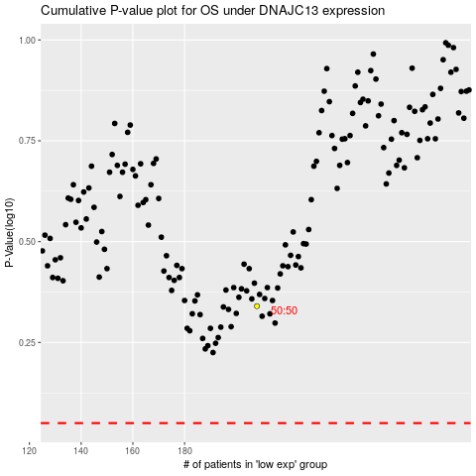

 |  |  |  |  |  | cases_OS | p_OS | rank | exp
 |  |  |  |  |  |  | cases_RFS | p_RFS | rank | exp

