DNAJC19 _multivariate
Reported by Tex Li-Hsing Chi. tex@gate.sinica.edu.tw 2019-08-20

Table 2. The clinicopathological features of HNSCC cohort and DNAJC19 expression. (Chi square test)
Cutoff at -0.303 (49.8%)
 |  | DNAJC19 expression |  | DNAJC19 expression |  | (Optimised)
 | Features | Low | (%) | High | (%) | Case no | P-value | Remark | Matthews
Gender | Female | 140 | 33.7 | 166 | 40 | 415 | 0.0068 | 1 | 0
2 | Male | 67 | 16.1 | 42 | 10.1
Age at diagnosis | <=65y | 130 | 31.3 | 144 | 34.7 | 415 | 0.2009 | 0 | 0
4 | >65y | 77 | 18.6 | 64 | 15.4
Clinical T Status | T1+T2 | 67 | 16.1 | 82 | 19.8 | 415 | 0.1628 | 0 | 0
6 | T3+T4 | 140 | 33.7 | 126 | 30.4
Clinical N Status | N0 | 108 | 26 | 108 | 26 | 415 | 1 | 0 | 0
8 | N1-3 | 99 | 23.9 | 100 | 24.1
Clinical M Status | M0 | 207 | 49.9 | 205 | 49.4 | 415 | 0.2482 | 0 | 0
10 | M1 | 0 | 0 | 3 | 0.7
Clinical Stage | Stage I+II | 50 | 12 | 52 | 12.5 | 415 | 0.9315 | 0 | 0
12 | Stage III+IV | 157 | 37.8 | 156 | 37.6
Surgical Margin status | Negative | 165 | 39.8 | 153 | 36.9 | 415 | 0.1639 | 0 | 0
14 | Positive | 42 | 10.1 | 55 | 13.3
Tobacco Exposure | Low | 90 | 21.7 | 71 | 17.1 | 415 | 0.0559 | 0 | 0
16 | High | 117 | 28.2 | 137 | 33

Table 3. Univariate/Multivariate Cox's proportional hazards regression analyses on OS time of DNAJC19 gene expression in HNSCC

 |  | Univariate |  |  |  | Multivariate
 | Features | HR | CI95%(L) | CI95%(H) | P-value | HR | CI95%(L) | CI95%(H) | P-value
1 | Female | 1 |  |  |  | 1
Gender | Male | 1.157 | 0.843 | 1.587 | 0.367 | 1.214 | 0.868 | 1.698 | 0.257
11 | <=65y | 1 |  |  |  | 1
Age at diagnosis | >65y | 1.329 | 0.99 | 1.784 | 0.058 | 1.386 | 1.02 | 1.885 | 0.037
12 | T1+T2 | 1 |  |  |  | 1
Clinical T Status | T3+T4 | 1.409 | 1.028 | 1.931 | 0.033 | 2.237 | 1.181 | 4.236 | 0.013
13 | N0 | 1 |  |  |  | 1
Clinical N Status | N1-3 | 1.185 | 0.89 | 1.577 | 0.246 | 1.247 | 0.874 | 1.779 | 0.224
14 | M0 | 1 |  |  |  | 1
Clinical M Status | M1 | 4.097 | 1.009 | 16.644 | 0.049 | 9.014 | 1.959 | 41.482 | 0.005
15 | Stage I+II | 1 |  |  |  | 1
Clinical Stage | Stage III+IV | 1.245 | 0.882 | 1.759 | 0.213 | 0.498 | 0.232 | 1.07 | 0.074
16 | Negative | 1 |  |  |  | 1
Surgical Margin status | Positive | 1.591 | 1.155 | 2.191 | 0.004 | 1.667 | 1.206 | 2.304 | 0.002
17 | Low | 1 |  |  |  | 1
Tobacco Exposure | High | 1.364 | 1.008 | 1.844 | 0.044 | 1.431 | 1.037 | 1.976 | 0.029
18 | Low | 1 |  |  |  | 1
RNAseq(z-score) | High | 1.134 | 0.848 | 1.517 | 0.396 | 1.12 | 0.831 | 1.508 | 0.457

Table 4. Univariate/Multivariate Cox's proportional hazards regression analyses on RFS time of DNAJC19 gene expression in HNSCC

 |  | Univariate |  |  |  | Multivariate
 | Features | HR | CI95%(L) | CI95%(H) | P-value | HR | CI95%(L) | CI95%(H) | P-value
1 | Female | 1 |  |  |  | 1
Gender | Male | 1.157 | 0.843 | 1.587 | 0.367 | 1.214 | 0.868 | 1.698 | 0.257
11 | <=65y | 1 |  |  |  | 1
Age at diagnosis | >65y | 1.329 | 0.99 | 1.784 | 0.058 | 1.386 | 1.02 | 1.885 | 0.037
12 | T1+T2 | 1 |  |  |  | 1
Clinical T Status | T3+T4 | 1.409 | 1.028 | 1.931 | 0.033 | 2.237 | 1.181 | 4.236 | 0.013
13 | N0 | 1 |  |  |  | 1
Clinical N Status | N1-3 | 1.185 | 0.89 | 1.577 | 0.246 | 1.247 | 0.874 | 1.779 | 0.224
14 | M0 | 1 |  |  |  | 1
Clinical M Status | M1 | 4.097 | 1.009 | 16.644 | 0.049 | 9.014 | 1.959 | 41.482 | 0.005
15 | Stage I+II | 1 |  |  |  | 1
Clinical Stage | Stage III+IV | 1.245 | 0.882 | 1.759 | 0.213 | 0.498 | 0.232 | 1.07 | 0.074
16 | Negative | 1 |  |  |  | 1
Surgical Margin status | Positive | 1.591 | 1.155 | 2.191 | 0.004 | 1.667 | 1.206 | 2.304 | 0.002
17 | Low | 1 |  |  |  | 1
Tobacco Exposure | High | 1.364 | 1.008 | 1.844 | 0.044 | 1.431 | 1.037 | 1.976 | 0.029
18 | Low | 1 |  |  |  | 1
RNAseq(z-score) | High | 1.134 | 0.848 | 1.517 | 0.396 | 1.12 | 0.831 | 1.508 | 0.457

Kaplan-Meier survival estimate: Cutoff at -0.303 (49.8%)



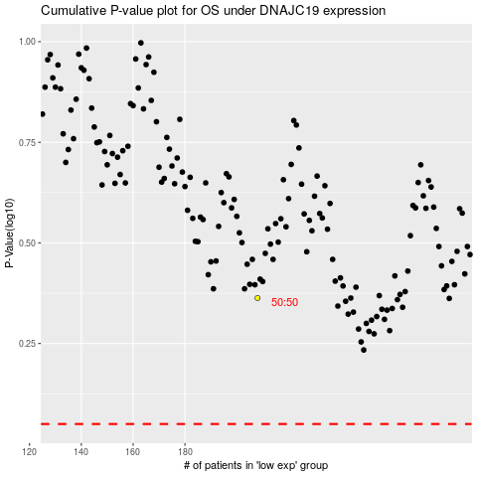

 |  |  |  |  |  | cases_OS | p_OS | rank | exp
 |  |  |  |  |  |  | cases_RFS | p_RFS | rank | exp

