DNAJC21 _multivariate
Reported by Tex Li-Hsing Chi. tex@gate.sinica.edu.tw 2019-08-20

Table 2. The clinicopathological features of HNSCC cohort and DNAJC21 expression. (Chi square test)
Cutoff at -0.296 (49.8%)
 |  | DNAJC21 expression |  | DNAJC21 expression |  | (Optimised)
 | Features | Low | (%) | High | (%) | Case no | P-value | Remark | Matthews
Gender | Female | 139 | 33.5 | 167 | 40.2 | 415 | 0.0034 | 1 | 0
2 | Male | 68 | 16.4 | 41 | 9.9
Age at diagnosis | <=65y | 127 | 30.6 | 147 | 35.4 | 415 | 0.0573 | 0 | 0
4 | >65y | 80 | 19.3 | 61 | 14.7
Clinical T Status | T1+T2 | 83 | 20 | 66 | 15.9 | 415 | 0.0941 | 0 | 0
6 | T3+T4 | 124 | 29.9 | 142 | 34.2
Clinical N Status | N0 | 118 | 28.4 | 98 | 23.6 | 415 | 0.0551 | 1 | 0
8 | N1-3 | 89 | 21.4 | 110 | 26.5
Clinical M Status | M0 | 205 | 49.4 | 207 | 49.9 | 415 | 0.6232 | 0 | 0
10 | M1 | 2 | 0.5 | 1 | 0.2
Clinical Stage | Stage I+II | 60 | 14.5 | 42 | 10.1 | 415 | 0.0493 | 1 | 0
12 | Stage III+IV | 147 | 35.4 | 166 | 40
Surgical Margin status | Negative | 158 | 38.1 | 160 | 38.6 | 415 | 0.9081 | 0 | 0
14 | Positive | 49 | 11.8 | 48 | 11.6
Tobacco Exposure | Low | 95 | 22.9 | 66 | 15.9 | 415 | 0.0035 | 1 | 0
16 | High | 112 | 27 | 142 | 34.2

Table 3. Univariate/Multivariate Cox's proportional hazards regression analyses on OS time of DNAJC21 gene expression in HNSCC

 |  | Univariate |  |  |  | Multivariate
 | Features | HR | CI95%(L) | CI95%(H) | P-value | HR | CI95%(L) | CI95%(H) | P-value
1 | Female | 1 |  |  |  | 1
Gender | Male | 1.157 | 0.843 | 1.587 | 0.367 | 1.17 | 0.83 | 1.648 | 0.37
11 | <=65y | 1 |  |  |  | 1
Age at diagnosis | >65y | 1.329 | 0.99 | 1.784 | 0.058 | 1.389 | 1.021 | 1.888 | 0.036
12 | T1+T2 | 1 |  |  |  | 1
Clinical T Status | T3+T4 | 1.409 | 1.028 | 1.931 | 0.033 | 2.212 | 1.17 | 4.184 | 0.015
13 | N0 | 1 |  |  |  | 1
Clinical N Status | N1-3 | 1.185 | 0.89 | 1.577 | 0.246 | 1.248 | 0.874 | 1.782 | 0.222
14 | M0 | 1 |  |  |  | 1
Clinical M Status | M1 | 4.097 | 1.009 | 16.644 | 0.049 | 9.248 | 2.016 | 42.419 | 0.004
15 | Stage I+II | 1 |  |  |  | 1
Clinical Stage | Stage III+IV | 1.245 | 0.882 | 1.759 | 0.213 | 0.505 | 0.235 | 1.085 | 0.08
16 | Negative | 1 |  |  |  | 1
Surgical Margin status | Positive | 1.591 | 1.155 | 2.191 | 0.004 | 1.675 | 1.212 | 2.315 | 0.002
17 | Low | 1 |  |  |  | 1
Tobacco Exposure | High | 1.364 | 1.008 | 1.844 | 0.044 | 1.473 | 1.066 | 2.035 | 0.019
18 | Low | 1 |  |  |  | 1
RNAseq(z-score) | High | 0.932 | 0.699 | 1.242 | 0.629 | 0.895 | 0.662 | 1.211 | 0.473

Table 4. Univariate/Multivariate Cox's proportional hazards regression analyses on RFS time of DNAJC21 gene expression in HNSCC

 |  | Univariate |  |  |  | Multivariate
 | Features | HR | CI95%(L) | CI95%(H) | P-value | HR | CI95%(L) | CI95%(H) | P-value
1 | Female | 1 |  |  |  | 1
Gender | Male | 1.157 | 0.843 | 1.587 | 0.367 | 1.17 | 0.83 | 1.648 | 0.37
11 | <=65y | 1 |  |  |  | 1
Age at diagnosis | >65y | 1.329 | 0.99 | 1.784 | 0.058 | 1.389 | 1.021 | 1.888 | 0.036
12 | T1+T2 | 1 |  |  |  | 1
Clinical T Status | T3+T4 | 1.409 | 1.028 | 1.931 | 0.033 | 2.212 | 1.17 | 4.184 | 0.015
13 | N0 | 1 |  |  |  | 1
Clinical N Status | N1-3 | 1.185 | 0.89 | 1.577 | 0.246 | 1.248 | 0.874 | 1.782 | 0.222
14 | M0 | 1 |  |  |  | 1
Clinical M Status | M1 | 4.097 | 1.009 | 16.644 | 0.049 | 9.248 | 2.016 | 42.419 | 0.004
15 | Stage I+II | 1 |  |  |  | 1
Clinical Stage | Stage III+IV | 1.245 | 0.882 | 1.759 | 0.213 | 0.505 | 0.235 | 1.085 | 0.08
16 | Negative | 1 |  |  |  | 1
Surgical Margin status | Positive | 1.591 | 1.155 | 2.191 | 0.004 | 1.675 | 1.212 | 2.315 | 0.002
17 | Low | 1 |  |  |  | 1
Tobacco Exposure | High | 1.364 | 1.008 | 1.844 | 0.044 | 1.473 | 1.066 | 2.035 | 0.019
18 | Low | 1 |  |  |  | 1
RNAseq(z-score) | High | 0.932 | 0.699 | 1.242 | 0.629 | 0.895 | 0.662 | 1.211 | 0.473

Kaplan-Meier survival estimate: Cutoff at -0.296 (49.8%)



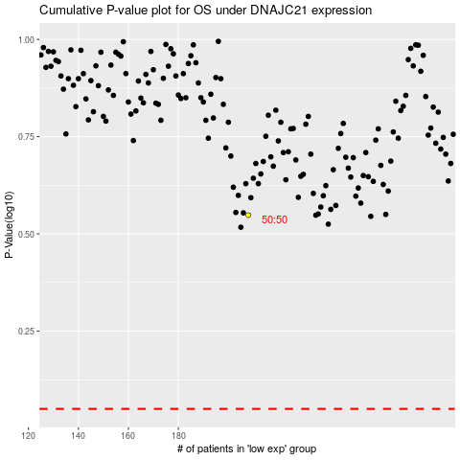

 |  |  |  |  |  | cases_OS | p_OS | rank | exp
 |  |  |  |  |  |  | cases_RFS | p_RFS | rank | exp

