DNAJC24 _multivariate
Reported by Tex Li-Hsing Chi. tex@gate.sinica.edu.tw 2019-08-20

Table 2. The clinicopathological features of HNSCC cohort and DNAJC24 expression. (Chi square test)
Cutoff at 0.102 (61.1%)
 |  | DNAJC24 expression |  | DNAJC24 expression |  | (Optimised)
 | Features | Low | (%) | High | (%) | Case no | P-value | Remark | Matthews
Gender | Female | 180 | 43.4 | 126 | 30.4 | 415 | 0.1203 | 0 | 0
2 | Male | 74 | 17.8 | 35 | 8.4
Age at diagnosis | <=65y | 165 | 39.8 | 109 | 26.3 | 415 | 0.6397 | 0 | 0
4 | >65y | 89 | 21.4 | 52 | 12.5
Clinical T Status | T1+T2 | 85 | 20.5 | 64 | 15.4 | 415 | 0.2317 | 0 | 0
6 | T3+T4 | 169 | 40.7 | 97 | 23.4
Clinical N Status | N0 | 133 | 32 | 83 | 20 | 415 | 0.9521 | 0 | 0
8 | N1-3 | 121 | 29.2 | 78 | 18.8
Clinical M Status | M0 | 251 | 60.5 | 161 | 38.8 | 415 | 0.2859 | 0 | 0
10 | M1 | 3 | 0.7 | 0 | 0
Clinical Stage | Stage I+II | 57 | 13.7 | 45 | 10.8 | 415 | 0.2488 | 0 | 0
12 | Stage III+IV | 197 | 47.5 | 116 | 28
Surgical Margin status | Negative | 203 | 48.9 | 115 | 27.7 | 415 | 0.0566 | 0 | 0
14 | Positive | 51 | 12.3 | 46 | 11.1
Tobacco Exposure | Low | 90 | 21.7 | 71 | 17.1 | 415 | 0.0801 | 0 | 0
16 | High | 164 | 39.5 | 90 | 21.7

Table 3. Univariate/Multivariate Cox's proportional hazards regression analyses on OS time of DNAJC24 gene expression in HNSCC

 |  | Univariate |  |  |  | Multivariate
 | Features | HR | CI95%(L) | CI95%(H) | P-value | HR | CI95%(L) | CI95%(H) | P-value
1 | Female | 1 |  |  |  | 1
Gender | Male | 1.157 | 0.843 | 1.587 | 0.367 | 1.31 | 0.936 | 1.834 | 0.115
11 | <=65y | 1 |  |  |  | 1
Age at diagnosis | >65y | 1.329 | 0.99 | 1.784 | 0.058 | 1.392 | 1.026 | 1.889 | 0.034
12 | T1+T2 | 1 |  |  |  | 1
Clinical T Status | T3+T4 | 1.409 | 1.028 | 1.931 | 0.033 | 2.302 | 1.217 | 4.353 | 0.01
13 | N0 | 1 |  |  |  | 1
Clinical N Status | N1-3 | 1.185 | 0.89 | 1.577 | 0.246 | 1.188 | 0.833 | 1.696 | 0.342
14 | M0 | 1 |  |  |  | 1
Clinical M Status | M1 | 4.097 | 1.009 | 16.644 | 0.049 | 12.681 | 2.73 | 58.895 | 0.001
15 | Stage I+II | 1 |  |  |  | 1
Clinical Stage | Stage III+IV | 1.245 | 0.882 | 1.759 | 0.213 | 0.515 | 0.24 | 1.106 | 0.089
16 | Negative | 1 |  |  |  | 1
Surgical Margin status | Positive | 1.591 | 1.155 | 2.191 | 0.004 | 1.548 | 1.116 | 2.147 | 0.009
17 | Low | 1 |  |  |  | 1
Tobacco Exposure | High | 1.364 | 1.008 | 1.844 | 0.044 | 1.589 | 1.149 | 2.198 | 0.005
18 | Low | 1 |  |  |  | 1
RNAseq(z-score) | High | 1.512 | 1.129 | 2.026 | 0.006 | 1.685 | 1.238 | 2.293 | 0.001

Table 4. Univariate/Multivariate Cox's proportional hazards regression analyses on RFS time of DNAJC24 gene expression in HNSCC

 |  | Univariate |  |  |  | Multivariate
 | Features | HR | CI95%(L) | CI95%(H) | P-value | HR | CI95%(L) | CI95%(H) | P-value
1 | Female | 1 |  |  |  | 1
Gender | Male | 1.157 | 0.843 | 1.587 | 0.367 | 1.31 | 0.936 | 1.834 | 0.115
11 | <=65y | 1 |  |  |  | 1
Age at diagnosis | >65y | 1.329 | 0.99 | 1.784 | 0.058 | 1.392 | 1.026 | 1.889 | 0.034
12 | T1+T2 | 1 |  |  |  | 1
Clinical T Status | T3+T4 | 1.409 | 1.028 | 1.931 | 0.033 | 2.302 | 1.217 | 4.353 | 0.01
13 | N0 | 1 |  |  |  | 1
Clinical N Status | N1-3 | 1.185 | 0.89 | 1.577 | 0.246 | 1.188 | 0.833 | 1.696 | 0.342
14 | M0 | 1 |  |  |  | 1
Clinical M Status | M1 | 4.097 | 1.009 | 16.644 | 0.049 | 12.681 | 2.73 | 58.895 | 0.001
15 | Stage I+II | 1 |  |  |  | 1
Clinical Stage | Stage III+IV | 1.245 | 0.882 | 1.759 | 0.213 | 0.515 | 0.24 | 1.106 | 0.089
16 | Negative | 1 |  |  |  | 1
Surgical Margin status | Positive | 1.591 | 1.155 | 2.191 | 0.004 | 1.548 | 1.116 | 2.147 | 0.009
17 | Low | 1 |  |  |  | 1
Tobacco Exposure | High | 1.364 | 1.008 | 1.844 | 0.044 | 1.589 | 1.149 | 2.198 | 0.005
18 | Low | 1 |  |  |  | 1
RNAseq(z-score) | High | 1.512 | 1.129 | 2.026 | 0.006 | 1.685 | 1.238 | 2.293 | 0.001

Kaplan-Meier survival estimate: Cutoff at 0.102 (61.1%)

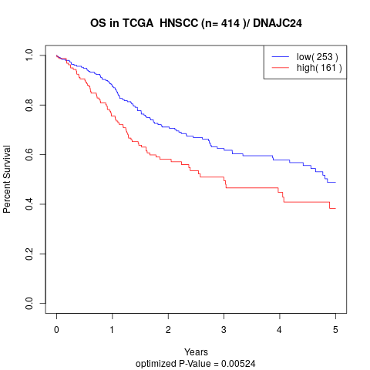

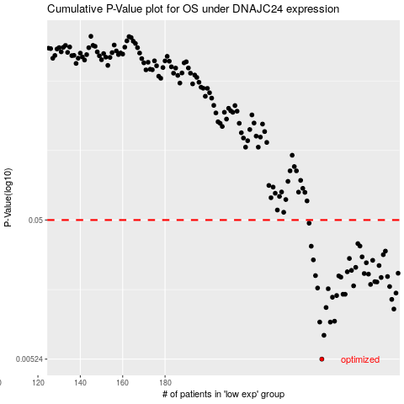

 |  |  |  |  |  | cases_OS | p_OS | rank | exp
 |  |  |  |  |  | 254 | 0.00524 | 68 | 0.10208587994
 |  |  |  |  |  | 255 | 0.00771 | 247 | 0.11589162918
 |  |  |  |  |  | 258 | 0.00955 | 261 | 0.13577930614
 |  |  |  |  |  | 253 | 0.00956 | 183 | 0.099714918511
 |  |  |  |  |  | 260 | 0.00969 | 210 | 0.1454850939
 |  |  |  |  |  | 288 | 0.0118 | 405 | 0.34286435145
 |  |  |  |  |  | 256 | 0.0121 | 361 | 0.11771728141
 |  |  |  |  |  | 287 | 0.0138 | 24 | 0.33424679561
 |  |  |  |  |  | 259 | 0.0143 | 321 | 0.1399985913
 |  |  |  |  |  | 261 | 0.0147 | 326 | 0.14598983304
 |  |  |  |  |  | 264 | 0.015 | 10 | 0.16455063074
 |  |  |  |  |  | 265 | 0.015 | 296 | 0.16732132648
 |  |  |  |  |  | 289 | 0.0153 | 253 | 0.34498831287
 |  |  |  |  |  | 257 | 0.0164 | 232 | 0.11974817036
 |  |  |  |  |  | 252 | 0.0166 | 184 | 0.097353502976
 |  |  |  |  |  | 286 | 0.017 | 96 | 0.3146920317
 |  |  |  |  |  | 269 | 0.0172 | 373 | 0.19098679101
 |  |  |  |  |  | 277 | 0.0176 | 276 | 0.24360495212
 |  |  |  |  |  | 280 | 0.0183 | 260 | 0.28029459581
 |  |  |  |  |  | 279 | 0.0184 | 342 | 0.27822910299
 |  |  |  |  |  | 282 | 0.0197 | 79 | 0.29013044637
 |  |  |  |  |  | 263 | 0.0198 | 130 | 0.16199233114
 |  |  |  |  |  | 285 | 0.02 | 408 | 0.29696649973
 |  |  |  |  |  | 262 | 0.0202 | 154 | 0.15041196845
 |  |  |  |  |  | 251 | 0.0203 | 47 | 0.09526056571
 |  |  |  |  |  | 276 | 0.0208 | 354 | 0.23697771519
 |  |  |  |  |  | 274 | 0.021 | 273 | 0.22330441524
 |  |  |  |  |  | 290 | 0.0211 | 37 | 0.34678294095
 |  |  |  |  |  | 266 | 0.0216 | 4 | 0.16889520576
 |  |  |  |  |  | 268 | 0.0221 | 135 | 0.17720848622
 |  |  |  |  |  | 270 | 0.0232 | 124 | 0.20421024071
 |  |  |  |  |  | 281 | 0.0239 | 295 | 0.28541358149
 |  |  |  |  |  | 275 | 0.025 | 382 | 0.22345118336
 |  |  |  |  |  | 278 | 0.026 | 122 | 0.24577544978
 |  |  |  |  |  | 250 | 0.0262 | 59 | 0.09465798115
 |  |  |  |  |  | 267 | 0.0268 | 235 | 0.17502247649
 |  |  |  |  |  | 273 | 0.0275 | 126 | 0.21767949718
 |  |  |  |  |  | 283 | 0.0285 | 7 | 0.29056836426
 |  |  |  |  |  | 284 | 0.0302 | 120 | 0.29228781842
 |  |  |  |  |  | 249 | 0.0327 | 31 | 0.08965951239
 |  |  |  |  |  | 272 | 0.0328 | 336 | 0.21590157442
 |  |  |  |  |  | 271 | 0.0341 | 20 | 0.20877317806
 |  |  |  |  |  | 248 | 0.0475 | 57 | 0.074017371791
 |  |  |  |  |  |  | cases_RFS | p_RFS | rank | exp
 |  |  |  |  |  |  | 253 | 0.00524 | 183 | 0.099714918511
 |  |  |  |  |  |  | 254 | 0.00771 | 68 | 0.10208587994
 |  |  |  |  |  |  | 257 | 0.00955 | 232 | 0.11974817036
 |  |  |  |  |  |  | 252 | 0.00956 | 184 | 0.097353502976
 |  |  |  |  |  |  | 259 | 0.00969 | 321 | 0.1399985913
 |  |  |  |  |  |  | 287 | 0.0118 | 24 | 0.33424679561
 |  |  |  |  |  |  | 255 | 0.0121 | 247 | 0.11589162918
 |  |  |  |  |  |  | 286 | 0.0138 | 96 | 0.3146920317
 |  |  |  |  |  |  | 258 | 0.0143 | 261 | 0.13577930614
 |  |  |  |  |  |  | 260 | 0.0147 | 210 | 0.1454850939
 |  |  |  |  |  |  | 264 | 0.015 | 10 | 0.16455063074
 |  |  |  |  |  |  | 263 | 0.015 | 130 | 0.16199233114
 |  |  |  |  |  |  | 288 | 0.0153 | 405 | 0.34286435145
 |  |  |  |  |  |  | 256 | 0.0164 | 361 | 0.11771728141
 |  |  |  |  |  |  | 251 | 0.0166 | 47 | 0.09526056571
 |  |  |  |  |  |  | 285 | 0.017 | 408 | 0.29696649973
 |  |  |  |  |  |  | 268 | 0.0172 | 135 | 0.17720848622
 |  |  |  |  |  |  | 276 | 0.0176 | 354 | 0.23697771519
 |  |  |  |  |  |  | 279 | 0.0183 | 342 | 0.27822910299
 |  |  |  |  |  |  | 278 | 0.0184 | 122 | 0.24577544978
 |  |  |  |  |  |  | 281 | 0.0197 | 295 | 0.28541358149
 |  |  |  |  |  |  | 262 | 0.0198 | 154 | 0.15041196845
 |  |  |  |  |  |  | 284 | 0.02 | 120 | 0.29228781842
 |  |  |  |  |  |  | 261 | 0.0202 | 326 | 0.14598983304
 |  |  |  |  |  |  | 250 | 0.0203 | 59 | 0.09465798115
 |  |  |  |  |  |  | 275 | 0.0208 | 382 | 0.22345118336
 |  |  |  |  |  |  | 273 | 0.021 | 126 | 0.21767949718
 |  |  |  |  |  |  | 289 | 0.0211 | 253 | 0.34498831287
 |  |  |  |  |  |  | 265 | 0.0216 | 296 | 0.16732132648
 |  |  |  |  |  |  | 267 | 0.0221 | 235 | 0.17502247649
 |  |  |  |  |  |  | 269 | 0.0232 | 373 | 0.19098679101
 |  |  |  |  |  |  | 280 | 0.0239 | 260 | 0.28029459581
 |  |  |  |  |  |  | 274 | 0.025 | 273 | 0.22330441524
 |  |  |  |  |  |  | 277 | 0.026 | 276 | 0.24360495212
 |  |  |  |  |  |  | 249 | 0.0262 | 31 | 0.08965951239
 |  |  |  |  |  |  | 266 | 0.0268 | 4 | 0.16889520576
 |  |  |  |  |  |  | 272 | 0.0275 | 336 | 0.21590157442
 |  |  |  |  |  |  | 282 | 0.0285 | 79 | 0.29013044637
 |  |  |  |  |  |  | 283 | 0.0302 | 7 | 0.29056836426
 |  |  |  |  |  |  | 248 | 0.0327 | 57 | 0.074017371791
 |  |  |  |  |  |  | 271 | 0.0328 | 20 | 0.20877317806
 |  |  |  |  |  |  | 270 | 0.0341 | 124 | 0.20421024071
 |  |  |  |  |  |  | 247 | 0.0475 | 131 | 0.068928217038

