DNAJC25 _multivariate
Reported by Tex Li-Hsing Chi. tex@gate.sinica.edu.tw 2019-08-20

Table 2. The clinicopathological features of HNSCC cohort and DNAJC25 expression. (Chi square test)
Cutoff at -0.18 (50.0%)
 |  | DNAJC25 expression |  | DNAJC25 expression |  | (Optimised)
 | Features | Low | (%) | High | (%) | Case no | P-value | Remark | Matthews
Gender | Female | 147 | 35.4 | 159 | 38.3 | 415 | 0.2523 | 0 | 0
2 | Male | 60 | 14.5 | 49 | 11.8
Age at diagnosis | <=65y | 132 | 31.8 | 142 | 34.2 | 415 | 0.3874 | 0 | 0
4 | >65y | 75 | 18.1 | 66 | 15.9
Clinical T Status | T1+T2 | 80 | 19.3 | 69 | 16.6 | 415 | 0.2891 | 0 | 0
6 | T3+T4 | 127 | 30.6 | 139 | 33.5
Clinical N Status | N0 | 102 | 24.6 | 114 | 27.5 | 415 | 0.3031 | 0 | 0
8 | N1-3 | 105 | 25.3 | 94 | 22.7
Clinical M Status | M0 | 206 | 49.6 | 206 | 49.6 | 415 | 1 | 0 | 0
10 | M1 | 1 | 0.2 | 2 | 0.5
Clinical Stage | Stage I+II | 50 | 12 | 52 | 12.5 | 415 | 0.9315 | 0 | 0
12 | Stage III+IV | 157 | 37.8 | 156 | 37.6
Surgical Margin status | Negative | 161 | 38.8 | 157 | 37.8 | 415 | 0.6429 | 0 | 0
14 | Positive | 46 | 11.1 | 51 | 12.3
Tobacco Exposure | Low | 86 | 20.7 | 75 | 18.1 | 415 | 0.2687 | 0 | 0
16 | High | 121 | 29.2 | 133 | 32

Table 3. Univariate/Multivariate Cox's proportional hazards regression analyses on OS time of DNAJC25 gene expression in HNSCC

 |  | Univariate |  |  |  | Multivariate
 | Features | HR | CI95%(L) | CI95%(H) | P-value | HR | CI95%(L) | CI95%(H) | P-value
1 | Female | 1 |  |  |  | 1
Gender | Male | 1.157 | 0.843 | 1.587 | 0.367 | 1.192 | 0.853 | 1.665 | 0.304
11 | <=65y | 1 |  |  |  | 1
Age at diagnosis | >65y | 1.329 | 0.99 | 1.784 | 0.058 | 1.405 | 1.032 | 1.912 | 0.031
12 | T1+T2 | 1 |  |  |  | 1
Clinical T Status | T3+T4 | 1.409 | 1.028 | 1.931 | 0.033 | 2.25 | 1.187 | 4.266 | 0.013
13 | N0 | 1 |  |  |  | 1
Clinical N Status | N1-3 | 1.185 | 0.89 | 1.577 | 0.246 | 1.237 | 0.867 | 1.765 | 0.242
14 | M0 | 1 |  |  |  | 1
Clinical M Status | M1 | 4.097 | 1.009 | 16.644 | 0.049 | 9.748 | 2.12 | 44.818 | 0.003
15 | Stage I+II | 1 |  |  |  | 1
Clinical Stage | Stage III+IV | 1.245 | 0.882 | 1.759 | 0.213 | 0.493 | 0.229 | 1.06 | 0.07
16 | Negative | 1 |  |  |  | 1
Surgical Margin status | Positive | 1.591 | 1.155 | 2.191 | 0.004 | 1.691 | 1.222 | 2.34 | 0.002
17 | Low | 1 |  |  |  | 1
Tobacco Exposure | High | 1.364 | 1.008 | 1.844 | 0.044 | 1.465 | 1.062 | 2.019 | 0.02
18 | Low | 1 |  |  |  | 1
RNAseq(z-score) | High | 0.975 | 0.732 | 1.299 | 0.862 | 0.894 | 0.668 | 1.197 | 0.453

Table 4. Univariate/Multivariate Cox's proportional hazards regression analyses on RFS time of DNAJC25 gene expression in HNSCC

 |  | Univariate |  |  |  | Multivariate
 | Features | HR | CI95%(L) | CI95%(H) | P-value | HR | CI95%(L) | CI95%(H) | P-value
1 | Female | 1 |  |  |  | 1
Gender | Male | 1.157 | 0.843 | 1.587 | 0.367 | 1.192 | 0.853 | 1.665 | 0.304
11 | <=65y | 1 |  |  |  | 1
Age at diagnosis | >65y | 1.329 | 0.99 | 1.784 | 0.058 | 1.405 | 1.032 | 1.912 | 0.031
12 | T1+T2 | 1 |  |  |  | 1
Clinical T Status | T3+T4 | 1.409 | 1.028 | 1.931 | 0.033 | 2.25 | 1.187 | 4.266 | 0.013
13 | N0 | 1 |  |  |  | 1
Clinical N Status | N1-3 | 1.185 | 0.89 | 1.577 | 0.246 | 1.237 | 0.867 | 1.765 | 0.242
14 | M0 | 1 |  |  |  | 1
Clinical M Status | M1 | 4.097 | 1.009 | 16.644 | 0.049 | 9.748 | 2.12 | 44.818 | 0.003
15 | Stage I+II | 1 |  |  |  | 1
Clinical Stage | Stage III+IV | 1.245 | 0.882 | 1.759 | 0.213 | 0.493 | 0.229 | 1.06 | 0.07
16 | Negative | 1 |  |  |  | 1
Surgical Margin status | Positive | 1.591 | 1.155 | 2.191 | 0.004 | 1.691 | 1.222 | 2.34 | 0.002
17 | Low | 1 |  |  |  | 1
Tobacco Exposure | High | 1.364 | 1.008 | 1.844 | 0.044 | 1.465 | 1.062 | 2.019 | 0.02
18 | Low | 1 |  |  |  | 1
RNAseq(z-score) | High | 0.975 | 0.732 | 1.299 | 0.862 | 0.894 | 0.668 | 1.197 | 0.453

Kaplan-Meier survival estimate: Cutoff at -0.18 (50.0%)



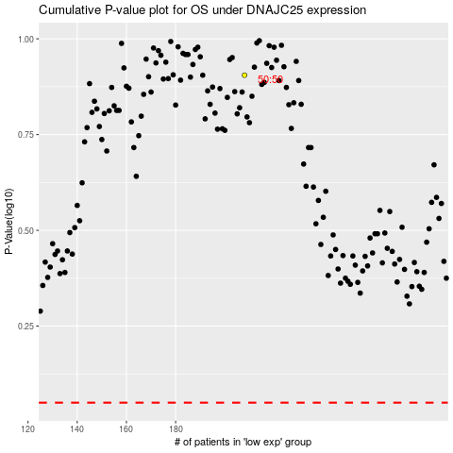

 |  |  |  |  |  | cases_OS | p_OS | rank | exp
 |  |  |  |  |  |  | cases_RFS | p_RFS | rank | exp

