DNAJC3 _multivariate
Reported by Tex Li-Hsing Chi. tex@gate.sinica.edu.tw 2019-08-20

Table 2. The clinicopathological features of HNSCC cohort and DNAJC3 expression. (Chi square test)
Cutoff at -0.117 (49.8%)
 |  | DNAJC3 expression |  | DNAJC3 expression |  | (Optimised)
 | Features | Low | (%) | High | (%) | Case no | P-value | Remark | Matthews
Gender | Female | 159 | 38.3 | 147 | 35.4 | 415 | 0.1905 | 0 | 0
2 | Male | 48 | 11.6 | 61 | 14.7
Age at diagnosis | <=65y | 141 | 34 | 133 | 32 | 415 | 0.4272 | 0 | 0
4 | >65y | 66 | 15.9 | 75 | 18.1
Clinical T Status | T1+T2 | 76 | 18.3 | 73 | 17.6 | 415 | 0.8092 | 0 | 0
6 | T3+T4 | 131 | 31.6 | 135 | 32.5
Clinical N Status | N0 | 105 | 25.3 | 111 | 26.7 | 415 | 0.6598 | 0 | 0
8 | N1-3 | 102 | 24.6 | 97 | 23.4
Clinical M Status | M0 | 204 | 49.2 | 208 | 50.1 | 415 | 0.1232 | 0 | 0
10 | M1 | 3 | 0.7 | 0 | 0
Clinical Stage | Stage I+II | 45 | 10.8 | 57 | 13.7 | 415 | 0.2202 | 0 | 0
12 | Stage III+IV | 162 | 39 | 151 | 36.4
Surgical Margin status | Negative | 151 | 36.4 | 167 | 40.2 | 415 | 0.0828 | 0 | 0
14 | Positive | 56 | 13.5 | 41 | 9.9
Tobacco Exposure | Low | 79 | 19 | 82 | 19.8 | 415 | 0.8405 | 0 | 0
16 | High | 128 | 30.8 | 126 | 30.4

Table 3. Univariate/Multivariate Cox's proportional hazards regression analyses on OS time of DNAJC3 gene expression in HNSCC

 |  | Univariate |  |  |  | Multivariate
 | Features | HR | CI95%(L) | CI95%(H) | P-value | HR | CI95%(L) | CI95%(H) | P-value
1 | Female | 1 |  |  |  | 1
Gender | Male | 1.157 | 0.843 | 1.587 | 0.367 | 1.189 | 0.85 | 1.662 | 0.312
11 | <=65y | 1 |  |  |  | 1
Age at diagnosis | >65y | 1.329 | 0.99 | 1.784 | 0.058 | 1.404 | 1.033 | 1.91 | 0.03
12 | T1+T2 | 1 |  |  |  | 1
Clinical T Status | T3+T4 | 1.409 | 1.028 | 1.931 | 0.033 | 2.111 | 1.115 | 3.997 | 0.022
13 | N0 | 1 |  |  |  | 1
Clinical N Status | N1-3 | 1.185 | 0.89 | 1.577 | 0.246 | 1.221 | 0.855 | 1.742 | 0.272
14 | M0 | 1 |  |  |  | 1
Clinical M Status | M1 | 4.097 | 1.009 | 16.644 | 0.049 | 10.948 | 2.372 | 50.523 | 0.002
15 | Stage I+II | 1 |  |  |  | 1
Clinical Stage | Stage III+IV | 1.245 | 0.882 | 1.759 | 0.213 | 0.548 | 0.254 | 1.18 | 0.124
16 | Negative | 1 |  |  |  | 1
Surgical Margin status | Positive | 1.591 | 1.155 | 2.191 | 0.004 | 1.768 | 1.274 | 2.453 | 0.001
17 | Low | 1 |  |  |  | 1
Tobacco Exposure | High | 1.364 | 1.008 | 1.844 | 0.044 | 1.486 | 1.076 | 2.052 | 0.016
18 | Low | 1 |  |  |  | 1
RNAseq(z-score) | High | 1.266 | 0.949 | 1.688 | 0.109 | 1.403 | 1.043 | 1.889 | 0.025

Table 4. Univariate/Multivariate Cox's proportional hazards regression analyses on RFS time of DNAJC3 gene expression in HNSCC

 |  | Univariate |  |  |  | Multivariate
 | Features | HR | CI95%(L) | CI95%(H) | P-value | HR | CI95%(L) | CI95%(H) | P-value
1 | Female | 1 |  |  |  | 1
Gender | Male | 1.157 | 0.843 | 1.587 | 0.367 | 1.189 | 0.85 | 1.662 | 0.312
11 | <=65y | 1 |  |  |  | 1
Age at diagnosis | >65y | 1.329 | 0.99 | 1.784 | 0.058 | 1.404 | 1.033 | 1.91 | 0.03
12 | T1+T2 | 1 |  |  |  | 1
Clinical T Status | T3+T4 | 1.409 | 1.028 | 1.931 | 0.033 | 2.111 | 1.115 | 3.997 | 0.022
13 | N0 | 1 |  |  |  | 1
Clinical N Status | N1-3 | 1.185 | 0.89 | 1.577 | 0.246 | 1.221 | 0.855 | 1.742 | 0.272
14 | M0 | 1 |  |  |  | 1
Clinical M Status | M1 | 4.097 | 1.009 | 16.644 | 0.049 | 10.948 | 2.372 | 50.523 | 0.002
15 | Stage I+II | 1 |  |  |  | 1
Clinical Stage | Stage III+IV | 1.245 | 0.882 | 1.759 | 0.213 | 0.548 | 0.254 | 1.18 | 0.124
16 | Negative | 1 |  |  |  | 1
Surgical Margin status | Positive | 1.591 | 1.155 | 2.191 | 0.004 | 1.768 | 1.274 | 2.453 | 0.001
17 | Low | 1 |  |  |  | 1
Tobacco Exposure | High | 1.364 | 1.008 | 1.844 | 0.044 | 1.486 | 1.076 | 2.052 | 0.016
18 | Low | 1 |  |  |  | 1
RNAseq(z-score) | High | 1.266 | 0.949 | 1.688 | 0.109 | 1.403 | 1.043 | 1.889 | 0.025

Kaplan-Meier survival estimate: Cutoff at -0.117 (49.8%)

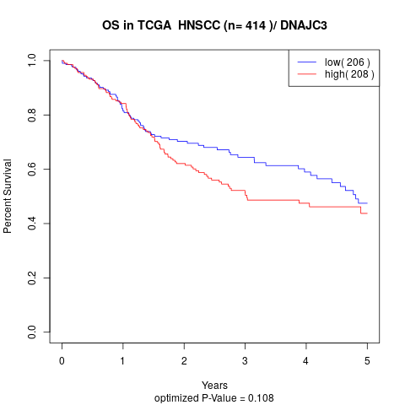

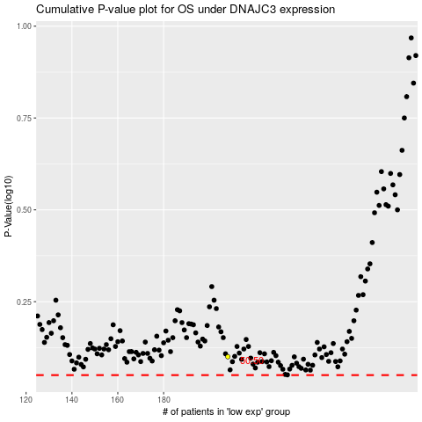

 |  |  |  |  |  | cases_OS | p_OS | rank | exp
 |  |  |  |  |  |  | cases_RFS | p_RFS | rank | exp

