DNAJC5 _multivariate
Reported by Tex Li-Hsing Chi. tex@gate.sinica.edu.tw 2019-08-20

Table 2. The clinicopathological features of HNSCC cohort and DNAJC5 expression. (Chi square test)
Cutoff at -0.193 (50.0%)
 |  | DNAJC5 expression |  | DNAJC5 expression |  | (Optimised)
 | Features | Low | (%) | High | (%) | Case no | P-value | Remark | Matthews
Gender | Female | 158 | 38.1 | 148 | 35.7 | 415 | 0.2774 | 0 | 0
2 | Male | 49 | 11.8 | 60 | 14.5
Age at diagnosis | <=65y | 133 | 32 | 141 | 34 | 415 | 0.5111 | 0 | 0
4 | >65y | 74 | 17.8 | 67 | 16.1
Clinical T Status | T1+T2 | 75 | 18.1 | 74 | 17.8 | 415 | 0.9707 | 0 | 0
6 | T3+T4 | 132 | 31.8 | 134 | 32.3
Clinical N Status | N0 | 97 | 23.4 | 119 | 28.7 | 415 | 0.0442 | 1 | 0
8 | N1-3 | 110 | 26.5 | 89 | 21.4
Clinical M Status | M0 | 205 | 49.4 | 207 | 49.9 | 415 | 0.6232 | 0 | 0
10 | M1 | 2 | 0.5 | 1 | 0.2
Clinical Stage | Stage I+II | 45 | 10.8 | 57 | 13.7 | 415 | 0.2202 | 0 | 0
12 | Stage III+IV | 162 | 39 | 151 | 36.4
Surgical Margin status | Negative | 155 | 37.3 | 163 | 39.3 | 415 | 0.4187 | 0 | 0
14 | Positive | 52 | 12.5 | 45 | 10.8
Tobacco Exposure | Low | 71 | 17.1 | 90 | 21.7 | 415 | 0.0698 | 0 | 0
16 | High | 136 | 32.8 | 118 | 28.4

Table 3. Univariate/Multivariate Cox's proportional hazards regression analyses on OS time of DNAJC5 gene expression in HNSCC

 |  | Univariate |  |  |  | Multivariate
 | Features | HR | CI95%(L) | CI95%(H) | P-value | HR | CI95%(L) | CI95%(H) | P-value
1 | Female | 1 |  |  |  | 1
Gender | Male | 1.157 | 0.843 | 1.587 | 0.367 | 1.201 | 0.86 | 1.678 | 0.283
11 | <=65y | 1 |  |  |  | 1
Age at diagnosis | >65y | 1.329 | 0.99 | 1.784 | 0.058 | 1.401 | 1.029 | 1.906 | 0.032
12 | T1+T2 | 1 |  |  |  | 1
Clinical T Status | T3+T4 | 1.409 | 1.028 | 1.931 | 0.033 | 2.209 | 1.168 | 4.176 | 0.015
13 | N0 | 1 |  |  |  | 1
Clinical N Status | N1-3 | 1.185 | 0.89 | 1.577 | 0.246 | 1.252 | 0.876 | 1.791 | 0.218
14 | M0 | 1 |  |  |  | 1
Clinical M Status | M1 | 4.097 | 1.009 | 16.644 | 0.049 | 9.459 | 2.063 | 43.376 | 0.004
15 | Stage I+II | 1 |  |  |  | 1
Clinical Stage | Stage III+IV | 1.245 | 0.882 | 1.759 | 0.213 | 0.502 | 0.234 | 1.079 | 0.077
16 | Negative | 1 |  |  |  | 1
Surgical Margin status | Positive | 1.591 | 1.155 | 2.191 | 0.004 | 1.686 | 1.217 | 2.336 | 0.002
17 | Low | 1 |  |  |  | 1
Tobacco Exposure | High | 1.364 | 1.008 | 1.844 | 0.044 | 1.463 | 1.06 | 2.02 | 0.021
18 | Low | 1 |  |  |  | 1
RNAseq(z-score) | High | 0.962 | 0.723 | 1.282 | 0.793 | 1.068 | 0.796 | 1.432 | 0.661

Table 4. Univariate/Multivariate Cox's proportional hazards regression analyses on RFS time of DNAJC5 gene expression in HNSCC

 |  | Univariate |  |  |  | Multivariate
 | Features | HR | CI95%(L) | CI95%(H) | P-value | HR | CI95%(L) | CI95%(H) | P-value
1 | Female | 1 |  |  |  | 1
Gender | Male | 1.157 | 0.843 | 1.587 | 0.367 | 1.201 | 0.86 | 1.678 | 0.283
11 | <=65y | 1 |  |  |  | 1
Age at diagnosis | >65y | 1.329 | 0.99 | 1.784 | 0.058 | 1.401 | 1.029 | 1.906 | 0.032
12 | T1+T2 | 1 |  |  |  | 1
Clinical T Status | T3+T4 | 1.409 | 1.028 | 1.931 | 0.033 | 2.209 | 1.168 | 4.176 | 0.015
13 | N0 | 1 |  |  |  | 1
Clinical N Status | N1-3 | 1.185 | 0.89 | 1.577 | 0.246 | 1.252 | 0.876 | 1.791 | 0.218
14 | M0 | 1 |  |  |  | 1
Clinical M Status | M1 | 4.097 | 1.009 | 16.644 | 0.049 | 9.459 | 2.063 | 43.376 | 0.004
15 | Stage I+II | 1 |  |  |  | 1
Clinical Stage | Stage III+IV | 1.245 | 0.882 | 1.759 | 0.213 | 0.502 | 0.234 | 1.079 | 0.077
16 | Negative | 1 |  |  |  | 1
Surgical Margin status | Positive | 1.591 | 1.155 | 2.191 | 0.004 | 1.686 | 1.217 | 2.336 | 0.002
17 | Low | 1 |  |  |  | 1
Tobacco Exposure | High | 1.364 | 1.008 | 1.844 | 0.044 | 1.463 | 1.06 | 2.02 | 0.021
18 | Low | 1 |  |  |  | 1
RNAseq(z-score) | High | 0.962 | 0.723 | 1.282 | 0.793 | 1.068 | 0.796 | 1.432 | 0.661

Kaplan-Meier survival estimate: Cutoff at -0.193 (50.0%)



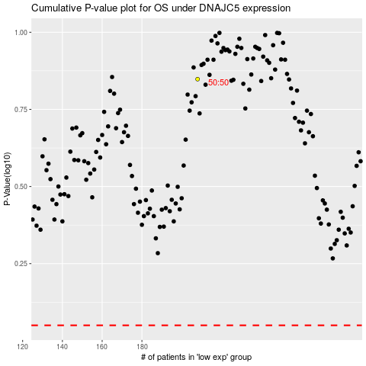

 |  |  |  |  |  | cases_OS | p_OS | rank | exp
 |  |  |  |  |  |  | cases_RFS | p_RFS | rank | exp

