DNAJC5B _multivariate
Reported by Tex Li-Hsing Chi. tex@gate.sinica.edu.tw 2019-08-20

Table 2. The clinicopathological features of HNSCC cohort and DNAJC5B expression. (Chi square test)
Cutoff at -0.316 (50.0%)
 |  | DNAJC5B expression |  | DNAJC5B expression |  | (Optimised)
 | Features | Low | (%) | High | (%) | Case no | P-value | Remark | Matthews
Gender | Female | 163 | 39.3 | 143 | 34.5 | 415 | 0.0277 | 1 | 0
2 | Male | 44 | 10.6 | 65 | 15.7
Age at diagnosis | <=65y | 149 | 35.9 | 125 | 30.1 | 415 | 0.0142 | 1 | 0
4 | >65y | 58 | 14 | 83 | 20
Clinical T Status | T1+T2 | 71 | 17.1 | 78 | 18.8 | 415 | 0.5638 | 0 | 0
6 | T3+T4 | 136 | 32.8 | 130 | 31.3
Clinical N Status | N0 | 117 | 28.2 | 99 | 23.9 | 415 | 0.0852 | 1 | 0
8 | N1-3 | 90 | 21.7 | 109 | 26.3
Clinical M Status | M0 | 206 | 49.6 | 206 | 49.6 | 415 | 1 | 0 | 0
10 | M1 | 1 | 0.2 | 2 | 0.5
Clinical Stage | Stage I+II | 50 | 12 | 52 | 12.5 | 415 | 0.9315 | 0 | 0
12 | Stage III+IV | 157 | 37.8 | 156 | 37.6
Surgical Margin status | Negative | 158 | 38.1 | 160 | 38.6 | 415 | 0.9081 | 0 | 0
14 | Positive | 49 | 11.8 | 48 | 11.6
Tobacco Exposure | Low | 75 | 18.1 | 86 | 20.7 | 415 | 0.3141 | 0 | 0
16 | High | 132 | 31.8 | 122 | 29.4

Table 3. Univariate/Multivariate Cox's proportional hazards regression analyses on OS time of DNAJC5B gene expression in HNSCC

 |  | Univariate |  |  |  | Multivariate
 | Features | HR | CI95%(L) | CI95%(H) | P-value | HR | CI95%(L) | CI95%(H) | P-value
1 | Female | 1 |  |  |  | 1
Gender | Male | 1.157 | 0.843 | 1.587 | 0.367 | 1.188 | 0.849 | 1.662 | 0.314
11 | <=65y | 1 |  |  |  | 1
Age at diagnosis | >65y | 1.329 | 0.99 | 1.784 | 0.058 | 1.38 | 1.014 | 1.879 | 0.04
12 | T1+T2 | 1 |  |  |  | 1
Clinical T Status | T3+T4 | 1.409 | 1.028 | 1.931 | 0.033 | 2.187 | 1.157 | 4.136 | 0.016
13 | N0 | 1 |  |  |  | 1
Clinical N Status | N1-3 | 1.185 | 0.89 | 1.577 | 0.246 | 1.217 | 0.849 | 1.745 | 0.285
14 | M0 | 1 |  |  |  | 1
Clinical M Status | M1 | 4.097 | 1.009 | 16.644 | 0.049 | 9.29 | 2.026 | 42.599 | 0.004
15 | Stage I+II | 1 |  |  |  | 1
Clinical Stage | Stage III+IV | 1.245 | 0.882 | 1.759 | 0.213 | 0.514 | 0.239 | 1.105 | 0.088
16 | Negative | 1 |  |  |  | 1
Surgical Margin status | Positive | 1.591 | 1.155 | 2.191 | 0.004 | 1.663 | 1.204 | 2.299 | 0.002
17 | Low | 1 |  |  |  | 1
Tobacco Exposure | High | 1.364 | 1.008 | 1.844 | 0.044 | 1.452 | 1.054 | 1.999 | 0.022
18 | Low | 1 |  |  |  | 1
RNAseq(z-score) | High | 1.17 | 0.877 | 1.561 | 0.285 | 1.101 | 0.819 | 1.479 | 0.525

Table 4. Univariate/Multivariate Cox's proportional hazards regression analyses on RFS time of DNAJC5B gene expression in HNSCC

 |  | Univariate |  |  |  | Multivariate
 | Features | HR | CI95%(L) | CI95%(H) | P-value | HR | CI95%(L) | CI95%(H) | P-value
1 | Female | 1 |  |  |  | 1
Gender | Male | 1.157 | 0.843 | 1.587 | 0.367 | 1.188 | 0.849 | 1.662 | 0.314
11 | <=65y | 1 |  |  |  | 1
Age at diagnosis | >65y | 1.329 | 0.99 | 1.784 | 0.058 | 1.38 | 1.014 | 1.879 | 0.04
12 | T1+T2 | 1 |  |  |  | 1
Clinical T Status | T3+T4 | 1.409 | 1.028 | 1.931 | 0.033 | 2.187 | 1.157 | 4.136 | 0.016
13 | N0 | 1 |  |  |  | 1
Clinical N Status | N1-3 | 1.185 | 0.89 | 1.577 | 0.246 | 1.217 | 0.849 | 1.745 | 0.285
14 | M0 | 1 |  |  |  | 1
Clinical M Status | M1 | 4.097 | 1.009 | 16.644 | 0.049 | 9.29 | 2.026 | 42.599 | 0.004
15 | Stage I+II | 1 |  |  |  | 1
Clinical Stage | Stage III+IV | 1.245 | 0.882 | 1.759 | 0.213 | 0.514 | 0.239 | 1.105 | 0.088
16 | Negative | 1 |  |  |  | 1
Surgical Margin status | Positive | 1.591 | 1.155 | 2.191 | 0.004 | 1.663 | 1.204 | 2.299 | 0.002
17 | Low | 1 |  |  |  | 1
Tobacco Exposure | High | 1.364 | 1.008 | 1.844 | 0.044 | 1.452 | 1.054 | 1.999 | 0.022
18 | Low | 1 |  |  |  | 1
RNAseq(z-score) | High | 1.17 | 0.877 | 1.561 | 0.285 | 1.101 | 0.819 | 1.479 | 0.525

Kaplan-Meier survival estimate: Cutoff at -0.316 (50.0%)



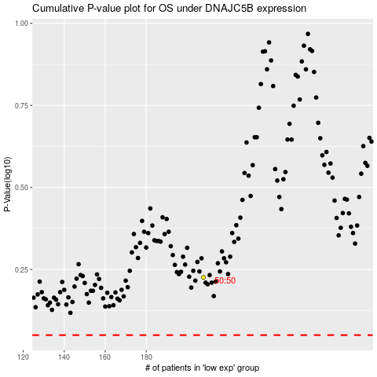

 |  |  |  |  |  | cases_OS | p_OS | rank | exp
 |  |  |  |  |  |  | cases_RFS | p_RFS | rank | exp

