DNASE1L2 _multivariate
Reported by Tex Li-Hsing Chi. tex@gate.sinica.edu.tw 2019-08-20

Table 2. The clinicopathological features of HNSCC cohort and DNASE1L2 expression. (Chi square test)
Cutoff at -0.227 (50.0%)
 |  | DNASE1L2 expression |  | DNASE1L2 expression |  | (Optimised)
 | Features | Low | (%) | High | (%) | Case no | P-value | Remark | Matthews
Gender | Female | 158 | 38.1 | 148 | 35.7 | 415 | 0.2774 | 0 | 0
2 | Male | 49 | 11.8 | 60 | 14.5
Age at diagnosis | <=65y | 143 | 34.5 | 131 | 31.6 | 415 | 0.2269 | 0 | 0
4 | >65y | 64 | 15.4 | 77 | 18.6
Clinical T Status | T1+T2 | 77 | 18.6 | 72 | 17.3 | 415 | 0.6556 | 0 | 0
6 | T3+T4 | 130 | 31.3 | 136 | 32.8
Clinical N Status | N0 | 103 | 24.8 | 113 | 27.2 | 415 | 0.4047 | 0 | 0
8 | N1-3 | 104 | 25.1 | 95 | 22.9
Clinical M Status | M0 | 205 | 49.4 | 207 | 49.9 | 415 | 0.6232 | 0 | 0
10 | M1 | 2 | 0.5 | 1 | 0.2
Clinical Stage | Stage I+II | 54 | 13 | 48 | 11.6 | 415 | 0.5498 | 0 | 0
12 | Stage III+IV | 153 | 36.9 | 160 | 38.6
Surgical Margin status | Negative | 152 | 36.6 | 166 | 40 | 415 | 0.1329 | 0 | 0
14 | Positive | 55 | 13.3 | 42 | 10.1
Tobacco Exposure | Low | 77 | 18.6 | 84 | 20.2 | 415 | 0.5459 | 0 | 0
16 | High | 130 | 31.3 | 124 | 29.9

Table 3. Univariate/Multivariate Cox's proportional hazards regression analyses on OS time of DNASE1L2 gene expression in HNSCC

 |  | Univariate |  |  |  | Multivariate
 | Features | HR | CI95%(L) | CI95%(H) | P-value | HR | CI95%(L) | CI95%(H) | P-value
1 | Female | 1 |  |  |  | 1
Gender | Male | 1.157 | 0.843 | 1.587 | 0.367 | 1.215 | 0.868 | 1.702 | 0.257
11 | <=65y | 1 |  |  |  | 1
Age at diagnosis | >65y | 1.329 | 0.99 | 1.784 | 0.058 | 1.399 | 1.029 | 1.904 | 0.032
12 | T1+T2 | 1 |  |  |  | 1
Clinical T Status | T3+T4 | 1.409 | 1.028 | 1.931 | 0.033 | 2.18 | 1.152 | 4.126 | 0.017
13 | N0 | 1 |  |  |  | 1
Clinical N Status | N1-3 | 1.185 | 0.89 | 1.577 | 0.246 | 1.23 | 0.861 | 1.758 | 0.255
14 | M0 | 1 |  |  |  | 1
Clinical M Status | M1 | 4.097 | 1.009 | 16.644 | 0.049 | 9.324 | 2.033 | 42.749 | 0.004
15 | Stage I+II | 1 |  |  |  | 1
Clinical Stage | Stage III+IV | 1.245 | 0.882 | 1.759 | 0.213 | 0.512 | 0.238 | 1.102 | 0.087
16 | Negative | 1 |  |  |  | 1
Surgical Margin status | Positive | 1.591 | 1.155 | 2.191 | 0.004 | 1.663 | 1.203 | 2.299 | 0.002
17 | Low | 1 |  |  |  | 1
Tobacco Exposure | High | 1.364 | 1.008 | 1.844 | 0.044 | 1.454 | 1.055 | 2.003 | 0.022
18 | Low | 1 |  |  |  | 1
RNAseq(z-score) | High | 0.911 | 0.683 | 1.214 | 0.523 | 0.926 | 0.691 | 1.241 | 0.608

Table 4. Univariate/Multivariate Cox's proportional hazards regression analyses on RFS time of DNASE1L2 gene expression in HNSCC

 |  | Univariate |  |  |  | Multivariate
 | Features | HR | CI95%(L) | CI95%(H) | P-value | HR | CI95%(L) | CI95%(H) | P-value
1 | Female | 1 |  |  |  | 1
Gender | Male | 1.157 | 0.843 | 1.587 | 0.367 | 1.215 | 0.868 | 1.702 | 0.257
11 | <=65y | 1 |  |  |  | 1
Age at diagnosis | >65y | 1.329 | 0.99 | 1.784 | 0.058 | 1.399 | 1.029 | 1.904 | 0.032
12 | T1+T2 | 1 |  |  |  | 1
Clinical T Status | T3+T4 | 1.409 | 1.028 | 1.931 | 0.033 | 2.18 | 1.152 | 4.126 | 0.017
13 | N0 | 1 |  |  |  | 1
Clinical N Status | N1-3 | 1.185 | 0.89 | 1.577 | 0.246 | 1.23 | 0.861 | 1.758 | 0.255
14 | M0 | 1 |  |  |  | 1
Clinical M Status | M1 | 4.097 | 1.009 | 16.644 | 0.049 | 9.324 | 2.033 | 42.749 | 0.004
15 | Stage I+II | 1 |  |  |  | 1
Clinical Stage | Stage III+IV | 1.245 | 0.882 | 1.759 | 0.213 | 0.512 | 0.238 | 1.102 | 0.087
16 | Negative | 1 |  |  |  | 1
Surgical Margin status | Positive | 1.591 | 1.155 | 2.191 | 0.004 | 1.663 | 1.203 | 2.299 | 0.002
17 | Low | 1 |  |  |  | 1
Tobacco Exposure | High | 1.364 | 1.008 | 1.844 | 0.044 | 1.454 | 1.055 | 2.003 | 0.022
18 | Low | 1 |  |  |  | 1
RNAseq(z-score) | High | 0.911 | 0.683 | 1.214 | 0.523 | 0.926 | 0.691 | 1.241 | 0.608

Kaplan-Meier survival estimate: Cutoff at -0.227 (50.0%)



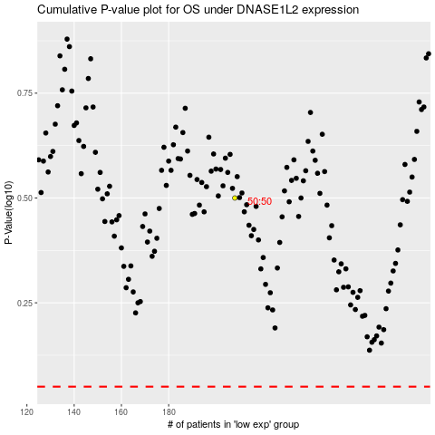

 |  |  |  |  |  | cases_OS | p_OS | rank | exp
 |  |  |  |  |  |  | cases_RFS | p_RFS | rank | exp

