DND1 _multivariate
Reported by Tex Li-Hsing Chi. tex@gate.sinica.edu.tw 2019-08-20

Table 2. The clinicopathological features of HNSCC cohort and DND1 expression. (Chi square test)
Cutoff at -0.112 (49.8%)
 |  | DND1 expression |  | DND1 expression |  | (Optimised)
 | Features | Low | (%) | High | (%) | Case no | P-value | Remark | Matthews
Gender | Female | 153 | 36.9 | 153 | 36.9 | 415 | 1 | 0 | 0
2 | Male | 54 | 13 | 55 | 13.3
Age at diagnosis | <=65y | 143 | 34.5 | 131 | 31.6 | 415 | 0.2269 | 0 | 0
4 | >65y | 64 | 15.4 | 77 | 18.6
Clinical T Status | T1+T2 | 68 | 16.4 | 81 | 19.5 | 415 | 0.2336 | 0 | 0
6 | T3+T4 | 139 | 33.5 | 127 | 30.6
Clinical N Status | N0 | 96 | 23.1 | 120 | 28.9 | 415 | 0.0272 | 1 | 0
8 | N1-3 | 111 | 26.7 | 88 | 21.2
Clinical M Status | M0 | 206 | 49.6 | 206 | 49.6 | 415 | 1 | 0 | 0
10 | M1 | 1 | 0.2 | 2 | 0.5
Clinical Stage | Stage I+II | 45 | 10.8 | 57 | 13.7 | 415 | 0.2202 | 0 | 0
12 | Stage III+IV | 162 | 39 | 151 | 36.4
Surgical Margin status | Negative | 157 | 37.8 | 161 | 38.8 | 415 | 0.729 | 0 | 0
14 | Positive | 50 | 12 | 47 | 11.3
Tobacco Exposure | Low | 68 | 16.4 | 93 | 22.4 | 415 | 0.0156 | 1 | 0
16 | High | 139 | 33.5 | 115 | 27.7

Table 3. Univariate/Multivariate Cox's proportional hazards regression analyses on OS time of DND1 gene expression in HNSCC

 |  | Univariate |  |  |  | Multivariate
 | Features | HR | CI95%(L) | CI95%(H) | P-value | HR | CI95%(L) | CI95%(H) | P-value
1 | Female | 1 |  |  |  | 1
Gender | Male | 1.157 | 0.843 | 1.587 | 0.367 | 1.2 | 0.859 | 1.677 | 0.286
11 | <=65y | 1 |  |  |  | 1
Age at diagnosis | >65y | 1.329 | 0.99 | 1.784 | 0.058 | 1.388 | 1.021 | 1.887 | 0.037
12 | T1+T2 | 1 |  |  |  | 1
Clinical T Status | T3+T4 | 1.409 | 1.028 | 1.931 | 0.033 | 2.223 | 1.173 | 4.211 | 0.014
13 | N0 | 1 |  |  |  | 1
Clinical N Status | N1-3 | 1.185 | 0.89 | 1.577 | 0.246 | 1.245 | 0.872 | 1.777 | 0.227
14 | M0 | 1 |  |  |  | 1
Clinical M Status | M1 | 4.097 | 1.009 | 16.644 | 0.049 | 9.391 | 2.048 | 43.053 | 0.004
15 | Stage I+II | 1 |  |  |  | 1
Clinical Stage | Stage III+IV | 1.245 | 0.882 | 1.759 | 0.213 | 0.503 | 0.234 | 1.08 | 0.078
16 | Negative | 1 |  |  |  | 1
Surgical Margin status | Positive | 1.591 | 1.155 | 2.191 | 0.004 | 1.671 | 1.209 | 2.309 | 0.002
17 | Low | 1 |  |  |  | 1
Tobacco Exposure | High | 1.364 | 1.008 | 1.844 | 0.044 | 1.462 | 1.059 | 2.019 | 0.021
18 | Low | 1 |  |  |  | 1
RNAseq(z-score) | High | 0.997 | 0.749 | 1.328 | 0.985 | 1.055 | 0.786 | 1.415 | 0.721

Table 4. Univariate/Multivariate Cox's proportional hazards regression analyses on RFS time of DND1 gene expression in HNSCC

 |  | Univariate |  |  |  | Multivariate
 | Features | HR | CI95%(L) | CI95%(H) | P-value | HR | CI95%(L) | CI95%(H) | P-value
1 | Female | 1 |  |  |  | 1
Gender | Male | 1.157 | 0.843 | 1.587 | 0.367 | 1.2 | 0.859 | 1.677 | 0.286
11 | <=65y | 1 |  |  |  | 1
Age at diagnosis | >65y | 1.329 | 0.99 | 1.784 | 0.058 | 1.388 | 1.021 | 1.887 | 0.037
12 | T1+T2 | 1 |  |  |  | 1
Clinical T Status | T3+T4 | 1.409 | 1.028 | 1.931 | 0.033 | 2.223 | 1.173 | 4.211 | 0.014
13 | N0 | 1 |  |  |  | 1
Clinical N Status | N1-3 | 1.185 | 0.89 | 1.577 | 0.246 | 1.245 | 0.872 | 1.777 | 0.227
14 | M0 | 1 |  |  |  | 1
Clinical M Status | M1 | 4.097 | 1.009 | 16.644 | 0.049 | 9.391 | 2.048 | 43.053 | 0.004
15 | Stage I+II | 1 |  |  |  | 1
Clinical Stage | Stage III+IV | 1.245 | 0.882 | 1.759 | 0.213 | 0.503 | 0.234 | 1.08 | 0.078
16 | Negative | 1 |  |  |  | 1
Surgical Margin status | Positive | 1.591 | 1.155 | 2.191 | 0.004 | 1.671 | 1.209 | 2.309 | 0.002
17 | Low | 1 |  |  |  | 1
Tobacco Exposure | High | 1.364 | 1.008 | 1.844 | 0.044 | 1.462 | 1.059 | 2.019 | 0.021
18 | Low | 1 |  |  |  | 1
RNAseq(z-score) | High | 0.997 | 0.749 | 1.328 | 0.985 | 1.055 | 0.786 | 1.415 | 0.721

Kaplan-Meier survival estimate: Cutoff at -0.112 (49.8%)



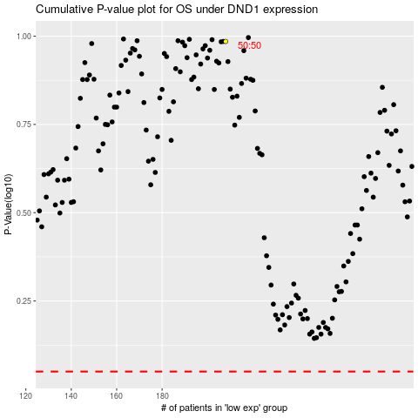

 |  |  |  |  |  | cases_OS | p_OS | rank | exp
 |  |  |  |  |  |  | cases_RFS | p_RFS | rank | exp

