DNER _multivariate
Reported by Tex Li-Hsing Chi. tex@gate.sinica.edu.tw 2019-08-20

Table 2. The clinicopathological features of HNSCC cohort and DNER expression. (Chi square test)
Cutoff at -0.285 (30.4%)
 |  | DNER expression |  | DNER expression |  | (Optimised)
 | Features | Low | (%) | High | (%) | Case no | P-value | Remark | Matthews
Gender | Female | 93 | 22.4 | 213 | 51.3 | 415 | 1 | 0 | 0
2 | Male | 33 | 8 | 76 | 18.3
Age at diagnosis | <=65y | 77 | 18.6 | 197 | 47.5 | 415 | 0.1996 | 0 | 0
4 | >65y | 49 | 11.8 | 92 | 22.2
Clinical T Status | T1+T2 | 43 | 10.4 | 106 | 25.5 | 415 | 0.6988 | 0 | 0
6 | T3+T4 | 83 | 20 | 183 | 44.1
Clinical N Status | N0 | 63 | 15.2 | 153 | 36.9 | 415 | 0.6566 | 0 | 0
8 | N1-3 | 63 | 15.2 | 136 | 32.8
Clinical M Status | M0 | 125 | 30.1 | 287 | 69.2 | 415 | 1 | 0 | 0
10 | M1 | 1 | 0.2 | 2 | 0.5
Clinical Stage | Stage I+II | 29 | 7 | 73 | 17.6 | 415 | 0.7157 | 0 | 0
12 | Stage III+IV | 97 | 23.4 | 216 | 52
Surgical Margin status | Negative | 94 | 22.7 | 224 | 54 | 415 | 0.53 | 0 | 0
14 | Positive | 32 | 7.7 | 65 | 15.7
Tobacco Exposure | Low | 51 | 12.3 | 110 | 26.5 | 415 | 0.6622 | 0 | 0
16 | High | 75 | 18.1 | 179 | 43.1

Table 3. Univariate/Multivariate Cox's proportional hazards regression analyses on OS time of DNER gene expression in HNSCC

 |  | Univariate |  |  |  | Multivariate
 | Features | HR | CI95%(L) | CI95%(H) | P-value | HR | CI95%(L) | CI95%(H) | P-value
1 | Female | 1 |  |  |  | 1
Gender | Male | 1.157 | 0.843 | 1.587 | 0.367 | 1.159 | 0.828 | 1.623 | 0.39
11 | <=65y | 1 |  |  |  | 1
Age at diagnosis | >65y | 1.329 | 0.99 | 1.784 | 0.058 | 1.41 | 1.038 | 1.916 | 0.028
12 | T1+T2 | 1 |  |  |  | 1
Clinical T Status | T3+T4 | 1.409 | 1.028 | 1.931 | 0.033 | 2.282 | 1.207 | 4.313 | 0.011
13 | N0 | 1 |  |  |  | 1
Clinical N Status | N1-3 | 1.185 | 0.89 | 1.577 | 0.246 | 1.306 | 0.913 | 1.869 | 0.143
14 | M0 | 1 |  |  |  | 1
Clinical M Status | M1 | 4.097 | 1.009 | 16.644 | 0.049 | 9.013 | 1.966 | 41.319 | 0.005
15 | Stage I+II | 1 |  |  |  | 1
Clinical Stage | Stage III+IV | 1.245 | 0.882 | 1.759 | 0.213 | 0.486 | 0.226 | 1.045 | 0.065
16 | Negative | 1 |  |  |  | 1
Surgical Margin status | Positive | 1.591 | 1.155 | 2.191 | 0.004 | 1.679 | 1.216 | 2.319 | 0.002
17 | Low | 1 |  |  |  | 1
Tobacco Exposure | High | 1.364 | 1.008 | 1.844 | 0.044 | 1.454 | 1.054 | 2.006 | 0.023
18 | Low | 1 |  |  |  | 1
RNAseq(z-score) | High | 1.408 | 1.022 | 1.939 | 0.036 | 1.478 | 1.069 | 2.044 | 0.018

Table 4. Univariate/Multivariate Cox's proportional hazards regression analyses on RFS time of DNER gene expression in HNSCC

 |  | Univariate |  |  |  | Multivariate
 | Features | HR | CI95%(L) | CI95%(H) | P-value | HR | CI95%(L) | CI95%(H) | P-value
1 | Female | 1 |  |  |  | 1
Gender | Male | 1.157 | 0.843 | 1.587 | 0.367 | 1.159 | 0.828 | 1.623 | 0.39
11 | <=65y | 1 |  |  |  | 1
Age at diagnosis | >65y | 1.329 | 0.99 | 1.784 | 0.058 | 1.41 | 1.038 | 1.916 | 0.028
12 | T1+T2 | 1 |  |  |  | 1
Clinical T Status | T3+T4 | 1.409 | 1.028 | 1.931 | 0.033 | 2.282 | 1.207 | 4.313 | 0.011
13 | N0 | 1 |  |  |  | 1
Clinical N Status | N1-3 | 1.185 | 0.89 | 1.577 | 0.246 | 1.306 | 0.913 | 1.869 | 0.143
14 | M0 | 1 |  |  |  | 1
Clinical M Status | M1 | 4.097 | 1.009 | 16.644 | 0.049 | 9.013 | 1.966 | 41.319 | 0.005
15 | Stage I+II | 1 |  |  |  | 1
Clinical Stage | Stage III+IV | 1.245 | 0.882 | 1.759 | 0.213 | 0.486 | 0.226 | 1.045 | 0.065
16 | Negative | 1 |  |  |  | 1
Surgical Margin status | Positive | 1.591 | 1.155 | 2.191 | 0.004 | 1.679 | 1.216 | 2.319 | 0.002
17 | Low | 1 |  |  |  | 1
Tobacco Exposure | High | 1.364 | 1.008 | 1.844 | 0.044 | 1.454 | 1.054 | 2.006 | 0.023
18 | Low | 1 |  |  |  | 1
RNAseq(z-score) | High | 1.408 | 1.022 | 1.939 | 0.036 | 1.478 | 1.069 | 2.044 | 0.018

Kaplan-Meier survival estimate: Cutoff at -0.285 (30.4%)



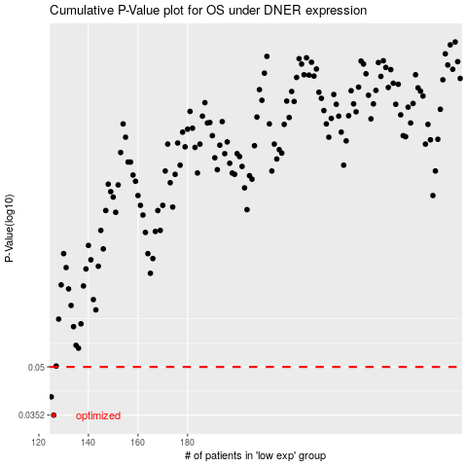

 |  |  |  |  |  | cases_OS | p_OS | rank | exp
 |  |  |  |  |  | 126 | 0.0352 | 398 | -0.28529025342
 |  |  |  |  |  | 125 | 0.0402 | 178 | -0.28610932253
 |  |  |  |  |  |  | cases_RFS | p_RFS | rank | exp
 |  |  |  |  |  |  | 125 | 0.0352 | 178 | -0.28610932253
 |  |  |  |  |  |  |  | 0.0402 | 402 | -0.28618361863

