DNM1L _multivariate
Reported by Tex Li-Hsing Chi. tex@gate.sinica.edu.tw 2019-08-20

Table 2. The clinicopathological features of HNSCC cohort and DNM1L expression. (Chi square test)
Cutoff at -0.025 (50.0%)
 |  | DNM1L expression |  | DNM1L expression |  | (Optimised)
 | Features | Low | (%) | High | (%) | Case no | P-value | Remark | Matthews
Gender | Female | 156 | 37.6 | 150 | 36.1 | 415 | 0.5222 | 0 | 0
2 | Male | 51 | 12.3 | 58 | 14
Age at diagnosis | <=65y | 142 | 34.2 | 132 | 31.8 | 415 | 0.3167 | 0 | 0
4 | >65y | 65 | 15.7 | 76 | 18.3
Clinical T Status | T1+T2 | 87 | 21 | 62 | 14.9 | 415 | 0.0127 | 1 | 0
6 | T3+T4 | 120 | 28.9 | 146 | 35.2
Clinical N Status | N0 | 111 | 26.7 | 105 | 25.3 | 415 | 0.5875 | 0 | 0
8 | N1-3 | 96 | 23.1 | 103 | 24.8
Clinical M Status | M0 | 206 | 49.6 | 206 | 49.6 | 415 | 1 | 0 | 0
10 | M1 | 1 | 0.2 | 2 | 0.5
Clinical Stage | Stage I+II | 55 | 13.3 | 47 | 11.3 | 415 | 0.4087 | 0 | 0
12 | Stage III+IV | 152 | 36.6 | 161 | 38.8
Surgical Margin status | Negative | 151 | 36.4 | 167 | 40.2 | 415 | 0.0828 | 0 | 0
14 | Positive | 56 | 13.5 | 41 | 9.9
Tobacco Exposure | Low | 86 | 20.7 | 75 | 18.1 | 415 | 0.2687 | 0 | 0
16 | High | 121 | 29.2 | 133 | 32

Table 3. Univariate/Multivariate Cox's proportional hazards regression analyses on OS time of DNM1L gene expression in HNSCC

 |  | Univariate |  |  |  | Multivariate
 | Features | HR | CI95%(L) | CI95%(H) | P-value | HR | CI95%(L) | CI95%(H) | P-value
1 | Female | 1 |  |  |  | 1
Gender | Male | 1.157 | 0.843 | 1.587 | 0.367 | 1.199 | 0.858 | 1.674 | 0.288
11 | <=65y | 1 |  |  |  | 1
Age at diagnosis | >65y | 1.329 | 0.99 | 1.784 | 0.058 | 1.392 | 1.024 | 1.892 | 0.035
12 | T1+T2 | 1 |  |  |  | 1
Clinical T Status | T3+T4 | 1.409 | 1.028 | 1.931 | 0.033 | 2.258 | 1.19 | 4.287 | 0.013
13 | N0 | 1 |  |  |  | 1
Clinical N Status | N1-3 | 1.185 | 0.89 | 1.577 | 0.246 | 1.252 | 0.877 | 1.788 | 0.216
14 | M0 | 1 |  |  |  | 1
Clinical M Status | M1 | 4.097 | 1.009 | 16.644 | 0.049 | 9.658 | 2.103 | 44.36 | 0.004
15 | Stage I+II | 1 |  |  |  | 1
Clinical Stage | Stage III+IV | 1.245 | 0.882 | 1.759 | 0.213 | 0.49 | 0.227 | 1.056 | 0.069
16 | Negative | 1 |  |  |  | 1
Surgical Margin status | Positive | 1.591 | 1.155 | 2.191 | 0.004 | 1.664 | 1.204 | 2.3 | 0.002
17 | Low | 1 |  |  |  | 1
Tobacco Exposure | High | 1.364 | 1.008 | 1.844 | 0.044 | 1.464 | 1.062 | 2.019 | 0.02
18 | Low | 1 |  |  |  | 1
RNAseq(z-score) | High | 0.96 | 0.721 | 1.278 | 0.779 | 0.903 | 0.675 | 1.207 | 0.49

Table 4. Univariate/Multivariate Cox's proportional hazards regression analyses on RFS time of DNM1L gene expression in HNSCC

 |  | Univariate |  |  |  | Multivariate
 | Features | HR | CI95%(L) | CI95%(H) | P-value | HR | CI95%(L) | CI95%(H) | P-value
1 | Female | 1 |  |  |  | 1
Gender | Male | 1.157 | 0.843 | 1.587 | 0.367 | 1.199 | 0.858 | 1.674 | 0.288
11 | <=65y | 1 |  |  |  | 1
Age at diagnosis | >65y | 1.329 | 0.99 | 1.784 | 0.058 | 1.392 | 1.024 | 1.892 | 0.035
12 | T1+T2 | 1 |  |  |  | 1
Clinical T Status | T3+T4 | 1.409 | 1.028 | 1.931 | 0.033 | 2.258 | 1.19 | 4.287 | 0.013
13 | N0 | 1 |  |  |  | 1
Clinical N Status | N1-3 | 1.185 | 0.89 | 1.577 | 0.246 | 1.252 | 0.877 | 1.788 | 0.216
14 | M0 | 1 |  |  |  | 1
Clinical M Status | M1 | 4.097 | 1.009 | 16.644 | 0.049 | 9.658 | 2.103 | 44.36 | 0.004
15 | Stage I+II | 1 |  |  |  | 1
Clinical Stage | Stage III+IV | 1.245 | 0.882 | 1.759 | 0.213 | 0.49 | 0.227 | 1.056 | 0.069
16 | Negative | 1 |  |  |  | 1
Surgical Margin status | Positive | 1.591 | 1.155 | 2.191 | 0.004 | 1.664 | 1.204 | 2.3 | 0.002
17 | Low | 1 |  |  |  | 1
Tobacco Exposure | High | 1.364 | 1.008 | 1.844 | 0.044 | 1.464 | 1.062 | 2.019 | 0.02
18 | Low | 1 |  |  |  | 1
RNAseq(z-score) | High | 0.96 | 0.721 | 1.278 | 0.779 | 0.903 | 0.675 | 1.207 | 0.49

Kaplan-Meier survival estimate: Cutoff at -0.025 (50.0%)



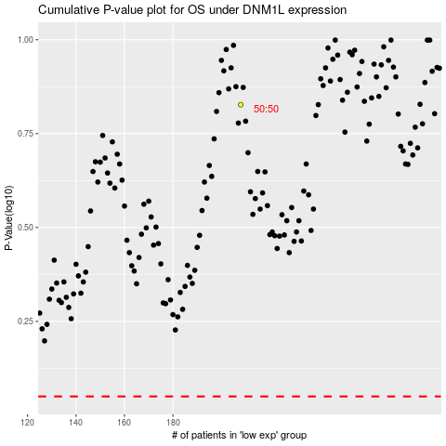

 |  |  |  |  |  | cases_OS | p_OS | rank | exp
 |  |  |  |  |  |  | cases_RFS | p_RFS | rank | exp

