DNMBP _multivariate
Reported by Tex Li-Hsing Chi. tex@gate.sinica.edu.tw 2019-08-20

Table 2. The clinicopathological features of HNSCC cohort and DNMBP expression. (Chi square test)
Cutoff at -0.189 (49.8%)
 |  | DNMBP expression |  | DNMBP expression |  | (Optimised)
 | Features | Low | (%) | High | (%) | Case no | P-value | Remark | Matthews
Gender | Female | 152 | 36.6 | 154 | 37.1 | 415 | 0.9766 | 0 | 0
2 | Male | 55 | 13.3 | 54 | 13
Age at diagnosis | <=65y | 135 | 32.5 | 139 | 33.5 | 415 | 0.8084 | 0 | 0
4 | >65y | 72 | 17.3 | 69 | 16.6
Clinical T Status | T1+T2 | 89 | 21.4 | 60 | 14.5 | 415 | 0.0037 | 1 | 0
6 | T3+T4 | 118 | 28.4 | 148 | 35.7
Clinical N Status | N0 | 112 | 27 | 104 | 25.1 | 415 | 0.4599 | 0 | 0
8 | N1-3 | 95 | 22.9 | 104 | 25.1
Clinical M Status | M0 | 205 | 49.4 | 207 | 49.9 | 415 | 0.6232 | 0 | 0
10 | M1 | 2 | 0.5 | 1 | 0.2
Clinical Stage | Stage I+II | 63 | 15.2 | 39 | 9.4 | 415 | 0.008 | 1 | 0
12 | Stage III+IV | 144 | 34.7 | 169 | 40.7
Surgical Margin status | Negative | 157 | 37.8 | 161 | 38.8 | 415 | 0.729 | 0 | 0
14 | Positive | 50 | 12 | 47 | 11.3
Tobacco Exposure | Low | 90 | 21.7 | 71 | 17.1 | 415 | 0.0559 | 0 | 0
16 | High | 117 | 28.2 | 137 | 33

Table 3. Univariate/Multivariate Cox's proportional hazards regression analyses on OS time of DNMBP gene expression in HNSCC

 |  | Univariate |  |  |  | Multivariate
 | Features | HR | CI95%(L) | CI95%(H) | P-value | HR | CI95%(L) | CI95%(H) | P-value
1 | Female | 1 |  |  |  | 1
Gender | Male | 1.157 | 0.843 | 1.587 | 0.367 | 1.202 | 0.861 | 1.677 | 0.28
11 | <=65y | 1 |  |  |  | 1
Age at diagnosis | >65y | 1.329 | 0.99 | 1.784 | 0.058 | 1.408 | 1.035 | 1.915 | 0.029
12 | T1+T2 | 1 |  |  |  | 1
Clinical T Status | T3+T4 | 1.409 | 1.028 | 1.931 | 0.033 | 2.183 | 1.154 | 4.126 | 0.016
13 | N0 | 1 |  |  |  | 1
Clinical N Status | N1-3 | 1.185 | 0.89 | 1.577 | 0.246 | 1.247 | 0.874 | 1.78 | 0.223
14 | M0 | 1 |  |  |  | 1
Clinical M Status | M1 | 4.097 | 1.009 | 16.644 | 0.049 | 9.596 | 2.092 | 44.004 | 0.004
15 | Stage I+II | 1 |  |  |  | 1
Clinical Stage | Stage III+IV | 1.245 | 0.882 | 1.759 | 0.213 | 0.497 | 0.231 | 1.068 | 0.073
16 | Negative | 1 |  |  |  | 1
Surgical Margin status | Positive | 1.591 | 1.155 | 2.191 | 0.004 | 1.698 | 1.227 | 2.35 | 0.001
17 | Low | 1 |  |  |  | 1
Tobacco Exposure | High | 1.364 | 1.008 | 1.844 | 0.044 | 1.439 | 1.044 | 1.983 | 0.026
18 | Low | 1 |  |  |  | 1
RNAseq(z-score) | High | 1.169 | 0.876 | 1.559 | 0.289 | 1.184 | 0.883 | 1.587 | 0.26

Table 4. Univariate/Multivariate Cox's proportional hazards regression analyses on RFS time of DNMBP gene expression in HNSCC

 |  | Univariate |  |  |  | Multivariate
 | Features | HR | CI95%(L) | CI95%(H) | P-value | HR | CI95%(L) | CI95%(H) | P-value
1 | Female | 1 |  |  |  | 1
Gender | Male | 1.157 | 0.843 | 1.587 | 0.367 | 1.202 | 0.861 | 1.677 | 0.28
11 | <=65y | 1 |  |  |  | 1
Age at diagnosis | >65y | 1.329 | 0.99 | 1.784 | 0.058 | 1.408 | 1.035 | 1.915 | 0.029
12 | T1+T2 | 1 |  |  |  | 1
Clinical T Status | T3+T4 | 1.409 | 1.028 | 1.931 | 0.033 | 2.183 | 1.154 | 4.126 | 0.016
13 | N0 | 1 |  |  |  | 1
Clinical N Status | N1-3 | 1.185 | 0.89 | 1.577 | 0.246 | 1.247 | 0.874 | 1.78 | 0.223
14 | M0 | 1 |  |  |  | 1
Clinical M Status | M1 | 4.097 | 1.009 | 16.644 | 0.049 | 9.596 | 2.092 | 44.004 | 0.004
15 | Stage I+II | 1 |  |  |  | 1
Clinical Stage | Stage III+IV | 1.245 | 0.882 | 1.759 | 0.213 | 0.497 | 0.231 | 1.068 | 0.073
16 | Negative | 1 |  |  |  | 1
Surgical Margin status | Positive | 1.591 | 1.155 | 2.191 | 0.004 | 1.698 | 1.227 | 2.35 | 0.001
17 | Low | 1 |  |  |  | 1
Tobacco Exposure | High | 1.364 | 1.008 | 1.844 | 0.044 | 1.439 | 1.044 | 1.983 | 0.026
18 | Low | 1 |  |  |  | 1
RNAseq(z-score) | High | 1.169 | 0.876 | 1.559 | 0.289 | 1.184 | 0.883 | 1.587 | 0.26

Kaplan-Meier survival estimate: Cutoff at -0.189 (49.8%)

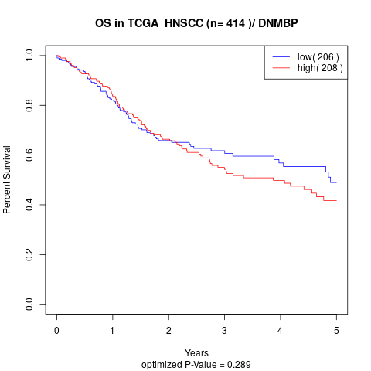

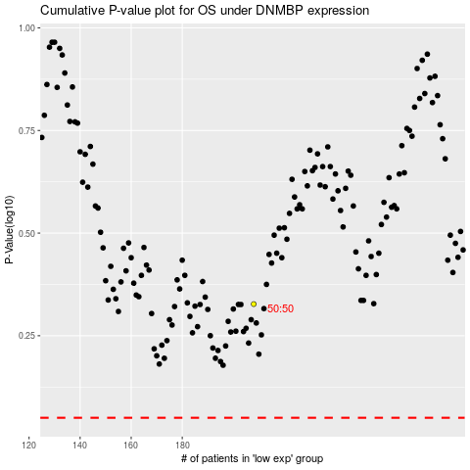

 |  |  |  |  |  | cases_OS | p_OS | rank | exp
 |  |  |  |  |  |  | cases_RFS | p_RFS | rank | exp

