DNMT1 _multivariate
Reported by Tex Li-Hsing Chi. tex@gate.sinica.edu.tw 2019-08-20

Table 2. The clinicopathological features of HNSCC cohort and DNMT1 expression. (Chi square test)
Cutoff at 0.002 (57.7%)
 |  | DNMT1 expression |  | DNMT1 expression |  | (Optimised)
 | Features | Low | (%) | High | (%) | Case no | P-value | Remark | Matthews
Gender | Female | 167 | 40.2 | 139 | 33.5 | 415 | 0.0325 | 1 | 0
2 | Male | 73 | 17.6 | 36 | 8.7
Age at diagnosis | <=65y | 151 | 36.4 | 123 | 29.6 | 415 | 0.1442 | 0 | 0
4 | >65y | 89 | 21.4 | 52 | 12.5
Clinical T Status | T1+T2 | 81 | 19.5 | 68 | 16.4 | 415 | 0.3333 | 0 | 0
6 | T3+T4 | 159 | 38.3 | 107 | 25.8
Clinical N Status | N0 | 129 | 31.1 | 87 | 21 | 415 | 0.4757 | 0 | 0
8 | N1-3 | 111 | 26.7 | 88 | 21.2
Clinical M Status | M0 | 237 | 57.1 | 175 | 42.2 | 415 | 0.2666 | 0 | 0
10 | M1 | 3 | 0.7 | 0 | 0
Clinical Stage | Stage I+II | 61 | 14.7 | 41 | 9.9 | 415 | 0.727 | 0 | 0
12 | Stage III+IV | 179 | 43.1 | 134 | 32.3
Surgical Margin status | Negative | 185 | 44.6 | 133 | 32 | 415 | 0.815 | 0 | 0
14 | Positive | 55 | 13.3 | 42 | 10.1
Tobacco Exposure | Low | 95 | 22.9 | 66 | 15.9 | 415 | 0.7597 | 0 | 0
16 | High | 145 | 34.9 | 109 | 26.3

Table 3. Univariate/Multivariate Cox's proportional hazards regression analyses on OS time of DNMT1 gene expression in HNSCC

 |  | Univariate |  |  |  | Multivariate
 | Features | HR | CI95%(L) | CI95%(H) | P-value | HR | CI95%(L) | CI95%(H) | P-value
1 | Female | 1 |  |  |  | 1
Gender | Male | 1.157 | 0.843 | 1.587 | 0.367 | 1.134 | 0.806 | 1.595 | 0.472
11 | <=65y | 1 |  |  |  | 1
Age at diagnosis | >65y | 1.329 | 0.99 | 1.784 | 0.058 | 1.405 | 1.034 | 1.91 | 0.03
12 | T1+T2 | 1 |  |  |  | 1
Clinical T Status | T3+T4 | 1.409 | 1.028 | 1.931 | 0.033 | 2.117 | 1.117 | 4.011 | 0.022
13 | N0 | 1 |  |  |  | 1
Clinical N Status | N1-3 | 1.185 | 0.89 | 1.577 | 0.246 | 1.233 | 0.864 | 1.76 | 0.247
14 | M0 | 1 |  |  |  | 1
Clinical M Status | M1 | 4.097 | 1.009 | 16.644 | 0.049 | 8.133 | 1.756 | 37.667 | 0.007
15 | Stage I+II | 1 |  |  |  | 1
Clinical Stage | Stage III+IV | 1.245 | 0.882 | 1.759 | 0.213 | 0.529 | 0.246 | 1.137 | 0.103
16 | Negative | 1 |  |  |  | 1
Surgical Margin status | Positive | 1.591 | 1.155 | 2.191 | 0.004 | 1.661 | 1.202 | 2.296 | 0.002
17 | Low | 1 |  |  |  | 1
Tobacco Exposure | High | 1.364 | 1.008 | 1.844 | 0.044 | 1.426 | 1.036 | 1.965 | 0.03
18 | Low | 1 |  |  |  | 1
RNAseq(z-score) | High | 0.737 | 0.549 | 0.99 | 0.043 | 0.789 | 0.581 | 1.07 | 0.127

Table 4. Univariate/Multivariate Cox's proportional hazards regression analyses on RFS time of DNMT1 gene expression in HNSCC

 |  | Univariate |  |  |  | Multivariate
 | Features | HR | CI95%(L) | CI95%(H) | P-value | HR | CI95%(L) | CI95%(H) | P-value
1 | Female | 1 |  |  |  | 1
Gender | Male | 1.157 | 0.843 | 1.587 | 0.367 | 1.134 | 0.806 | 1.595 | 0.472
11 | <=65y | 1 |  |  |  | 1
Age at diagnosis | >65y | 1.329 | 0.99 | 1.784 | 0.058 | 1.405 | 1.034 | 1.91 | 0.03
12 | T1+T2 | 1 |  |  |  | 1
Clinical T Status | T3+T4 | 1.409 | 1.028 | 1.931 | 0.033 | 2.117 | 1.117 | 4.011 | 0.022
13 | N0 | 1 |  |  |  | 1
Clinical N Status | N1-3 | 1.185 | 0.89 | 1.577 | 0.246 | 1.233 | 0.864 | 1.76 | 0.247
14 | M0 | 1 |  |  |  | 1
Clinical M Status | M1 | 4.097 | 1.009 | 16.644 | 0.049 | 8.133 | 1.756 | 37.667 | 0.007
15 | Stage I+II | 1 |  |  |  | 1
Clinical Stage | Stage III+IV | 1.245 | 0.882 | 1.759 | 0.213 | 0.529 | 0.246 | 1.137 | 0.103
16 | Negative | 1 |  |  |  | 1
Surgical Margin status | Positive | 1.591 | 1.155 | 2.191 | 0.004 | 1.661 | 1.202 | 2.296 | 0.002
17 | Low | 1 |  |  |  | 1
Tobacco Exposure | High | 1.364 | 1.008 | 1.844 | 0.044 | 1.426 | 1.036 | 1.965 | 0.03
18 | Low | 1 |  |  |  | 1
RNAseq(z-score) | High | 0.737 | 0.549 | 0.99 | 0.043 | 0.789 | 0.581 | 1.07 | 0.127

Kaplan-Meier survival estimate: Cutoff at 0.002 (57.7%)



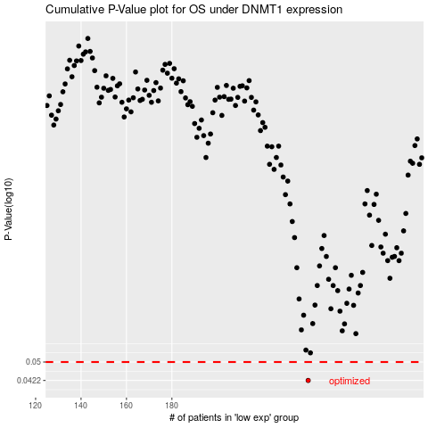

 |  |  |  |  |  | cases_OS | p_OS | rank | exp
 |  |  |  |  |  | 240 | 0.0422 | 255 | 0.0018202290039
 |  |  |  |  |  |  | cases_RFS | p_RFS | rank | exp
 |  |  |  |  |  |  | 239 | 0.0422 | 62 | -0.0015588306033

