DNMT3A _multivariate
Reported by Tex Li-Hsing Chi. tex@gate.sinica.edu.tw 2019-08-20

Table 2. The clinicopathological features of HNSCC cohort and DNMT3A expression. (Chi square test)
Cutoff at -0.26 (49.8%)
 |  | DNMT3A expression |  | DNMT3A expression |  | (Optimised)
 | Features | Low | (%) | High | (%) | Case no | P-value | Remark | Matthews
Gender | Female | 135 | 32.5 | 171 | 41.2 | 415 | 1e-04 | 1 | 0
2 | Male | 72 | 17.3 | 37 | 8.9
Age at diagnosis | <=65y | 129 | 31.1 | 145 | 34.9 | 415 | 0.1372 | 0 | 0
4 | >65y | 78 | 18.8 | 63 | 15.2
Clinical T Status | T1+T2 | 80 | 19.3 | 69 | 16.6 | 415 | 0.2891 | 0 | 0
6 | T3+T4 | 127 | 30.6 | 139 | 33.5
Clinical N Status | N0 | 117 | 28.2 | 99 | 23.9 | 415 | 0.0852 | 1 | 0
8 | N1-3 | 90 | 21.7 | 109 | 26.3
Clinical M Status | M0 | 204 | 49.2 | 208 | 50.1 | 415 | 0.1232 | 0 | 0
10 | M1 | 3 | 0.7 | 0 | 0
Clinical Stage | Stage I+II | 61 | 14.7 | 41 | 9.9 | 415 | 0.0282 | 1 | 0
12 | Stage III+IV | 146 | 35.2 | 167 | 40.2
Surgical Margin status | Negative | 162 | 39 | 156 | 37.6 | 415 | 0.4867 | 0 | 0
14 | Positive | 45 | 10.8 | 52 | 12.5
Tobacco Exposure | Low | 99 | 23.9 | 62 | 14.9 | 415 | 2e-04 | 1 | 0
16 | High | 108 | 26 | 146 | 35.2

Table 3. Univariate/Multivariate Cox's proportional hazards regression analyses on OS time of DNMT3A gene expression in HNSCC

 |  | Univariate |  |  |  | Multivariate
 | Features | HR | CI95%(L) | CI95%(H) | P-value | HR | CI95%(L) | CI95%(H) | P-value
1 | Female | 1 |  |  |  | 1
Gender | Male | 1.157 | 0.843 | 1.587 | 0.367 | 1.199 | 0.855 | 1.682 | 0.292
11 | <=65y | 1 |  |  |  | 1
Age at diagnosis | >65y | 1.329 | 0.99 | 1.784 | 0.058 | 1.39 | 1.021 | 1.892 | 0.036
12 | T1+T2 | 1 |  |  |  | 1
Clinical T Status | T3+T4 | 1.409 | 1.028 | 1.931 | 0.033 | 2.201 | 1.164 | 4.162 | 0.015
13 | N0 | 1 |  |  |  | 1
Clinical N Status | N1-3 | 1.185 | 0.89 | 1.577 | 0.246 | 1.242 | 0.87 | 1.772 | 0.233
14 | M0 | 1 |  |  |  | 1
Clinical M Status | M1 | 4.097 | 1.009 | 16.644 | 0.049 | 9.333 | 2.009 | 43.367 | 0.004
15 | Stage I+II | 1 |  |  |  | 1
Clinical Stage | Stage III+IV | 1.245 | 0.882 | 1.759 | 0.213 | 0.506 | 0.235 | 1.087 | 0.081
16 | Negative | 1 |  |  |  | 1
Surgical Margin status | Positive | 1.591 | 1.155 | 2.191 | 0.004 | 1.672 | 1.21 | 2.31 | 0.002
17 | Low | 1 |  |  |  | 1
Tobacco Exposure | High | 1.364 | 1.008 | 1.844 | 0.044 | 1.455 | 1.054 | 2.009 | 0.023
18 | Low | 1 |  |  |  | 1
RNAseq(z-score) | High | 0.979 | 0.735 | 1.306 | 0.887 | 0.988 | 0.728 | 1.342 | 0.94

Table 4. Univariate/Multivariate Cox's proportional hazards regression analyses on RFS time of DNMT3A gene expression in HNSCC

 |  | Univariate |  |  |  | Multivariate
 | Features | HR | CI95%(L) | CI95%(H) | P-value | HR | CI95%(L) | CI95%(H) | P-value
1 | Female | 1 |  |  |  | 1
Gender | Male | 1.157 | 0.843 | 1.587 | 0.367 | 1.199 | 0.855 | 1.682 | 0.292
11 | <=65y | 1 |  |  |  | 1
Age at diagnosis | >65y | 1.329 | 0.99 | 1.784 | 0.058 | 1.39 | 1.021 | 1.892 | 0.036
12 | T1+T2 | 1 |  |  |  | 1
Clinical T Status | T3+T4 | 1.409 | 1.028 | 1.931 | 0.033 | 2.201 | 1.164 | 4.162 | 0.015
13 | N0 | 1 |  |  |  | 1
Clinical N Status | N1-3 | 1.185 | 0.89 | 1.577 | 0.246 | 1.242 | 0.87 | 1.772 | 0.233
14 | M0 | 1 |  |  |  | 1
Clinical M Status | M1 | 4.097 | 1.009 | 16.644 | 0.049 | 9.333 | 2.009 | 43.367 | 0.004
15 | Stage I+II | 1 |  |  |  | 1
Clinical Stage | Stage III+IV | 1.245 | 0.882 | 1.759 | 0.213 | 0.506 | 0.235 | 1.087 | 0.081
16 | Negative | 1 |  |  |  | 1
Surgical Margin status | Positive | 1.591 | 1.155 | 2.191 | 0.004 | 1.672 | 1.21 | 2.31 | 0.002
17 | Low | 1 |  |  |  | 1
Tobacco Exposure | High | 1.364 | 1.008 | 1.844 | 0.044 | 1.455 | 1.054 | 2.009 | 0.023
18 | Low | 1 |  |  |  | 1
RNAseq(z-score) | High | 0.979 | 0.735 | 1.306 | 0.887 | 0.988 | 0.728 | 1.342 | 0.94

Kaplan-Meier survival estimate: Cutoff at -0.26 (49.8%)



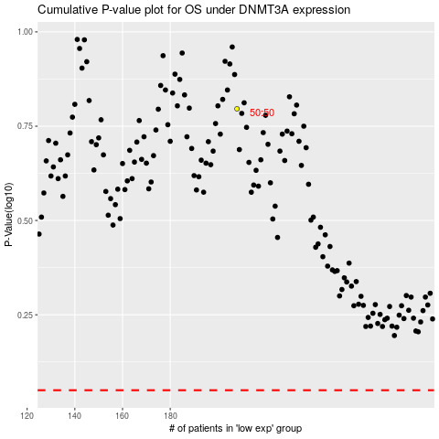

 |  |  |  |  |  | cases_OS | p_OS | rank | exp
 |  |  |  |  |  |  | cases_RFS | p_RFS | rank | exp

