DNMT3B _multivariate
Reported by Tex Li-Hsing Chi. tex@gate.sinica.edu.tw 2019-08-20

Table 2. The clinicopathological features of HNSCC cohort and DNMT3B expression. (Chi square test)
Cutoff at -0.112 (50.0%)
 |  | DNMT3B expression |  | DNMT3B expression |  | (Optimised)
 | Features | Low | (%) | High | (%) | Case no | P-value | Remark | Matthews
Gender | Female | 154 | 37.1 | 152 | 36.6 | 415 | 0.8463 | 0 | 0
2 | Male | 53 | 12.8 | 56 | 13.5
Age at diagnosis | <=65y | 138 | 33.3 | 136 | 32.8 | 415 | 0.8634 | 0 | 0
4 | >65y | 69 | 16.6 | 72 | 17.3
Clinical T Status | T1+T2 | 78 | 18.8 | 71 | 17.1 | 415 | 0.5152 | 0 | 0
6 | T3+T4 | 129 | 31.1 | 137 | 33
Clinical N Status | N0 | 98 | 23.6 | 118 | 28.4 | 415 | 0.0694 | 0 | 0
8 | N1-3 | 109 | 26.3 | 90 | 21.7
Clinical M Status | M0 | 207 | 49.9 | 205 | 49.4 | 415 | 0.2482 | 0 | 0
10 | M1 | 0 | 0 | 3 | 0.7
Clinical Stage | Stage I+II | 47 | 11.3 | 55 | 13.3 | 415 | 0.4413 | 0 | 0
12 | Stage III+IV | 160 | 38.6 | 153 | 36.9
Surgical Margin status | Negative | 159 | 38.3 | 159 | 38.3 | 415 | 1 | 0 | 0
14 | Positive | 48 | 11.6 | 49 | 11.8
Tobacco Exposure | Low | 85 | 20.5 | 76 | 18.3 | 415 | 0.3655 | 0 | 0
16 | High | 122 | 29.4 | 132 | 31.8

Table 3. Univariate/Multivariate Cox's proportional hazards regression analyses on OS time of DNMT3B gene expression in HNSCC

 |  | Univariate |  |  |  | Multivariate
 | Features | HR | CI95%(L) | CI95%(H) | P-value | HR | CI95%(L) | CI95%(H) | P-value
1 | Female | 1 |  |  |  | 1
Gender | Male | 1.157 | 0.843 | 1.587 | 0.367 | 1.203 | 0.861 | 1.681 | 0.278
11 | <=65y | 1 |  |  |  | 1
Age at diagnosis | >65y | 1.329 | 0.99 | 1.784 | 0.058 | 1.395 | 1.026 | 1.896 | 0.034
12 | T1+T2 | 1 |  |  |  | 1
Clinical T Status | T3+T4 | 1.409 | 1.028 | 1.931 | 0.033 | 2.212 | 1.17 | 4.184 | 0.015
13 | N0 | 1 |  |  |  | 1
Clinical N Status | N1-3 | 1.185 | 0.89 | 1.577 | 0.246 | 1.226 | 0.857 | 1.755 | 0.265
14 | M0 | 1 |  |  |  | 1
Clinical M Status | M1 | 4.097 | 1.009 | 16.644 | 0.049 | 9.851 | 2.125 | 45.67 | 0.003
15 | Stage I+II | 1 |  |  |  | 1
Clinical Stage | Stage III+IV | 1.245 | 0.882 | 1.759 | 0.213 | 0.503 | 0.234 | 1.079 | 0.078
16 | Negative | 1 |  |  |  | 1
Surgical Margin status | Positive | 1.591 | 1.155 | 2.191 | 0.004 | 1.665 | 1.205 | 2.301 | 0.002
17 | Low | 1 |  |  |  | 1
Tobacco Exposure | High | 1.364 | 1.008 | 1.844 | 0.044 | 1.458 | 1.058 | 2.008 | 0.021
18 | Low | 1 |  |  |  | 1
RNAseq(z-score) | High | 0.953 | 0.716 | 1.27 | 0.745 | 0.93 | 0.693 | 1.247 | 0.626

Table 4. Univariate/Multivariate Cox's proportional hazards regression analyses on RFS time of DNMT3B gene expression in HNSCC

 |  | Univariate |  |  |  | Multivariate
 | Features | HR | CI95%(L) | CI95%(H) | P-value | HR | CI95%(L) | CI95%(H) | P-value
1 | Female | 1 |  |  |  | 1
Gender | Male | 1.157 | 0.843 | 1.587 | 0.367 | 1.203 | 0.861 | 1.681 | 0.278
11 | <=65y | 1 |  |  |  | 1
Age at diagnosis | >65y | 1.329 | 0.99 | 1.784 | 0.058 | 1.395 | 1.026 | 1.896 | 0.034
12 | T1+T2 | 1 |  |  |  | 1
Clinical T Status | T3+T4 | 1.409 | 1.028 | 1.931 | 0.033 | 2.212 | 1.17 | 4.184 | 0.015
13 | N0 | 1 |  |  |  | 1
Clinical N Status | N1-3 | 1.185 | 0.89 | 1.577 | 0.246 | 1.226 | 0.857 | 1.755 | 0.265
14 | M0 | 1 |  |  |  | 1
Clinical M Status | M1 | 4.097 | 1.009 | 16.644 | 0.049 | 9.851 | 2.125 | 45.67 | 0.003
15 | Stage I+II | 1 |  |  |  | 1
Clinical Stage | Stage III+IV | 1.245 | 0.882 | 1.759 | 0.213 | 0.503 | 0.234 | 1.079 | 0.078
16 | Negative | 1 |  |  |  | 1
Surgical Margin status | Positive | 1.591 | 1.155 | 2.191 | 0.004 | 1.665 | 1.205 | 2.301 | 0.002
17 | Low | 1 |  |  |  | 1
Tobacco Exposure | High | 1.364 | 1.008 | 1.844 | 0.044 | 1.458 | 1.058 | 2.008 | 0.021
18 | Low | 1 |  |  |  | 1
RNAseq(z-score) | High | 0.953 | 0.716 | 1.27 | 0.745 | 0.93 | 0.693 | 1.247 | 0.626

Kaplan-Meier survival estimate: Cutoff at -0.112 (50.0%)



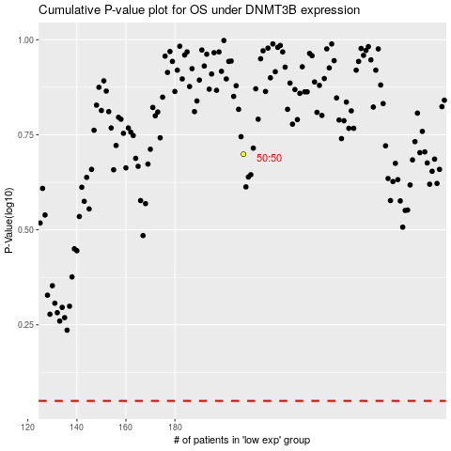

 |  |  |  |  |  | cases_OS | p_OS | rank | exp
 |  |  |  |  |  |  | cases_RFS | p_RFS | rank | exp

