DNTTIP1 _multivariate
Reported by Tex Li-Hsing Chi. tex@gate.sinica.edu.tw 2019-08-20

Table 2. The clinicopathological features of HNSCC cohort and DNTTIP1 expression. (Chi square test)
Cutoff at -0.165 (50.0%)
 |  | DNTTIP1 expression |  | DNTTIP1 expression |  | (Optimised)
 | Features | Low | (%) | High | (%) | Case no | P-value | Remark | Matthews
Gender | Female | 144 | 34.7 | 162 | 39 | 415 | 0.0697 | 0 | 0
2 | Male | 63 | 15.2 | 46 | 11.1
Age at diagnosis | <=65y | 131 | 31.6 | 143 | 34.5 | 415 | 0.2839 | 0 | 0
4 | >65y | 76 | 18.3 | 65 | 15.7
Clinical T Status | T1+T2 | 73 | 17.6 | 76 | 18.3 | 415 | 0.8666 | 0 | 0
6 | T3+T4 | 134 | 32.3 | 132 | 31.8
Clinical N Status | N0 | 123 | 29.6 | 93 | 22.4 | 415 | 0.0037 | 1 | 0
8 | N1-3 | 84 | 20.2 | 115 | 27.7
Clinical M Status | M0 | 207 | 49.9 | 205 | 49.4 | 415 | 0.2482 | 0 | 0
10 | M1 | 0 | 0 | 3 | 0.7
Clinical Stage | Stage I+II | 55 | 13.3 | 47 | 11.3 | 415 | 0.4087 | 0 | 0
12 | Stage III+IV | 152 | 36.6 | 161 | 38.8
Surgical Margin status | Negative | 162 | 39 | 156 | 37.6 | 415 | 0.4867 | 0 | 0
14 | Positive | 45 | 10.8 | 52 | 12.5
Tobacco Exposure | Low | 87 | 21 | 74 | 17.8 | 415 | 0.1911 | 0 | 0
16 | High | 120 | 28.9 | 134 | 32.3

Table 3. Univariate/Multivariate Cox's proportional hazards regression analyses on OS time of DNTTIP1 gene expression in HNSCC

 |  | Univariate |  |  |  | Multivariate
 | Features | HR | CI95%(L) | CI95%(H) | P-value | HR | CI95%(L) | CI95%(H) | P-value
1 | Female | 1 |  |  |  | 1
Gender | Male | 1.157 | 0.843 | 1.587 | 0.367 | 1.227 | 0.877 | 1.716 | 0.233
11 | <=65y | 1 |  |  |  | 1
Age at diagnosis | >65y | 1.329 | 0.99 | 1.784 | 0.058 | 1.39 | 1.023 | 1.888 | 0.035
12 | T1+T2 | 1 |  |  |  | 1
Clinical T Status | T3+T4 | 1.409 | 1.028 | 1.931 | 0.033 | 2.218 | 1.172 | 4.196 | 0.014
13 | N0 | 1 |  |  |  | 1
Clinical N Status | N1-3 | 1.185 | 0.89 | 1.577 | 0.246 | 1.201 | 0.839 | 1.719 | 0.316
14 | M0 | 1 |  |  |  | 1
Clinical M Status | M1 | 4.097 | 1.009 | 16.644 | 0.049 | 8.809 | 1.915 | 40.516 | 0.005
15 | Stage I+II | 1 |  |  |  | 1
Clinical Stage | Stage III+IV | 1.245 | 0.882 | 1.759 | 0.213 | 0.51 | 0.238 | 1.095 | 0.084
16 | Negative | 1 |  |  |  | 1
Surgical Margin status | Positive | 1.591 | 1.155 | 2.191 | 0.004 | 1.649 | 1.192 | 2.28 | 0.003
17 | Low | 1 |  |  |  | 1
Tobacco Exposure | High | 1.364 | 1.008 | 1.844 | 0.044 | 1.426 | 1.034 | 1.967 | 0.03
18 | Low | 1 |  |  |  | 1
RNAseq(z-score) | High | 1.264 | 0.948 | 1.685 | 0.11 | 1.203 | 0.894 | 1.619 | 0.222

Table 4. Univariate/Multivariate Cox's proportional hazards regression analyses on RFS time of DNTTIP1 gene expression in HNSCC

 |  | Univariate |  |  |  | Multivariate
 | Features | HR | CI95%(L) | CI95%(H) | P-value | HR | CI95%(L) | CI95%(H) | P-value
1 | Female | 1 |  |  |  | 1
Gender | Male | 1.157 | 0.843 | 1.587 | 0.367 | 1.227 | 0.877 | 1.716 | 0.233
11 | <=65y | 1 |  |  |  | 1
Age at diagnosis | >65y | 1.329 | 0.99 | 1.784 | 0.058 | 1.39 | 1.023 | 1.888 | 0.035
12 | T1+T2 | 1 |  |  |  | 1
Clinical T Status | T3+T4 | 1.409 | 1.028 | 1.931 | 0.033 | 2.218 | 1.172 | 4.196 | 0.014
13 | N0 | 1 |  |  |  | 1
Clinical N Status | N1-3 | 1.185 | 0.89 | 1.577 | 0.246 | 1.201 | 0.839 | 1.719 | 0.316
14 | M0 | 1 |  |  |  | 1
Clinical M Status | M1 | 4.097 | 1.009 | 16.644 | 0.049 | 8.809 | 1.915 | 40.516 | 0.005
15 | Stage I+II | 1 |  |  |  | 1
Clinical Stage | Stage III+IV | 1.245 | 0.882 | 1.759 | 0.213 | 0.51 | 0.238 | 1.095 | 0.084
16 | Negative | 1 |  |  |  | 1
Surgical Margin status | Positive | 1.591 | 1.155 | 2.191 | 0.004 | 1.649 | 1.192 | 2.28 | 0.003
17 | Low | 1 |  |  |  | 1
Tobacco Exposure | High | 1.364 | 1.008 | 1.844 | 0.044 | 1.426 | 1.034 | 1.967 | 0.03
18 | Low | 1 |  |  |  | 1
RNAseq(z-score) | High | 1.264 | 0.948 | 1.685 | 0.11 | 1.203 | 0.894 | 1.619 | 0.222

Kaplan-Meier survival estimate: Cutoff at -0.165 (50.0%)



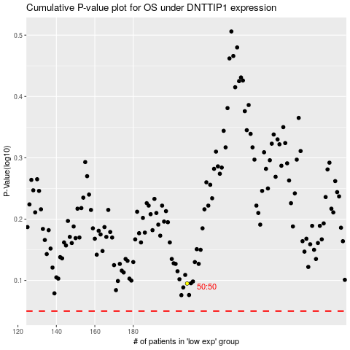

 |  |  |  |  |  | cases_OS | p_OS | rank | exp
 |  |  |  |  |  |  | cases_RFS | p_RFS | rank | exp

