DOC2A _multivariate
Reported by Tex Li-Hsing Chi. tex@gate.sinica.edu.tw 2019-08-20

Table 2. The clinicopathological features of HNSCC cohort and DOC2A expression. (Chi square test)
Cutoff at -0.334 (49.8%)
 |  | DOC2A expression |  | DOC2A expression |  | (Optimised)
 | Features | Low | (%) | High | (%) | Case no | P-value | Remark | Matthews
Gender | Female | 140 | 33.7 | 166 | 40 | 415 | 0.0068 | 1 | 0
2 | Male | 67 | 16.1 | 42 | 10.1
Age at diagnosis | <=65y | 131 | 31.6 | 143 | 34.5 | 415 | 0.2839 | 0 | 0
4 | >65y | 76 | 18.3 | 65 | 15.7
Clinical T Status | T1+T2 | 86 | 20.7 | 63 | 15.2 | 415 | 0.0221 | 1 | 0
6 | T3+T4 | 121 | 29.2 | 145 | 34.9
Clinical N Status | N0 | 115 | 27.7 | 101 | 24.3 | 415 | 0.184 | 1 | 0
8 | N1-3 | 92 | 22.2 | 107 | 25.8
Clinical M Status | M0 | 206 | 49.6 | 206 | 49.6 | 415 | 1 | 0 | 0
10 | M1 | 1 | 0.2 | 2 | 0.5
Clinical Stage | Stage I+II | 65 | 15.7 | 37 | 8.9 | 415 | 0.0019 | 1 | 0
12 | Stage III+IV | 142 | 34.2 | 171 | 41.2
Surgical Margin status | Negative | 167 | 40.2 | 151 | 36.4 | 415 | 0.0632 | 0 | 0
14 | Positive | 40 | 9.6 | 57 | 13.7
Tobacco Exposure | Low | 104 | 25.1 | 57 | 13.7 | 415 | 0 | 1 | 0
16 | High | 103 | 24.8 | 151 | 36.4

Table 3. Univariate/Multivariate Cox's proportional hazards regression analyses on OS time of DOC2A gene expression in HNSCC

 |  | Univariate |  |  |  | Multivariate
 | Features | HR | CI95%(L) | CI95%(H) | P-value | HR | CI95%(L) | CI95%(H) | P-value
1 | Female | 1 |  |  |  | 1
Gender | Male | 1.157 | 0.843 | 1.587 | 0.367 | 1.187 | 0.848 | 1.66 | 0.318
11 | <=65y | 1 |  |  |  | 1
Age at diagnosis | >65y | 1.329 | 0.99 | 1.784 | 0.058 | 1.387 | 1.021 | 1.885 | 0.037
12 | T1+T2 | 1 |  |  |  | 1
Clinical T Status | T3+T4 | 1.409 | 1.028 | 1.931 | 0.033 | 2.178 | 1.152 | 4.12 | 0.017
13 | N0 | 1 |  |  |  | 1
Clinical N Status | N1-3 | 1.185 | 0.89 | 1.577 | 0.246 | 1.23 | 0.862 | 1.756 | 0.253
14 | M0 | 1 |  |  |  | 1
Clinical M Status | M1 | 4.097 | 1.009 | 16.644 | 0.049 | 9.415 | 2.054 | 43.15 | 0.004
15 | Stage I+II | 1 |  |  |  | 1
Clinical Stage | Stage III+IV | 1.245 | 0.882 | 1.759 | 0.213 | 0.521 | 0.242 | 1.123 | 0.096
16 | Negative | 1 |  |  |  | 1
Surgical Margin status | Positive | 1.591 | 1.155 | 2.191 | 0.004 | 1.683 | 1.218 | 2.327 | 0.002
17 | Low | 1 |  |  |  | 1
Tobacco Exposure | High | 1.364 | 1.008 | 1.844 | 0.044 | 1.508 | 1.081 | 2.104 | 0.016
18 | Low | 1 |  |  |  | 1
RNAseq(z-score) | High | 0.978 | 0.734 | 1.303 | 0.878 | 0.879 | 0.646 | 1.195 | 0.41

Table 4. Univariate/Multivariate Cox's proportional hazards regression analyses on RFS time of DOC2A gene expression in HNSCC

 |  | Univariate |  |  |  | Multivariate
 | Features | HR | CI95%(L) | CI95%(H) | P-value | HR | CI95%(L) | CI95%(H) | P-value
1 | Female | 1 |  |  |  | 1
Gender | Male | 1.157 | 0.843 | 1.587 | 0.367 | 1.187 | 0.848 | 1.66 | 0.318
11 | <=65y | 1 |  |  |  | 1
Age at diagnosis | >65y | 1.329 | 0.99 | 1.784 | 0.058 | 1.387 | 1.021 | 1.885 | 0.037
12 | T1+T2 | 1 |  |  |  | 1
Clinical T Status | T3+T4 | 1.409 | 1.028 | 1.931 | 0.033 | 2.178 | 1.152 | 4.12 | 0.017
13 | N0 | 1 |  |  |  | 1
Clinical N Status | N1-3 | 1.185 | 0.89 | 1.577 | 0.246 | 1.23 | 0.862 | 1.756 | 0.253
14 | M0 | 1 |  |  |  | 1
Clinical M Status | M1 | 4.097 | 1.009 | 16.644 | 0.049 | 9.415 | 2.054 | 43.15 | 0.004
15 | Stage I+II | 1 |  |  |  | 1
Clinical Stage | Stage III+IV | 1.245 | 0.882 | 1.759 | 0.213 | 0.521 | 0.242 | 1.123 | 0.096
16 | Negative | 1 |  |  |  | 1
Surgical Margin status | Positive | 1.591 | 1.155 | 2.191 | 0.004 | 1.683 | 1.218 | 2.327 | 0.002
17 | Low | 1 |  |  |  | 1
Tobacco Exposure | High | 1.364 | 1.008 | 1.844 | 0.044 | 1.508 | 1.081 | 2.104 | 0.016
18 | Low | 1 |  |  |  | 1
RNAseq(z-score) | High | 0.978 | 0.734 | 1.303 | 0.878 | 0.879 | 0.646 | 1.195 | 0.41

Kaplan-Meier survival estimate: Cutoff at -0.334 (49.8%)

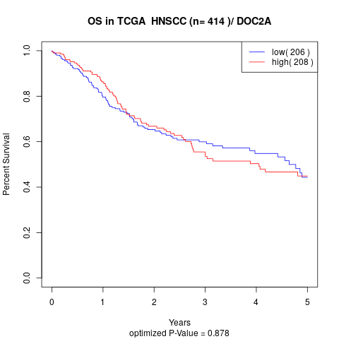

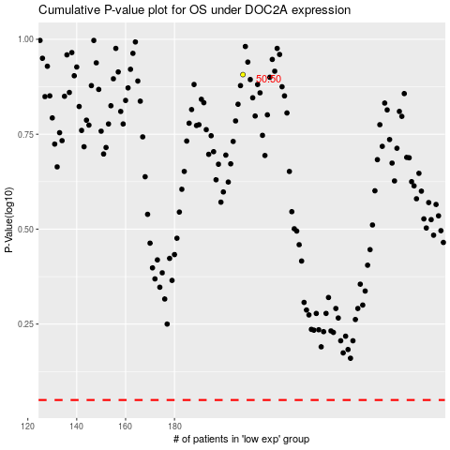

 |  |  |  |  |  | cases_OS | p_OS | rank | exp
 |  |  |  |  |  |  | cases_RFS | p_RFS | rank | exp

