DOCK4 _multivariate
Reported by Tex Li-Hsing Chi. tex@gate.sinica.edu.tw 2019-08-20

Table 2. The clinicopathological features of HNSCC cohort and DOCK4 expression. (Chi square test)
Cutoff at -0.218 (50.0%)
 |  | DOCK4 expression |  | DOCK4 expression |  | (Optimised)
 | Features | Low | (%) | High | (%) | Case no | P-value | Remark | Matthews
Gender | Female | 157 | 37.8 | 149 | 35.9 | 415 | 0.3881 | 0 | 0
2 | Male | 50 | 12 | 59 | 14.2
Age at diagnosis | <=65y | 141 | 34 | 133 | 32 | 415 | 0.4272 | 0 | 0
4 | >65y | 66 | 15.9 | 75 | 18.1
Clinical T Status | T1+T2 | 71 | 17.1 | 78 | 18.8 | 415 | 0.5638 | 0 | 0
6 | T3+T4 | 136 | 32.8 | 130 | 31.3
Clinical N Status | N0 | 114 | 27.5 | 102 | 24.6 | 415 | 0.2576 | 1 | 0
8 | N1-3 | 93 | 22.4 | 106 | 25.5
Clinical M Status | M0 | 205 | 49.4 | 207 | 49.9 | 415 | 0.6232 | 0 | 0
10 | M1 | 2 | 0.5 | 1 | 0.2
Clinical Stage | Stage I+II | 46 | 11.1 | 56 | 13.5 | 415 | 0.3182 | 0 | 0
12 | Stage III+IV | 161 | 38.8 | 152 | 36.6
Surgical Margin status | Negative | 154 | 37.1 | 164 | 39.5 | 415 | 0.2984 | 0 | 0
14 | Positive | 53 | 12.8 | 44 | 10.6
Tobacco Exposure | Low | 69 | 16.6 | 92 | 22.2 | 415 | 0.0266 | 1 | 0
16 | High | 138 | 33.3 | 116 | 28

Table 3. Univariate/Multivariate Cox's proportional hazards regression analyses on OS time of DOCK4 gene expression in HNSCC

 |  | Univariate |  |  |  | Multivariate
 | Features | HR | CI95%(L) | CI95%(H) | P-value | HR | CI95%(L) | CI95%(H) | P-value
1 | Female | 1 |  |  |  | 1
Gender | Male | 1.157 | 0.843 | 1.587 | 0.367 | 1.19 | 0.851 | 1.664 | 0.308
11 | <=65y | 1 |  |  |  | 1
Age at diagnosis | >65y | 1.329 | 0.99 | 1.784 | 0.058 | 1.392 | 1.025 | 1.891 | 0.034
12 | T1+T2 | 1 |  |  |  | 1
Clinical T Status | T3+T4 | 1.409 | 1.028 | 1.931 | 0.033 | 2.236 | 1.181 | 4.232 | 0.013
13 | N0 | 1 |  |  |  | 1
Clinical N Status | N1-3 | 1.185 | 0.89 | 1.577 | 0.246 | 1.272 | 0.889 | 1.82 | 0.188
14 | M0 | 1 |  |  |  | 1
Clinical M Status | M1 | 4.097 | 1.009 | 16.644 | 0.049 | 9.265 | 2.02 | 42.494 | 0.004
15 | Stage I+II | 1 |  |  |  | 1
Clinical Stage | Stage III+IV | 1.245 | 0.882 | 1.759 | 0.213 | 0.481 | 0.223 | 1.037 | 0.062
16 | Negative | 1 |  |  |  | 1
Surgical Margin status | Positive | 1.591 | 1.155 | 2.191 | 0.004 | 1.667 | 1.206 | 2.305 | 0.002
17 | Low | 1 |  |  |  | 1
Tobacco Exposure | High | 1.364 | 1.008 | 1.844 | 0.044 | 1.412 | 1.02 | 1.954 | 0.038
18 | Low | 1 |  |  |  | 1
RNAseq(z-score) | High | 0.804 | 0.603 | 1.072 | 0.138 | 0.849 | 0.632 | 1.141 | 0.279

Table 4. Univariate/Multivariate Cox's proportional hazards regression analyses on RFS time of DOCK4 gene expression in HNSCC

 |  | Univariate |  |  |  | Multivariate
 | Features | HR | CI95%(L) | CI95%(H) | P-value | HR | CI95%(L) | CI95%(H) | P-value
1 | Female | 1 |  |  |  | 1
Gender | Male | 1.157 | 0.843 | 1.587 | 0.367 | 1.19 | 0.851 | 1.664 | 0.308
11 | <=65y | 1 |  |  |  | 1
Age at diagnosis | >65y | 1.329 | 0.99 | 1.784 | 0.058 | 1.392 | 1.025 | 1.891 | 0.034
12 | T1+T2 | 1 |  |  |  | 1
Clinical T Status | T3+T4 | 1.409 | 1.028 | 1.931 | 0.033 | 2.236 | 1.181 | 4.232 | 0.013
13 | N0 | 1 |  |  |  | 1
Clinical N Status | N1-3 | 1.185 | 0.89 | 1.577 | 0.246 | 1.272 | 0.889 | 1.82 | 0.188
14 | M0 | 1 |  |  |  | 1
Clinical M Status | M1 | 4.097 | 1.009 | 16.644 | 0.049 | 9.265 | 2.02 | 42.494 | 0.004
15 | Stage I+II | 1 |  |  |  | 1
Clinical Stage | Stage III+IV | 1.245 | 0.882 | 1.759 | 0.213 | 0.481 | 0.223 | 1.037 | 0.062
16 | Negative | 1 |  |  |  | 1
Surgical Margin status | Positive | 1.591 | 1.155 | 2.191 | 0.004 | 1.667 | 1.206 | 2.305 | 0.002
17 | Low | 1 |  |  |  | 1
Tobacco Exposure | High | 1.364 | 1.008 | 1.844 | 0.044 | 1.412 | 1.02 | 1.954 | 0.038
18 | Low | 1 |  |  |  | 1
RNAseq(z-score) | High | 0.804 | 0.603 | 1.072 | 0.138 | 0.849 | 0.632 | 1.141 | 0.279

Kaplan-Meier survival estimate: Cutoff at -0.218 (50.0%)



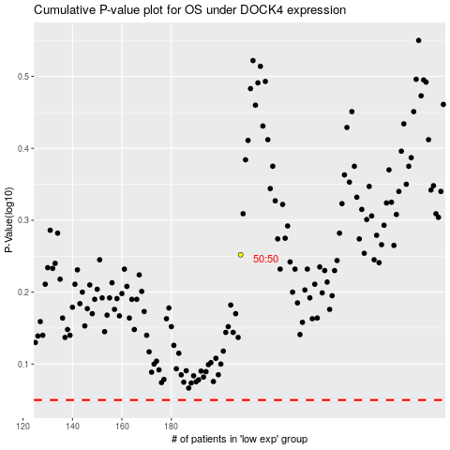

 |  |  |  |  |  | cases_OS | p_OS | rank | exp
 |  |  |  |  |  |  | cases_RFS | p_RFS | rank | exp

