DOCK5 _multivariate
Reported by Tex Li-Hsing Chi. tex@gate.sinica.edu.tw 2019-08-20

Table 2. The clinicopathological features of HNSCC cohort and DOCK5 expression. (Chi square test)
Cutoff at -0.177 (49.8%)
 |  | DOCK5 expression |  | DOCK5 expression |  | (Optimised)
 | Features | Low | (%) | High | (%) | Case no | P-value | Remark | Matthews
Gender | Female | 159 | 38.3 | 147 | 35.4 | 415 | 0.1905 | 0 | 0
2 | Male | 48 | 11.6 | 61 | 14.7
Age at diagnosis | <=65y | 146 | 35.2 | 128 | 30.8 | 415 | 0.0672 | 0 | 0
4 | >65y | 61 | 14.7 | 80 | 19.3
Clinical T Status | T1+T2 | 79 | 19 | 70 | 16.9 | 415 | 0.3924 | 0 | 0
6 | T3+T4 | 128 | 30.8 | 138 | 33.3
Clinical N Status | N0 | 107 | 25.8 | 109 | 26.3 | 415 | 0.9624 | 0 | 0
8 | N1-3 | 100 | 24.1 | 99 | 23.9
Clinical M Status | M0 | 204 | 49.2 | 208 | 50.1 | 415 | 0.1232 | 0 | 0
10 | M1 | 3 | 0.7 | 0 | 0
Clinical Stage | Stage I+II | 48 | 11.6 | 54 | 13 | 415 | 0.5878 | 0 | 0
12 | Stage III+IV | 159 | 38.3 | 154 | 37.1
Surgical Margin status | Negative | 154 | 37.1 | 164 | 39.5 | 415 | 0.2984 | 0 | 0
14 | Positive | 53 | 12.8 | 44 | 10.6
Tobacco Exposure | Low | 72 | 17.3 | 89 | 21.4 | 415 | 0.1071 | 0 | 0
16 | High | 135 | 32.5 | 119 | 28.7

Table 3. Univariate/Multivariate Cox's proportional hazards regression analyses on OS time of DOCK5 gene expression in HNSCC

 |  | Univariate |  |  |  | Multivariate
 | Features | HR | CI95%(L) | CI95%(H) | P-value | HR | CI95%(L) | CI95%(H) | P-value
1 | Female | 1 |  |  |  | 1
Gender | Male | 1.157 | 0.843 | 1.587 | 0.367 | 1.204 | 0.862 | 1.683 | 0.277
11 | <=65y | 1 |  |  |  | 1
Age at diagnosis | >65y | 1.329 | 0.99 | 1.784 | 0.058 | 1.376 | 1.011 | 1.873 | 0.042
12 | T1+T2 | 1 |  |  |  | 1
Clinical T Status | T3+T4 | 1.409 | 1.028 | 1.931 | 0.033 | 2.131 | 1.124 | 4.041 | 0.02
13 | N0 | 1 |  |  |  | 1
Clinical N Status | N1-3 | 1.185 | 0.89 | 1.577 | 0.246 | 1.223 | 0.856 | 1.748 | 0.268
14 | M0 | 1 |  |  |  | 1
Clinical M Status | M1 | 4.097 | 1.009 | 16.644 | 0.049 | 9.988 | 2.169 | 46 | 0.003
15 | Stage I+II | 1 |  |  |  | 1
Clinical Stage | Stage III+IV | 1.245 | 0.882 | 1.759 | 0.213 | 0.518 | 0.241 | 1.113 | 0.092
16 | Negative | 1 |  |  |  | 1
Surgical Margin status | Positive | 1.591 | 1.155 | 2.191 | 0.004 | 1.695 | 1.225 | 2.344 | 0.001
17 | Low | 1 |  |  |  | 1
Tobacco Exposure | High | 1.364 | 1.008 | 1.844 | 0.044 | 1.483 | 1.073 | 2.05 | 0.017
18 | Low | 1 |  |  |  | 1
RNAseq(z-score) | High | 1.15 | 0.863 | 1.533 | 0.34 | 1.164 | 0.866 | 1.564 | 0.314

Table 4. Univariate/Multivariate Cox's proportional hazards regression analyses on RFS time of DOCK5 gene expression in HNSCC

 |  | Univariate |  |  |  | Multivariate
 | Features | HR | CI95%(L) | CI95%(H) | P-value | HR | CI95%(L) | CI95%(H) | P-value
1 | Female | 1 |  |  |  | 1
Gender | Male | 1.157 | 0.843 | 1.587 | 0.367 | 1.204 | 0.862 | 1.683 | 0.277
11 | <=65y | 1 |  |  |  | 1
Age at diagnosis | >65y | 1.329 | 0.99 | 1.784 | 0.058 | 1.376 | 1.011 | 1.873 | 0.042
12 | T1+T2 | 1 |  |  |  | 1
Clinical T Status | T3+T4 | 1.409 | 1.028 | 1.931 | 0.033 | 2.131 | 1.124 | 4.041 | 0.02
13 | N0 | 1 |  |  |  | 1
Clinical N Status | N1-3 | 1.185 | 0.89 | 1.577 | 0.246 | 1.223 | 0.856 | 1.748 | 0.268
14 | M0 | 1 |  |  |  | 1
Clinical M Status | M1 | 4.097 | 1.009 | 16.644 | 0.049 | 9.988 | 2.169 | 46 | 0.003
15 | Stage I+II | 1 |  |  |  | 1
Clinical Stage | Stage III+IV | 1.245 | 0.882 | 1.759 | 0.213 | 0.518 | 0.241 | 1.113 | 0.092
16 | Negative | 1 |  |  |  | 1
Surgical Margin status | Positive | 1.591 | 1.155 | 2.191 | 0.004 | 1.695 | 1.225 | 2.344 | 0.001
17 | Low | 1 |  |  |  | 1
Tobacco Exposure | High | 1.364 | 1.008 | 1.844 | 0.044 | 1.483 | 1.073 | 2.05 | 0.017
18 | Low | 1 |  |  |  | 1
RNAseq(z-score) | High | 1.15 | 0.863 | 1.533 | 0.34 | 1.164 | 0.866 | 1.564 | 0.314

Kaplan-Meier survival estimate: Cutoff at -0.177 (49.8%)



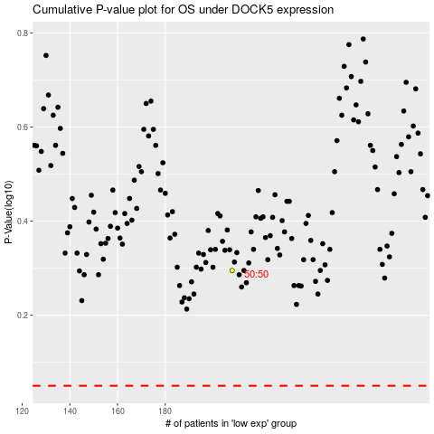

 |  |  |  |  |  | cases_OS | p_OS | rank | exp
 |  |  |  |  |  |  | cases_RFS | p_RFS | rank | exp

