DOCK9 _multivariate
Reported by Tex Li-Hsing Chi. tex@gate.sinica.edu.tw 2019-08-20

Table 2. The clinicopathological features of HNSCC cohort and DOCK9 expression. (Chi square test)
Cutoff at -0.199 (50.0%)
 |  | DOCK9 expression |  | DOCK9 expression |  | (Optimised)
 | Features | Low | (%) | High | (%) | Case no | P-value | Remark | Matthews
Gender | Female | 159 | 38.3 | 147 | 35.4 | 415 | 0.1905 | 0 | 0
2 | Male | 48 | 11.6 | 61 | 14.7
Age at diagnosis | <=65y | 136 | 32.8 | 138 | 33.3 | 415 | 0.9719 | 0 | 0
4 | >65y | 71 | 17.1 | 70 | 16.9
Clinical T Status | T1+T2 | 83 | 20 | 66 | 15.9 | 415 | 0.0941 | 0 | 0
6 | T3+T4 | 124 | 29.9 | 142 | 34.2
Clinical N Status | N0 | 109 | 26.3 | 107 | 25.8 | 415 | 0.8812 | 0 | 0
8 | N1-3 | 98 | 23.6 | 101 | 24.3
Clinical M Status | M0 | 204 | 49.2 | 208 | 50.1 | 415 | 0.1232 | 0 | 0
10 | M1 | 3 | 0.7 | 0 | 0
Clinical Stage | Stage I+II | 55 | 13.3 | 47 | 11.3 | 415 | 0.4087 | 0 | 0
12 | Stage III+IV | 152 | 36.6 | 161 | 38.8
Surgical Margin status | Negative | 158 | 38.1 | 160 | 38.6 | 415 | 0.9081 | 0 | 0
14 | Positive | 49 | 11.8 | 48 | 11.6
Tobacco Exposure | Low | 77 | 18.6 | 84 | 20.2 | 415 | 0.5459 | 0 | 0
16 | High | 130 | 31.3 | 124 | 29.9

Table 3. Univariate/Multivariate Cox's proportional hazards regression analyses on OS time of DOCK9 gene expression in HNSCC

 |  | Univariate |  |  |  | Multivariate
 | Features | HR | CI95%(L) | CI95%(H) | P-value | HR | CI95%(L) | CI95%(H) | P-value
1 | Female | 1 |  |  |  | 1
Gender | Male | 1.157 | 0.843 | 1.587 | 0.367 | 1.199 | 0.859 | 1.674 | 0.287
11 | <=65y | 1 |  |  |  | 1
Age at diagnosis | >65y | 1.329 | 0.99 | 1.784 | 0.058 | 1.407 | 1.035 | 1.914 | 0.029
12 | T1+T2 | 1 |  |  |  | 1
Clinical T Status | T3+T4 | 1.409 | 1.028 | 1.931 | 0.033 | 2.19 | 1.157 | 4.143 | 0.016
13 | N0 | 1 |  |  |  | 1
Clinical N Status | N1-3 | 1.185 | 0.89 | 1.577 | 0.246 | 1.256 | 0.88 | 1.793 | 0.21
14 | M0 | 1 |  |  |  | 1
Clinical M Status | M1 | 4.097 | 1.009 | 16.644 | 0.049 | 10.317 | 2.233 | 47.674 | 0.003
15 | Stage I+II | 1 |  |  |  | 1
Clinical Stage | Stage III+IV | 1.245 | 0.882 | 1.759 | 0.213 | 0.496 | 0.231 | 1.065 | 0.072
16 | Negative | 1 |  |  |  | 1
Surgical Margin status | Positive | 1.591 | 1.155 | 2.191 | 0.004 | 1.688 | 1.22 | 2.335 | 0.002
17 | Low | 1 |  |  |  | 1
Tobacco Exposure | High | 1.364 | 1.008 | 1.844 | 0.044 | 1.466 | 1.064 | 2.02 | 0.019
18 | Low | 1 |  |  |  | 1
RNAseq(z-score) | High | 1.147 | 0.859 | 1.531 | 0.352 | 1.2 | 0.896 | 1.608 | 0.221

Table 4. Univariate/Multivariate Cox's proportional hazards regression analyses on RFS time of DOCK9 gene expression in HNSCC

 |  | Univariate |  |  |  | Multivariate
 | Features | HR | CI95%(L) | CI95%(H) | P-value | HR | CI95%(L) | CI95%(H) | P-value
1 | Female | 1 |  |  |  | 1
Gender | Male | 1.157 | 0.843 | 1.587 | 0.367 | 1.199 | 0.859 | 1.674 | 0.287
11 | <=65y | 1 |  |  |  | 1
Age at diagnosis | >65y | 1.329 | 0.99 | 1.784 | 0.058 | 1.407 | 1.035 | 1.914 | 0.029
12 | T1+T2 | 1 |  |  |  | 1
Clinical T Status | T3+T4 | 1.409 | 1.028 | 1.931 | 0.033 | 2.19 | 1.157 | 4.143 | 0.016
13 | N0 | 1 |  |  |  | 1
Clinical N Status | N1-3 | 1.185 | 0.89 | 1.577 | 0.246 | 1.256 | 0.88 | 1.793 | 0.21
14 | M0 | 1 |  |  |  | 1
Clinical M Status | M1 | 4.097 | 1.009 | 16.644 | 0.049 | 10.317 | 2.233 | 47.674 | 0.003
15 | Stage I+II | 1 |  |  |  | 1
Clinical Stage | Stage III+IV | 1.245 | 0.882 | 1.759 | 0.213 | 0.496 | 0.231 | 1.065 | 0.072
16 | Negative | 1 |  |  |  | 1
Surgical Margin status | Positive | 1.591 | 1.155 | 2.191 | 0.004 | 1.688 | 1.22 | 2.335 | 0.002
17 | Low | 1 |  |  |  | 1
Tobacco Exposure | High | 1.364 | 1.008 | 1.844 | 0.044 | 1.466 | 1.064 | 2.02 | 0.019
18 | Low | 1 |  |  |  | 1
RNAseq(z-score) | High | 1.147 | 0.859 | 1.531 | 0.352 | 1.2 | 0.896 | 1.608 | 0.221

Kaplan-Meier survival estimate: Cutoff at -0.199 (50.0%)



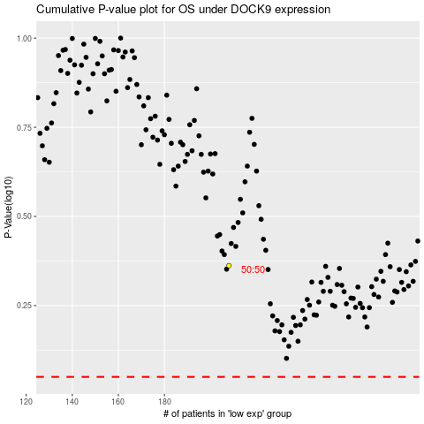

 |  |  |  |  |  | cases_OS | p_OS | rank | exp
 |  |  |  |  |  |  | cases_RFS | p_RFS | rank | exp

