DOK2 _multivariate
Reported by Tex Li-Hsing Chi. tex@gate.sinica.edu.tw 2019-08-20

Table 2. The clinicopathological features of HNSCC cohort and DOK2 expression. (Chi square test)
Cutoff at -0.545 (36.5%)
 |  | DOK2 expression |  | DOK2 expression |  | (Optimised)
 | Features | Low | (%) | High | (%) | Case no | P-value | Remark | Matthews
Gender | Female | 121 | 29.2 | 185 | 44.6 | 415 | 0.0512 | 0 | 0
2 | Male | 31 | 7.5 | 78 | 18.8
Age at diagnosis | <=65y | 100 | 24.1 | 174 | 41.9 | 415 | 1 | 0 | 0
4 | >65y | 52 | 12.5 | 89 | 21.4
Clinical T Status | T1+T2 | 51 | 12.3 | 98 | 23.6 | 415 | 0.5139 | 0 | 0
6 | T3+T4 | 101 | 24.3 | 165 | 39.8
Clinical N Status | N0 | 82 | 19.8 | 134 | 32.3 | 415 | 0.6264 | 0 | 0
8 | N1-3 | 70 | 16.9 | 129 | 31.1
Clinical M Status | M0 | 152 | 36.6 | 260 | 62.7 | 415 | 0.302 | 0 | 0
10 | M1 | 0 | 0 | 3 | 0.7
Clinical Stage | Stage I+II | 36 | 8.7 | 66 | 15.9 | 415 | 0.8389 | 0 | 0
12 | Stage III+IV | 116 | 28 | 197 | 47.5
Surgical Margin status | Negative | 108 | 26 | 210 | 50.6 | 415 | 0.0537 | 0 | 0
14 | Positive | 44 | 10.6 | 53 | 12.8
Tobacco Exposure | Low | 56 | 13.5 | 105 | 25.3 | 415 | 0.6013 | 0 | 0
16 | High | 96 | 23.1 | 158 | 38.1

Table 3. Univariate/Multivariate Cox's proportional hazards regression analyses on OS time of DOK2 gene expression in HNSCC

 |  | Univariate |  |  |  | Multivariate
 | Features | HR | CI95%(L) | CI95%(H) | P-value | HR | CI95%(L) | CI95%(H) | P-value
1 | Female | 1 |  |  |  | 1
Gender | Male | 1.157 | 0.843 | 1.587 | 0.367 | 1.235 | 0.884 | 1.726 | 0.216
11 | <=65y | 1 |  |  |  | 1
Age at diagnosis | >65y | 1.329 | 0.99 | 1.784 | 0.058 | 1.384 | 1.02 | 1.878 | 0.037
12 | T1+T2 | 1 |  |  |  | 1
Clinical T Status | T3+T4 | 1.409 | 1.028 | 1.931 | 0.033 | 2.273 | 1.201 | 4.301 | 0.012
13 | N0 | 1 |  |  |  | 1
Clinical N Status | N1-3 | 1.185 | 0.89 | 1.577 | 0.246 | 1.271 | 0.891 | 1.815 | 0.186
14 | M0 | 1 |  |  |  | 1
Clinical M Status | M1 | 4.097 | 1.009 | 16.644 | 0.049 | 10.926 | 2.365 | 50.479 | 0.002
15 | Stage I+II | 1 |  |  |  | 1
Clinical Stage | Stage III+IV | 1.245 | 0.882 | 1.759 | 0.213 | 0.49 | 0.228 | 1.052 | 0.067
16 | Negative | 1 |  |  |  | 1
Surgical Margin status | Positive | 1.591 | 1.155 | 2.191 | 0.004 | 1.656 | 1.198 | 2.29 | 0.002
17 | Low | 1 |  |  |  | 1
Tobacco Exposure | High | 1.364 | 1.008 | 1.844 | 0.044 | 1.404 | 1.018 | 1.936 | 0.039
18 | Low | 1 |  |  |  | 1
RNAseq(z-score) | High | 0.743 | 0.553 | 0.997 | 0.048 | 0.726 | 0.537 | 0.981 | 0.037

Table 4. Univariate/Multivariate Cox's proportional hazards regression analyses on RFS time of DOK2 gene expression in HNSCC

 |  | Univariate |  |  |  | Multivariate
 | Features | HR | CI95%(L) | CI95%(H) | P-value | HR | CI95%(L) | CI95%(H) | P-value
1 | Female | 1 |  |  |  | 1
Gender | Male | 1.157 | 0.843 | 1.587 | 0.367 | 1.235 | 0.884 | 1.726 | 0.216
11 | <=65y | 1 |  |  |  | 1
Age at diagnosis | >65y | 1.329 | 0.99 | 1.784 | 0.058 | 1.384 | 1.02 | 1.878 | 0.037
12 | T1+T2 | 1 |  |  |  | 1
Clinical T Status | T3+T4 | 1.409 | 1.028 | 1.931 | 0.033 | 2.273 | 1.201 | 4.301 | 0.012
13 | N0 | 1 |  |  |  | 1
Clinical N Status | N1-3 | 1.185 | 0.89 | 1.577 | 0.246 | 1.271 | 0.891 | 1.815 | 0.186
14 | M0 | 1 |  |  |  | 1
Clinical M Status | M1 | 4.097 | 1.009 | 16.644 | 0.049 | 10.926 | 2.365 | 50.479 | 0.002
15 | Stage I+II | 1 |  |  |  | 1
Clinical Stage | Stage III+IV | 1.245 | 0.882 | 1.759 | 0.213 | 0.49 | 0.228 | 1.052 | 0.067
16 | Negative | 1 |  |  |  | 1
Surgical Margin status | Positive | 1.591 | 1.155 | 2.191 | 0.004 | 1.656 | 1.198 | 2.29 | 0.002
17 | Low | 1 |  |  |  | 1
Tobacco Exposure | High | 1.364 | 1.008 | 1.844 | 0.044 | 1.404 | 1.018 | 1.936 | 0.039
18 | Low | 1 |  |  |  | 1
RNAseq(z-score) | High | 0.743 | 0.553 | 0.997 | 0.048 | 0.726 | 0.537 | 0.981 | 0.037

Kaplan-Meier survival estimate: Cutoff at -0.545 (36.5%)



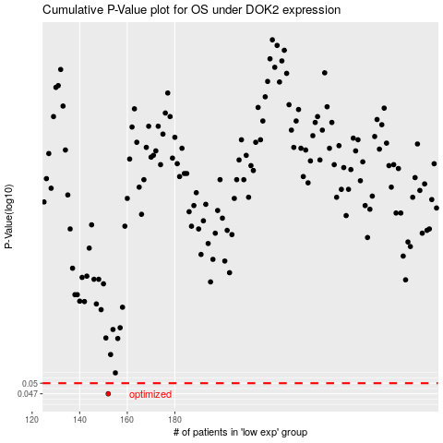

 |  |  |  |  |  | cases_OS | p_OS | rank | exp
 |  |  |  |  |  | 152 | 0.047 | 152 | -0.54545764127
 |  |  |  |  |  |  | cases_RFS | p_RFS | rank | exp
 |  |  |  |  |  |  | 151 | 0.047 | 78 | -0.54707716178

