DOK3 _multivariate
Reported by Tex Li-Hsing Chi. tex@gate.sinica.edu.tw 2019-08-20

Table 2. The clinicopathological features of HNSCC cohort and DOK3 expression. (Chi square test)
Cutoff at -0.253 (49.8%)
 |  | DOK3 expression |  | DOK3 expression |  | (Optimised)
 | Features | Low | (%) | High | (%) | Case no | P-value | Remark | Matthews
Gender | Female | 161 | 38.8 | 145 | 34.9 | 415 | 0.0792 | 0 | 0
2 | Male | 46 | 11.1 | 63 | 15.2
Age at diagnosis | <=65y | 144 | 34.7 | 130 | 31.3 | 415 | 0.1568 | 0 | 0
4 | >65y | 63 | 15.2 | 78 | 18.8
Clinical T Status | T1+T2 | 70 | 16.9 | 79 | 19 | 415 | 0.4343 | 0 | 0
6 | T3+T4 | 137 | 33 | 129 | 31.1
Clinical N Status | N0 | 117 | 28.2 | 99 | 23.9 | 415 | 0.0852 | 1 | 0
8 | N1-3 | 90 | 21.7 | 109 | 26.3
Clinical M Status | M0 | 207 | 49.9 | 205 | 49.4 | 415 | 0.2482 | 0 | 0
10 | M1 | 0 | 0 | 3 | 0.7
Clinical Stage | Stage I+II | 50 | 12 | 52 | 12.5 | 415 | 0.9315 | 0 | 0
12 | Stage III+IV | 157 | 37.8 | 156 | 37.6
Surgical Margin status | Negative | 154 | 37.1 | 164 | 39.5 | 415 | 0.2984 | 0 | 0
14 | Positive | 53 | 12.8 | 44 | 10.6
Tobacco Exposure | Low | 70 | 16.9 | 91 | 21.9 | 415 | 0.0439 | 1 | 0
16 | High | 137 | 33 | 117 | 28.2

Table 3. Univariate/Multivariate Cox's proportional hazards regression analyses on OS time of DOK3 gene expression in HNSCC

 |  | Univariate |  |  |  | Multivariate
 | Features | HR | CI95%(L) | CI95%(H) | P-value | HR | CI95%(L) | CI95%(H) | P-value
1 | Female | 1 |  |  |  | 1
Gender | Male | 1.157 | 0.843 | 1.587 | 0.367 | 1.211 | 0.866 | 1.692 | 0.263
11 | <=65y | 1 |  |  |  | 1
Age at diagnosis | >65y | 1.329 | 0.99 | 1.784 | 0.058 | 1.405 | 1.034 | 1.909 | 0.03
12 | T1+T2 | 1 |  |  |  | 1
Clinical T Status | T3+T4 | 1.409 | 1.028 | 1.931 | 0.033 | 2.215 | 1.171 | 4.189 | 0.014
13 | N0 | 1 |  |  |  | 1
Clinical N Status | N1-3 | 1.185 | 0.89 | 1.577 | 0.246 | 1.265 | 0.885 | 1.808 | 0.197
14 | M0 | 1 |  |  |  | 1
Clinical M Status | M1 | 4.097 | 1.009 | 16.644 | 0.049 | 10.205 | 2.207 | 47.188 | 0.003
15 | Stage I+II | 1 |  |  |  | 1
Clinical Stage | Stage III+IV | 1.245 | 0.882 | 1.759 | 0.213 | 0.494 | 0.23 | 1.062 | 0.071
16 | Negative | 1 |  |  |  | 1
Surgical Margin status | Positive | 1.591 | 1.155 | 2.191 | 0.004 | 1.672 | 1.21 | 2.311 | 0.002
17 | Low | 1 |  |  |  | 1
Tobacco Exposure | High | 1.364 | 1.008 | 1.844 | 0.044 | 1.43 | 1.037 | 1.973 | 0.029
18 | Low | 1 |  |  |  | 1
RNAseq(z-score) | High | 0.879 | 0.66 | 1.172 | 0.381 | 0.858 | 0.64 | 1.151 | 0.307

Table 4. Univariate/Multivariate Cox's proportional hazards regression analyses on RFS time of DOK3 gene expression in HNSCC

 |  | Univariate |  |  |  | Multivariate
 | Features | HR | CI95%(L) | CI95%(H) | P-value | HR | CI95%(L) | CI95%(H) | P-value
1 | Female | 1 |  |  |  | 1
Gender | Male | 1.157 | 0.843 | 1.587 | 0.367 | 1.211 | 0.866 | 1.692 | 0.263
11 | <=65y | 1 |  |  |  | 1
Age at diagnosis | >65y | 1.329 | 0.99 | 1.784 | 0.058 | 1.405 | 1.034 | 1.909 | 0.03
12 | T1+T2 | 1 |  |  |  | 1
Clinical T Status | T3+T4 | 1.409 | 1.028 | 1.931 | 0.033 | 2.215 | 1.171 | 4.189 | 0.014
13 | N0 | 1 |  |  |  | 1
Clinical N Status | N1-3 | 1.185 | 0.89 | 1.577 | 0.246 | 1.265 | 0.885 | 1.808 | 0.197
14 | M0 | 1 |  |  |  | 1
Clinical M Status | M1 | 4.097 | 1.009 | 16.644 | 0.049 | 10.205 | 2.207 | 47.188 | 0.003
15 | Stage I+II | 1 |  |  |  | 1
Clinical Stage | Stage III+IV | 1.245 | 0.882 | 1.759 | 0.213 | 0.494 | 0.23 | 1.062 | 0.071
16 | Negative | 1 |  |  |  | 1
Surgical Margin status | Positive | 1.591 | 1.155 | 2.191 | 0.004 | 1.672 | 1.21 | 2.311 | 0.002
17 | Low | 1 |  |  |  | 1
Tobacco Exposure | High | 1.364 | 1.008 | 1.844 | 0.044 | 1.43 | 1.037 | 1.973 | 0.029
18 | Low | 1 |  |  |  | 1
RNAseq(z-score) | High | 0.879 | 0.66 | 1.172 | 0.381 | 0.858 | 0.64 | 1.151 | 0.307

Kaplan-Meier survival estimate: Cutoff at -0.253 (49.8%)



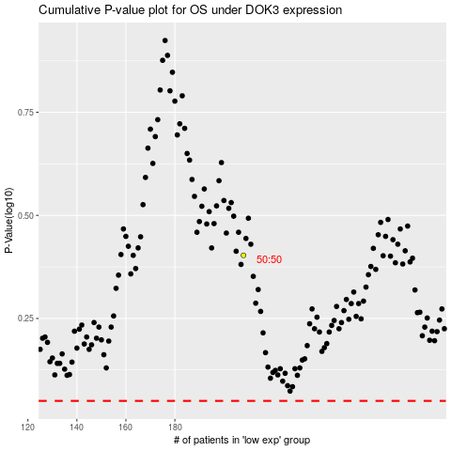

 |  |  |  |  |  | cases_OS | p_OS | rank | exp
 |  |  |  |  |  |  | cases_RFS | p_RFS | rank | exp

