DOLPP1 _multivariate
Reported by Tex Li-Hsing Chi. tex@gate.sinica.edu.tw 2019-08-20

Table 2. The clinicopathological features of HNSCC cohort and DOLPP1 expression. (Chi square test)
Cutoff at 0.405 (69.6%)
 |  | DOLPP1 expression |  | DOLPP1 expression |  | (Optimised)
 | Features | Low | (%) | High | (%) | Case no | P-value | Remark | Matthews
Gender | Female | 211 | 50.8 | 95 | 22.9 | 415 | 0.699 | 0 | 0
2 | Male | 78 | 18.8 | 31 | 7.5
Age at diagnosis | <=65y | 192 | 46.3 | 82 | 19.8 | 415 | 0.8763 | 0 | 0
4 | >65y | 97 | 23.4 | 44 | 10.6
Clinical T Status | T1+T2 | 105 | 25.3 | 44 | 10.6 | 415 | 0.8695 | 0 | 0
6 | T3+T4 | 184 | 44.3 | 82 | 19.8
Clinical N Status | N0 | 144 | 34.7 | 72 | 17.3 | 415 | 0.2059 | 0 | 0
8 | N1-3 | 145 | 34.9 | 54 | 13
Clinical M Status | M0 | 287 | 69.2 | 125 | 30.1 | 415 | 1 | 0 | 0
10 | M1 | 2 | 0.5 | 1 | 0.2
Clinical Stage | Stage I+II | 67 | 16.1 | 35 | 8.4 | 415 | 0.3813 | 0 | 0
12 | Stage III+IV | 222 | 53.5 | 91 | 21.9
Surgical Margin status | Negative | 221 | 53.3 | 97 | 23.4 | 415 | 1 | 0 | 0
14 | Positive | 68 | 16.4 | 29 | 7
Tobacco Exposure | Low | 119 | 28.7 | 42 | 10.1 | 415 | 0.1544 | 0 | 0
16 | High | 170 | 41 | 84 | 20.2

Table 3. Univariate/Multivariate Cox's proportional hazards regression analyses on OS time of DOLPP1 gene expression in HNSCC

 |  | Univariate |  |  |  | Multivariate
 | Features | HR | CI95%(L) | CI95%(H) | P-value | HR | CI95%(L) | CI95%(H) | P-value
1 | Female | 1 |  |  |  | 1
Gender | Male | 1.157 | 0.843 | 1.587 | 0.367 | 1.235 | 0.882 | 1.729 | 0.22
11 | <=65y | 1 |  |  |  | 1
Age at diagnosis | >65y | 1.329 | 0.99 | 1.784 | 0.058 | 1.338 | 0.982 | 1.822 | 0.065
12 | T1+T2 | 1 |  |  |  | 1
Clinical T Status | T3+T4 | 1.409 | 1.028 | 1.931 | 0.033 | 2.118 | 1.119 | 4.01 | 0.021
13 | N0 | 1 |  |  |  | 1
Clinical N Status | N1-3 | 1.185 | 0.89 | 1.577 | 0.246 | 1.242 | 0.87 | 1.772 | 0.233
14 | M0 | 1 |  |  |  | 1
Clinical M Status | M1 | 4.097 | 1.009 | 16.644 | 0.049 | 9.418 | 2.054 | 43.183 | 0.004
15 | Stage I+II | 1 |  |  |  | 1
Clinical Stage | Stage III+IV | 1.245 | 0.882 | 1.759 | 0.213 | 0.523 | 0.243 | 1.123 | 0.096
16 | Negative | 1 |  |  |  | 1
Surgical Margin status | Positive | 1.591 | 1.155 | 2.191 | 0.004 | 1.67 | 1.208 | 2.308 | 0.002
17 | Low | 1 |  |  |  | 1
Tobacco Exposure | High | 1.364 | 1.008 | 1.844 | 0.044 | 1.4 | 1.012 | 1.936 | 0.042
18 | Low | 1 |  |  |  | 1
RNAseq(z-score) | High | 1.485 | 1.103 | 2 | 0.009 | 1.379 | 1.018 | 1.867 | 0.038

Table 4. Univariate/Multivariate Cox's proportional hazards regression analyses on RFS time of DOLPP1 gene expression in HNSCC

 |  | Univariate |  |  |  | Multivariate
 | Features | HR | CI95%(L) | CI95%(H) | P-value | HR | CI95%(L) | CI95%(H) | P-value
1 | Female | 1 |  |  |  | 1
Gender | Male | 1.157 | 0.843 | 1.587 | 0.367 | 1.235 | 0.882 | 1.729 | 0.22
11 | <=65y | 1 |  |  |  | 1
Age at diagnosis | >65y | 1.329 | 0.99 | 1.784 | 0.058 | 1.338 | 0.982 | 1.822 | 0.065
12 | T1+T2 | 1 |  |  |  | 1
Clinical T Status | T3+T4 | 1.409 | 1.028 | 1.931 | 0.033 | 2.118 | 1.119 | 4.01 | 0.021
13 | N0 | 1 |  |  |  | 1
Clinical N Status | N1-3 | 1.185 | 0.89 | 1.577 | 0.246 | 1.242 | 0.87 | 1.772 | 0.233
14 | M0 | 1 |  |  |  | 1
Clinical M Status | M1 | 4.097 | 1.009 | 16.644 | 0.049 | 9.418 | 2.054 | 43.183 | 0.004
15 | Stage I+II | 1 |  |  |  | 1
Clinical Stage | Stage III+IV | 1.245 | 0.882 | 1.759 | 0.213 | 0.523 | 0.243 | 1.123 | 0.096
16 | Negative | 1 |  |  |  | 1
Surgical Margin status | Positive | 1.591 | 1.155 | 2.191 | 0.004 | 1.67 | 1.208 | 2.308 | 0.002
17 | Low | 1 |  |  |  | 1
Tobacco Exposure | High | 1.364 | 1.008 | 1.844 | 0.044 | 1.4 | 1.012 | 1.936 | 0.042
18 | Low | 1 |  |  |  | 1
RNAseq(z-score) | High | 1.485 | 1.103 | 2 | 0.009 | 1.379 | 1.018 | 1.867 | 0.038

Kaplan-Meier survival estimate: Cutoff at 0.405 (69.6%)

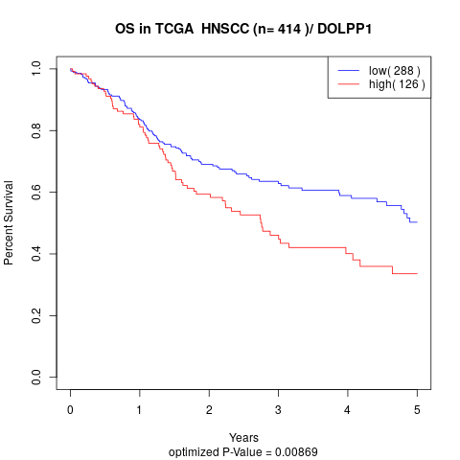

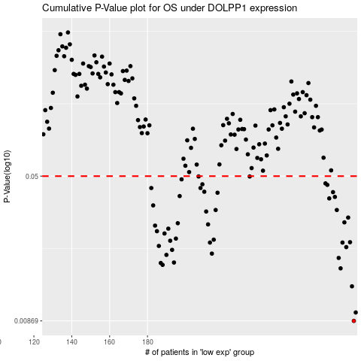

 |  |  |  |  |  | cases_OS | p_OS | rank | exp
 |  |  |  |  |  | 289 | 0.00869 | 256 | 0.40468020703
 |  |  |  |  |  | 290 | 0.00962 | 285 | 0.40959290941
 |  |  |  |  |  | 288 | 0.0132 | 195 | 0.40145174706
 |  |  |  |  |  | 282 | 0.0164 | 326 | 0.37042066544
 |  |  |  |  |  | 188 | 0.0171 | 370 | -0.19439337798
 |  |  |  |  |  | 187 | 0.0175 | 28 | -0.19573367205
 |  |  |  |  |  | 194 | 0.0176 | 339 | -0.15943962874
 |  |  |  |  |  | 281 | 0.0186 | 147 | 0.36862203654
 |  |  |  |  |  | 190 | 0.0193 | 114 | -0.19273832385
 |  |  |  |  |  | 214 | 0.0196 | 273 | -0.080641144765
 |  |  |  |  |  | 193 | 0.0205 | 378 | -0.16011095909
 |  |  |  |  |  | 285 | 0.0212 | 79 | 0.38155165389
 |  |  |  |  |  | 186 | 0.0215 | 164 | -0.20307767893
 |  |  |  |  |  | 213 | 0.0224 | 299 | -0.083571016566
 |  |  |  |  |  | 283 | 0.0224 | 414 | 0.37185877968
 |  |  |  |  |  | 287 | 0.0225 | 232 | 0.39858459061
 |  |  |  |  |  | 192 | 0.0229 | 307 | -0.18520064882
 |  |  |  |  |  | 215 | 0.0232 | 155 | -0.075188853718
 |  |  |  |  |  | 195 | 0.0235 | 323 | -0.15622773509
 |  |  |  |  |  | 189 | 0.025 | 106 | -0.19284127169
 |  |  |  |  |  | 185 | 0.0257 | 157 | -0.20594128545
 |  |  |  |  |  | 191 | 0.0265 | 11 | -0.18680284851
 |  |  |  |  |  | 184 | 0.0275 | 144 | -0.20599137884
 |  |  |  |  |  | 212 | 0.0279 | 30 | -0.084606411487
 |  |  |  |  |  | 196 | 0.0283 | 191 | -0.14785030547
 |  |  |  |  |  | 284 | 0.0286 | 399 | 0.37720102304
 |  |  |  |  |  | 286 | 0.0303 | 301 | 0.38319881929
 |  |  |  |  |  | 211 | 0.0326 | 310 | -0.09027800904
 |  |  |  |  |  | 280 | 0.0332 | 182 | 0.36735826308
 |  |  |  |  |  | 216 | 0.0332 | 411 | -0.068974117572
 |  |  |  |  |  | 183 | 0.0351 | 363 | -0.21252639715
 |  |  |  |  |  | 276 | 0.0382 | 289 | 0.34993877893
 |  |  |  |  |  | 279 | 0.0389 | 103 | 0.36661593423
 |  |  |  |  |  | 197 | 0.0393 | 248 | -0.14758287775
 |  |  |  |  |  | 217 | 0.0409 | 349 | -0.05268193196
 |  |  |  |  |  | 278 | 0.0412 | 304 | 0.36416056913
 |  |  |  |  |  | 210 | 0.0414 | 40 | -0.091552037838
 |  |  |  |  |  | 182 | 0.0433 | 42 | -0.22062732702
 |  |  |  |  |  | 208 | 0.0433 | 212 | -0.099487304516
 |  |  |  |  |  | 275 | 0.045 | 295 | 0.33200928881
 |  |  |  |  |  | 209 | 0.0453 | 415 | -0.098935488328
 |  |  |  |  |  | 274 | 0.0458 | 13 | 0.32206200328
 |  |  |  |  |  | 198 | 0.0481 | 385 | -0.1455294431
 |  |  |  |  |  | 234 | 0.0498 | 226 | 0.042837489733
 |  |  |  |  |  | 207 | 0.0498 | 340 | -0.1035862851
 |  |  |  |  |  |  | cases_RFS | p_RFS | rank | exp
 |  |  |  |  |  |  | 288 | 0.00869 | 195 | 0.40145174706
 |  |  |  |  |  |  | 289 | 0.00962 | 256 | 0.40468020703
 |  |  |  |  |  |  | 287 | 0.0132 | 232 | 0.39858459061
 |  |  |  |  |  |  | 281 | 0.0164 | 147 | 0.36862203654
 |  |  |  |  |  |  | 187 | 0.0171 | 28 | -0.19573367205
 |  |  |  |  |  |  | 186 | 0.0175 | 164 | -0.20307767893
 |  |  |  |  |  |  | 193 | 0.0176 | 378 | -0.16011095909
 |  |  |  |  |  |  | 280 | 0.0186 | 182 | 0.36735826308
 |  |  |  |  |  |  | 189 | 0.0193 | 106 | -0.19284127169
 |  |  |  |  |  |  | 213 | 0.0196 | 299 | -0.083571016566
 |  |  |  |  |  |  | 192 | 0.0205 | 307 | -0.18520064882
 |  |  |  |  |  |  | 284 | 0.0212 | 399 | 0.37720102304
 |  |  |  |  |  |  | 185 | 0.0215 | 157 | -0.20594128545
 |  |  |  |  |  |  | 212 | 0.0224 | 30 | -0.084606411487
 |  |  |  |  |  |  | 282 | 0.0224 | 326 | 0.37042066544
 |  |  |  |  |  |  | 286 | 0.0225 | 301 | 0.38319881929
 |  |  |  |  |  |  | 191 | 0.0229 | 11 | -0.18680284851
 |  |  |  |  |  |  | 214 | 0.0232 | 273 | -0.080641144765
 |  |  |  |  |  |  | 194 | 0.0235 | 339 | -0.15943962874
 |  |  |  |  |  |  | 188 | 0.025 | 370 | -0.19439337798
 |  |  |  |  |  |  | 184 | 0.0257 | 144 | -0.20599137884
 |  |  |  |  |  |  | 190 | 0.0265 | 114 | -0.19273832385
 |  |  |  |  |  |  | 183 | 0.0275 | 363 | -0.21252639715
 |  |  |  |  |  |  | 211 | 0.0279 | 310 | -0.09027800904
 |  |  |  |  |  |  | 195 | 0.0283 | 323 | -0.15622773509
 |  |  |  |  |  |  | 283 | 0.0286 | 414 | 0.37185877968
 |  |  |  |  |  |  | 285 | 0.0303 | 79 | 0.38155165389
 |  |  |  |  |  |  | 210 | 0.0326 | 40 | -0.091552037838
 |  |  |  |  |  |  | 279 | 0.0332 | 103 | 0.36661593423
 |  |  |  |  |  |  | 215 | 0.0332 | 155 | -0.075188853718
 |  |  |  |  |  |  | 182 | 0.0351 | 42 | -0.22062732702
 |  |  |  |  |  |  | 275 | 0.0382 | 295 | 0.33200928881
 |  |  |  |  |  |  | 278 | 0.0389 | 304 | 0.36416056913
 |  |  |  |  |  |  | 196 | 0.0393 | 191 | -0.14785030547
 |  |  |  |  |  |  | 216 | 0.0409 | 411 | -0.068974117572
 |  |  |  |  |  |  | 277 | 0.0412 | 49 | 0.35233418973
 |  |  |  |  |  |  | 209 | 0.0414 | 415 | -0.098935488328
 |  |  |  |  |  |  | 181 | 0.0433 | 245 | -0.22226699814
 |  |  |  |  |  |  | 207 | 0.0433 | 340 | -0.1035862851
 |  |  |  |  |  |  | 274 | 0.045 | 13 | 0.32206200328
 |  |  |  |  |  |  | 208 | 0.0453 | 212 | -0.099487304516
 |  |  |  |  |  |  | 273 | 0.0458 | 396 | 0.30740160006
 |  |  |  |  |  |  | 197 | 0.0481 | 248 | -0.14758287775
 |  |  |  |  |  |  | 206 | 0.0498 | 33 | -0.10363835067
 |  |  |  |  |  |  | 233 | 0.0498 | 255 | 0.036524933419

