DPAGT1 _multivariate
Reported by Tex Li-Hsing Chi. tex@gate.sinica.edu.tw 2019-08-20

Table 2. The clinicopathological features of HNSCC cohort and DPAGT1 expression. (Chi square test)
Cutoff at -0.324 (40.8%)
 |  | DPAGT1 expression |  | DPAGT1 expression |  | (Optimised)
 | Features | Low | (%) | High | (%) | Case no | P-value | Remark | Matthews
Gender | Female | 137 | 33 | 169 | 40.7 | 415 | 0.0114 | 1 | 0
2 | Male | 33 | 8 | 76 | 18.3
Age at diagnosis | <=65y | 116 | 28 | 158 | 38.1 | 415 | 0.4922 | 0 | 0
4 | >65y | 54 | 13 | 87 | 21
Clinical T Status | T1+T2 | 64 | 15.4 | 85 | 20.5 | 415 | 0.6082 | 0 | 0
6 | T3+T4 | 106 | 25.5 | 160 | 38.6
Clinical N Status | N0 | 78 | 18.8 | 138 | 33.3 | 415 | 0.0461 | 1 | 0
8 | N1-3 | 92 | 22.2 | 107 | 25.8
Clinical M Status | M0 | 169 | 40.7 | 243 | 58.6 | 415 | 1 | 0 | 0
10 | M1 | 1 | 0.2 | 2 | 0.5
Clinical Stage | Stage I+II | 38 | 9.2 | 64 | 15.4 | 415 | 0.4466 | 0 | 0
12 | Stage III+IV | 132 | 31.8 | 181 | 43.6
Surgical Margin status | Negative | 127 | 30.6 | 191 | 46 | 415 | 0.4798 | 0 | 0
14 | Positive | 43 | 10.4 | 54 | 13
Tobacco Exposure | Low | 55 | 13.3 | 106 | 25.5 | 415 | 0.0313 | 1 | 0
16 | High | 115 | 27.7 | 139 | 33.5

Table 3. Univariate/Multivariate Cox's proportional hazards regression analyses on OS time of DPAGT1 gene expression in HNSCC

 |  | Univariate |  |  |  | Multivariate
 | Features | HR | CI95%(L) | CI95%(H) | P-value | HR | CI95%(L) | CI95%(H) | P-value
1 | Female | 1 |  |  |  | 1
Gender | Male | 1.157 | 0.843 | 1.587 | 0.367 | 1.128 | 0.804 | 1.583 | 0.485
11 | <=65y | 1 |  |  |  | 1
Age at diagnosis | >65y | 1.329 | 0.99 | 1.784 | 0.058 | 1.44 | 1.057 | 1.961 | 0.021
12 | T1+T2 | 1 |  |  |  | 1
Clinical T Status | T3+T4 | 1.409 | 1.028 | 1.931 | 0.033 | 2.155 | 1.14 | 4.073 | 0.018
13 | N0 | 1 |  |  |  | 1
Clinical N Status | N1-3 | 1.185 | 0.89 | 1.577 | 0.246 | 1.264 | 0.886 | 1.803 | 0.196
14 | M0 | 1 |  |  |  | 1
Clinical M Status | M1 | 4.097 | 1.009 | 16.644 | 0.049 | 8.464 | 1.841 | 38.91 | 0.006
15 | Stage I+II | 1 |  |  |  | 1
Clinical Stage | Stage III+IV | 1.245 | 0.882 | 1.759 | 0.213 | 0.516 | 0.24 | 1.108 | 0.09
16 | Negative | 1 |  |  |  | 1
Surgical Margin status | Positive | 1.591 | 1.155 | 2.191 | 0.004 | 1.693 | 1.225 | 2.34 | 0.001
17 | Low | 1 |  |  |  | 1
Tobacco Exposure | High | 1.364 | 1.008 | 1.844 | 0.044 | 1.51 | 1.092 | 2.086 | 0.013
18 | Low | 1 |  |  |  | 1
RNAseq(z-score) | High | 1.354 | 1.007 | 1.821 | 0.045 | 1.414 | 1.043 | 1.919 | 0.026

Table 4. Univariate/Multivariate Cox's proportional hazards regression analyses on RFS time of DPAGT1 gene expression in HNSCC

 |  | Univariate |  |  |  | Multivariate
 | Features | HR | CI95%(L) | CI95%(H) | P-value | HR | CI95%(L) | CI95%(H) | P-value
1 | Female | 1 |  |  |  | 1
Gender | Male | 1.157 | 0.843 | 1.587 | 0.367 | 1.128 | 0.804 | 1.583 | 0.485
11 | <=65y | 1 |  |  |  | 1
Age at diagnosis | >65y | 1.329 | 0.99 | 1.784 | 0.058 | 1.44 | 1.057 | 1.961 | 0.021
12 | T1+T2 | 1 |  |  |  | 1
Clinical T Status | T3+T4 | 1.409 | 1.028 | 1.931 | 0.033 | 2.155 | 1.14 | 4.073 | 0.018
13 | N0 | 1 |  |  |  | 1
Clinical N Status | N1-3 | 1.185 | 0.89 | 1.577 | 0.246 | 1.264 | 0.886 | 1.803 | 0.196
14 | M0 | 1 |  |  |  | 1
Clinical M Status | M1 | 4.097 | 1.009 | 16.644 | 0.049 | 8.464 | 1.841 | 38.91 | 0.006
15 | Stage I+II | 1 |  |  |  | 1
Clinical Stage | Stage III+IV | 1.245 | 0.882 | 1.759 | 0.213 | 0.516 | 0.24 | 1.108 | 0.09
16 | Negative | 1 |  |  |  | 1
Surgical Margin status | Positive | 1.591 | 1.155 | 2.191 | 0.004 | 1.693 | 1.225 | 2.34 | 0.001
17 | Low | 1 |  |  |  | 1
Tobacco Exposure | High | 1.364 | 1.008 | 1.844 | 0.044 | 1.51 | 1.092 | 2.086 | 0.013
18 | Low | 1 |  |  |  | 1
RNAseq(z-score) | High | 1.354 | 1.007 | 1.821 | 0.045 | 1.414 | 1.043 | 1.919 | 0.026

Kaplan-Meier survival estimate: Cutoff at -0.324 (40.8%)



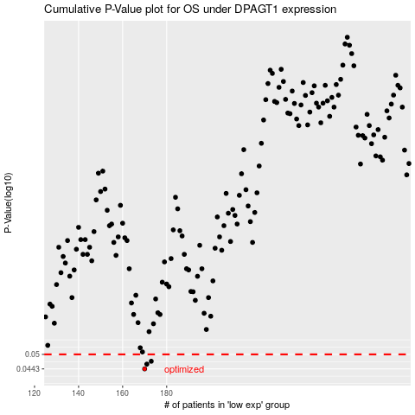

 |  |  |  |  |  | cases_OS | p_OS | rank | exp
 |  |  |  |  |  | 170 | 0.0443 | 280 | -0.32427845388
 |  |  |  |  |  | 171 | 0.0461 | 221 | -0.31549372941
 |  |  |  |  |  | 173 | 0.0472 | 285 | -0.31038027487
 |  |  |  |  |  |  | cases_RFS | p_RFS | rank | exp
 |  |  |  |  |  |  | 169 | 0.0443 | 100 | -0.32472791141
 |  |  |  |  |  |  | 170 | 0.0461 | 280 | -0.32427845388
 |  |  |  |  |  |  | 172 | 0.0472 | 45 | -0.31498476426

