DPCD _multivariate
Reported by Tex Li-Hsing Chi. tex@gate.sinica.edu.tw 2019-08-20

Table 2. The clinicopathological features of HNSCC cohort and DPCD expression. (Chi square test)
Cutoff at -0.297 (50.0%)
 |  | DPCD expression |  | DPCD expression |  | (Optimised)
 | Features | Low | (%) | High | (%) | Case no | P-value | Remark | Matthews
Gender | Female | 147 | 35.4 | 159 | 38.3 | 415 | 0.2523 | 0 | 0
2 | Male | 60 | 14.5 | 49 | 11.8
Age at diagnosis | <=65y | 136 | 32.8 | 138 | 33.3 | 415 | 0.9719 | 0 | 0
4 | >65y | 71 | 17.1 | 70 | 16.9
Clinical T Status | T1+T2 | 77 | 18.6 | 72 | 17.3 | 415 | 0.6556 | 0 | 0
6 | T3+T4 | 130 | 31.3 | 136 | 32.8
Clinical N Status | N0 | 115 | 27.7 | 101 | 24.3 | 415 | 0.184 | 1 | 0
8 | N1-3 | 92 | 22.2 | 107 | 25.8
Clinical M Status | M0 | 207 | 49.9 | 205 | 49.4 | 415 | 0.2482 | 0 | 0
10 | M1 | 0 | 0 | 3 | 0.7
Clinical Stage | Stage I+II | 57 | 13.7 | 45 | 10.8 | 415 | 0.1998 | 0 | 0
12 | Stage III+IV | 150 | 36.1 | 163 | 39.3
Surgical Margin status | Negative | 168 | 40.5 | 150 | 36.1 | 415 | 0.0366 | 1 | 0
14 | Positive | 39 | 9.4 | 58 | 14
Tobacco Exposure | Low | 84 | 20.2 | 77 | 18.6 | 415 | 0.4816 | 0 | 0
16 | High | 123 | 29.6 | 131 | 31.6

Table 3. Univariate/Multivariate Cox's proportional hazards regression analyses on OS time of DPCD gene expression in HNSCC

 |  | Univariate |  |  |  | Multivariate
 | Features | HR | CI95%(L) | CI95%(H) | P-value | HR | CI95%(L) | CI95%(H) | P-value
1 | Female | 1 |  |  |  | 1
Gender | Male | 1.157 | 0.843 | 1.587 | 0.367 | 1.214 | 0.869 | 1.696 | 0.256
11 | <=65y | 1 |  |  |  | 1
Age at diagnosis | >65y | 1.329 | 0.99 | 1.784 | 0.058 | 1.392 | 1.023 | 1.894 | 0.035
12 | T1+T2 | 1 |  |  |  | 1
Clinical T Status | T3+T4 | 1.409 | 1.028 | 1.931 | 0.033 | 2.171 | 1.148 | 4.104 | 0.017
13 | N0 | 1 |  |  |  | 1
Clinical N Status | N1-3 | 1.185 | 0.89 | 1.577 | 0.246 | 1.244 | 0.872 | 1.776 | 0.228
14 | M0 | 1 |  |  |  | 1
Clinical M Status | M1 | 4.097 | 1.009 | 16.644 | 0.049 | 10.276 | 2.229 | 47.382 | 0.003
15 | Stage I+II | 1 |  |  |  | 1
Clinical Stage | Stage III+IV | 1.245 | 0.882 | 1.759 | 0.213 | 0.52 | 0.242 | 1.118 | 0.094
16 | Negative | 1 |  |  |  | 1
Surgical Margin status | Positive | 1.591 | 1.155 | 2.191 | 0.004 | 1.695 | 1.226 | 2.343 | 0.001
17 | Low | 1 |  |  |  | 1
Tobacco Exposure | High | 1.364 | 1.008 | 1.844 | 0.044 | 1.471 | 1.066 | 2.03 | 0.019
18 | Low | 1 |  |  |  | 1
RNAseq(z-score) | High | 0.886 | 0.665 | 1.181 | 0.409 | 0.822 | 0.614 | 1.099 | 0.186

Table 4. Univariate/Multivariate Cox's proportional hazards regression analyses on RFS time of DPCD gene expression in HNSCC

 |  | Univariate |  |  |  | Multivariate
 | Features | HR | CI95%(L) | CI95%(H) | P-value | HR | CI95%(L) | CI95%(H) | P-value
1 | Female | 1 |  |  |  | 1
Gender | Male | 1.157 | 0.843 | 1.587 | 0.367 | 1.214 | 0.869 | 1.696 | 0.256
11 | <=65y | 1 |  |  |  | 1
Age at diagnosis | >65y | 1.329 | 0.99 | 1.784 | 0.058 | 1.392 | 1.023 | 1.894 | 0.035
12 | T1+T2 | 1 |  |  |  | 1
Clinical T Status | T3+T4 | 1.409 | 1.028 | 1.931 | 0.033 | 2.171 | 1.148 | 4.104 | 0.017
13 | N0 | 1 |  |  |  | 1
Clinical N Status | N1-3 | 1.185 | 0.89 | 1.577 | 0.246 | 1.244 | 0.872 | 1.776 | 0.228
14 | M0 | 1 |  |  |  | 1
Clinical M Status | M1 | 4.097 | 1.009 | 16.644 | 0.049 | 10.276 | 2.229 | 47.382 | 0.003
15 | Stage I+II | 1 |  |  |  | 1
Clinical Stage | Stage III+IV | 1.245 | 0.882 | 1.759 | 0.213 | 0.52 | 0.242 | 1.118 | 0.094
16 | Negative | 1 |  |  |  | 1
Surgical Margin status | Positive | 1.591 | 1.155 | 2.191 | 0.004 | 1.695 | 1.226 | 2.343 | 0.001
17 | Low | 1 |  |  |  | 1
Tobacco Exposure | High | 1.364 | 1.008 | 1.844 | 0.044 | 1.471 | 1.066 | 2.03 | 0.019
18 | Low | 1 |  |  |  | 1
RNAseq(z-score) | High | 0.886 | 0.665 | 1.181 | 0.409 | 0.822 | 0.614 | 1.099 | 0.186

Kaplan-Meier survival estimate: Cutoff at -0.297 (50.0%)



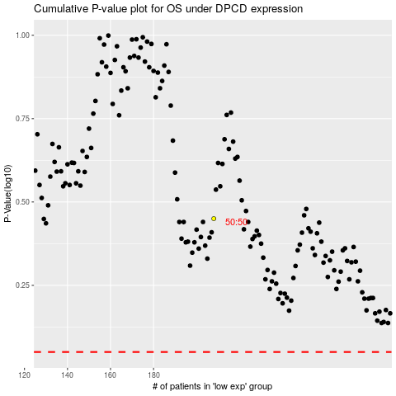

 |  |  |  |  |  | cases_OS | p_OS | rank | exp
 |  |  |  |  |  |  | cases_RFS | p_RFS | rank | exp

