DPF1 _multivariate
Reported by Tex Li-Hsing Chi. tex@gate.sinica.edu.tw 2019-08-20

Table 2. The clinicopathological features of HNSCC cohort and DPF1 expression. (Chi square test)
Cutoff at -0.171 (50.0%)
 |  | DPF1 expression |  | DPF1 expression |  | (Optimised)
 | Features | Low | (%) | High | (%) | Case no | P-value | Remark | Matthews
Gender | Female | 144 | 34.7 | 162 | 39 | 415 | 0.0697 | 0 | 0
2 | Male | 63 | 15.2 | 46 | 11.1
Age at diagnosis | <=65y | 135 | 32.5 | 139 | 33.5 | 415 | 0.8084 | 0 | 0
4 | >65y | 72 | 17.3 | 69 | 16.6
Clinical T Status | T1+T2 | 85 | 20.5 | 64 | 15.4 | 415 | 0.0372 | 1 | 0
6 | T3+T4 | 122 | 29.4 | 144 | 34.7
Clinical N Status | N0 | 104 | 25.1 | 112 | 27 | 415 | 0.5243 | 0 | 0
8 | N1-3 | 103 | 24.8 | 96 | 23.1
Clinical M Status | M0 | 205 | 49.4 | 207 | 49.9 | 415 | 0.6232 | 0 | 0
10 | M1 | 2 | 0.5 | 1 | 0.2
Clinical Stage | Stage I+II | 56 | 13.5 | 46 | 11.1 | 415 | 0.2918 | 0 | 0
12 | Stage III+IV | 151 | 36.4 | 162 | 39
Surgical Margin status | Negative | 153 | 36.9 | 165 | 39.8 | 415 | 0.2036 | 0 | 0
14 | Positive | 54 | 13 | 43 | 10.4
Tobacco Exposure | Low | 103 | 24.8 | 58 | 14 | 415 | 0 | 1 | 0
16 | High | 104 | 25.1 | 150 | 36.1

Table 3. Univariate/Multivariate Cox's proportional hazards regression analyses on OS time of DPF1 gene expression in HNSCC

 |  | Univariate |  |  |  | Multivariate
 | Features | HR | CI95%(L) | CI95%(H) | P-value | HR | CI95%(L) | CI95%(H) | P-value
1 | Female | 1 |  |  |  | 1
Gender | Male | 1.157 | 0.843 | 1.587 | 0.367 | 1.203 | 0.861 | 1.682 | 0.279
11 | <=65y | 1 |  |  |  | 1
Age at diagnosis | >65y | 1.329 | 0.99 | 1.784 | 0.058 | 1.391 | 1.023 | 1.891 | 0.035
12 | T1+T2 | 1 |  |  |  | 1
Clinical T Status | T3+T4 | 1.409 | 1.028 | 1.931 | 0.033 | 2.195 | 1.159 | 4.159 | 0.016
13 | N0 | 1 |  |  |  | 1
Clinical N Status | N1-3 | 1.185 | 0.89 | 1.577 | 0.246 | 1.243 | 0.87 | 1.776 | 0.231
14 | M0 | 1 |  |  |  | 1
Clinical M Status | M1 | 4.097 | 1.009 | 16.644 | 0.049 | 9.39 | 2.048 | 43.051 | 0.004
15 | Stage I+II | 1 |  |  |  | 1
Clinical Stage | Stage III+IV | 1.245 | 0.882 | 1.759 | 0.213 | 0.505 | 0.235 | 1.085 | 0.08
16 | Negative | 1 |  |  |  | 1
Surgical Margin status | Positive | 1.591 | 1.155 | 2.191 | 0.004 | 1.672 | 1.21 | 2.311 | 0.002
17 | Low | 1 |  |  |  | 1
Tobacco Exposure | High | 1.364 | 1.008 | 1.844 | 0.044 | 1.444 | 1.036 | 2.014 | 0.03
18 | Low | 1 |  |  |  | 1
RNAseq(z-score) | High | 1.119 | 0.84 | 1.491 | 0.442 | 1.02 | 0.753 | 1.382 | 0.896

Table 4. Univariate/Multivariate Cox's proportional hazards regression analyses on RFS time of DPF1 gene expression in HNSCC

 |  | Univariate |  |  |  | Multivariate
 | Features | HR | CI95%(L) | CI95%(H) | P-value | HR | CI95%(L) | CI95%(H) | P-value
1 | Female | 1 |  |  |  | 1
Gender | Male | 1.157 | 0.843 | 1.587 | 0.367 | 1.203 | 0.861 | 1.682 | 0.279
11 | <=65y | 1 |  |  |  | 1
Age at diagnosis | >65y | 1.329 | 0.99 | 1.784 | 0.058 | 1.391 | 1.023 | 1.891 | 0.035
12 | T1+T2 | 1 |  |  |  | 1
Clinical T Status | T3+T4 | 1.409 | 1.028 | 1.931 | 0.033 | 2.195 | 1.159 | 4.159 | 0.016
13 | N0 | 1 |  |  |  | 1
Clinical N Status | N1-3 | 1.185 | 0.89 | 1.577 | 0.246 | 1.243 | 0.87 | 1.776 | 0.231
14 | M0 | 1 |  |  |  | 1
Clinical M Status | M1 | 4.097 | 1.009 | 16.644 | 0.049 | 9.39 | 2.048 | 43.051 | 0.004
15 | Stage I+II | 1 |  |  |  | 1
Clinical Stage | Stage III+IV | 1.245 | 0.882 | 1.759 | 0.213 | 0.505 | 0.235 | 1.085 | 0.08
16 | Negative | 1 |  |  |  | 1
Surgical Margin status | Positive | 1.591 | 1.155 | 2.191 | 0.004 | 1.672 | 1.21 | 2.311 | 0.002
17 | Low | 1 |  |  |  | 1
Tobacco Exposure | High | 1.364 | 1.008 | 1.844 | 0.044 | 1.444 | 1.036 | 2.014 | 0.03
18 | Low | 1 |  |  |  | 1
RNAseq(z-score) | High | 1.119 | 0.84 | 1.491 | 0.442 | 1.02 | 0.753 | 1.382 | 0.896

Kaplan-Meier survival estimate: Cutoff at -0.171 (50.0%)



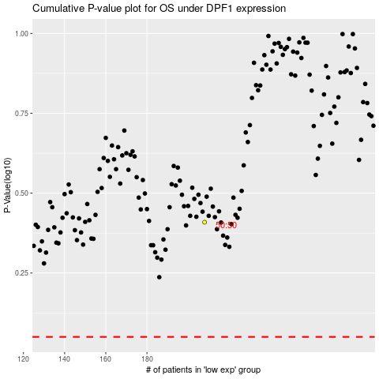

 |  |  |  |  |  | cases_OS | p_OS | rank | exp
 |  |  |  |  |  |  | cases_RFS | p_RFS | rank | exp

