DPF3 _multivariate
Reported by Tex Li-Hsing Chi. tex@gate.sinica.edu.tw 2019-08-20

Table 2. The clinicopathological features of HNSCC cohort and DPF3 expression. (Chi square test)
Cutoff at -0.224 (50.0%)
 |  | DPF3 expression |  | DPF3 expression |  | (Optimised)
 | Features | Low | (%) | High | (%) | Case no | P-value | Remark | Matthews
Gender | Female | 165 | 39.8 | 141 | 34 | 415 | 0.0081 | 1 | 0
2 | Male | 42 | 10.1 | 67 | 16.1
Age at diagnosis | <=65y | 148 | 35.7 | 126 | 30.4 | 415 | 0.0248 | 1 | 0
4 | >65y | 59 | 14.2 | 82 | 19.8
Clinical T Status | T1+T2 | 53 | 12.8 | 96 | 23.1 | 415 | 0 | 1 | 0
6 | T3+T4 | 154 | 37.1 | 112 | 27
Clinical N Status | N0 | 102 | 24.6 | 114 | 27.5 | 415 | 0.3031 | 0 | 0
8 | N1-3 | 105 | 25.3 | 94 | 22.7
Clinical M Status | M0 | 204 | 49.2 | 208 | 50.1 | 415 | 0.1232 | 0 | 0
10 | M1 | 3 | 0.7 | 0 | 0
Clinical Stage | Stage I+II | 33 | 8 | 69 | 16.6 | 415 | 1e-04 | 1 | 0
12 | Stage III+IV | 174 | 41.9 | 139 | 33.5
Surgical Margin status | Negative | 160 | 38.6 | 158 | 38.1 | 415 | 0.8167 | 0 | 0
14 | Positive | 47 | 11.3 | 50 | 12
Tobacco Exposure | Low | 62 | 14.9 | 99 | 23.9 | 415 | 3e-04 | 1 | 0
16 | High | 145 | 34.9 | 109 | 26.3

Table 3. Univariate/Multivariate Cox's proportional hazards regression analyses on OS time of DPF3 gene expression in HNSCC

 |  | Univariate |  |  |  | Multivariate
 | Features | HR | CI95%(L) | CI95%(H) | P-value | HR | CI95%(L) | CI95%(H) | P-value
1 | Female | 1 |  |  |  | 1
Gender | Male | 1.157 | 0.843 | 1.587 | 0.367 | 1.179 | 0.842 | 1.649 | 0.338
11 | <=65y | 1 |  |  |  | 1
Age at diagnosis | >65y | 1.329 | 0.99 | 1.784 | 0.058 | 1.375 | 1.011 | 1.871 | 0.042
12 | T1+T2 | 1 |  |  |  | 1
Clinical T Status | T3+T4 | 1.409 | 1.028 | 1.931 | 0.033 | 2.251 | 1.189 | 4.263 | 0.013
13 | N0 | 1 |  |  |  | 1
Clinical N Status | N1-3 | 1.185 | 0.89 | 1.577 | 0.246 | 1.237 | 0.867 | 1.765 | 0.241
14 | M0 | 1 |  |  |  | 1
Clinical M Status | M1 | 4.097 | 1.009 | 16.644 | 0.049 | 10.272 | 2.221 | 47.515 | 0.003
15 | Stage I+II | 1 |  |  |  | 1
Clinical Stage | Stage III+IV | 1.245 | 0.882 | 1.759 | 0.213 | 0.519 | 0.241 | 1.115 | 0.093
16 | Negative | 1 |  |  |  | 1
Surgical Margin status | Positive | 1.591 | 1.155 | 2.191 | 0.004 | 1.669 | 1.208 | 2.306 | 0.002
17 | Low | 1 |  |  |  | 1
Tobacco Exposure | High | 1.364 | 1.008 | 1.844 | 0.044 | 1.465 | 1.064 | 2.018 | 0.019
18 | Low | 1 |  |  |  | 1
RNAseq(z-score) | High | 1.098 | 0.824 | 1.464 | 0.523 | 1.181 | 0.872 | 1.6 | 0.281

Table 4. Univariate/Multivariate Cox's proportional hazards regression analyses on RFS time of DPF3 gene expression in HNSCC

 |  | Univariate |  |  |  | Multivariate
 | Features | HR | CI95%(L) | CI95%(H) | P-value | HR | CI95%(L) | CI95%(H) | P-value
1 | Female | 1 |  |  |  | 1
Gender | Male | 1.157 | 0.843 | 1.587 | 0.367 | 1.179 | 0.842 | 1.649 | 0.338
11 | <=65y | 1 |  |  |  | 1
Age at diagnosis | >65y | 1.329 | 0.99 | 1.784 | 0.058 | 1.375 | 1.011 | 1.871 | 0.042
12 | T1+T2 | 1 |  |  |  | 1
Clinical T Status | T3+T4 | 1.409 | 1.028 | 1.931 | 0.033 | 2.251 | 1.189 | 4.263 | 0.013
13 | N0 | 1 |  |  |  | 1
Clinical N Status | N1-3 | 1.185 | 0.89 | 1.577 | 0.246 | 1.237 | 0.867 | 1.765 | 0.241
14 | M0 | 1 |  |  |  | 1
Clinical M Status | M1 | 4.097 | 1.009 | 16.644 | 0.049 | 10.272 | 2.221 | 47.515 | 0.003
15 | Stage I+II | 1 |  |  |  | 1
Clinical Stage | Stage III+IV | 1.245 | 0.882 | 1.759 | 0.213 | 0.519 | 0.241 | 1.115 | 0.093
16 | Negative | 1 |  |  |  | 1
Surgical Margin status | Positive | 1.591 | 1.155 | 2.191 | 0.004 | 1.669 | 1.208 | 2.306 | 0.002
17 | Low | 1 |  |  |  | 1
Tobacco Exposure | High | 1.364 | 1.008 | 1.844 | 0.044 | 1.465 | 1.064 | 2.018 | 0.019
18 | Low | 1 |  |  |  | 1
RNAseq(z-score) | High | 1.098 | 0.824 | 1.464 | 0.523 | 1.181 | 0.872 | 1.6 | 0.281

Kaplan-Meier survival estimate: Cutoff at -0.224 (50.0%)



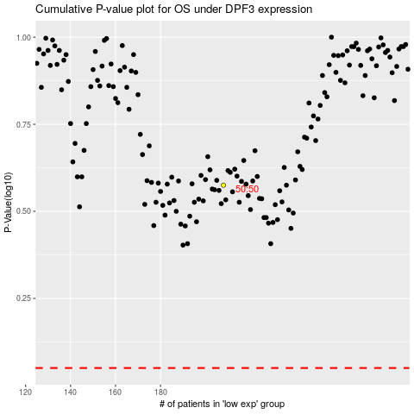

 |  |  |  |  |  | cases_OS | p_OS | rank | exp
 |  |  |  |  |  |  | cases_RFS | p_RFS | rank | exp

