DPH1 _multivariate
Reported by Tex Li-Hsing Chi. tex@gate.sinica.edu.tw 2019-08-20

Table 2. The clinicopathological features of HNSCC cohort and DPH1 expression. (Chi square test)
Cutoff at 0.056 (57.0%)
 |  | DPH1 expression |  | DPH1 expression |  | (Optimised)
 | Features | Low | (%) | High | (%) | Case no | P-value | Remark | Matthews
Gender | Female | 164 | 39.5 | 142 | 34.2 | 415 | 0.0209 | 1 | 0
2 | Male | 73 | 17.6 | 36 | 8.7
Age at diagnosis | <=65y | 150 | 36.1 | 124 | 29.9 | 415 | 0.2107 | 0 | 0
4 | >65y | 87 | 21 | 54 | 13
Clinical T Status | T1+T2 | 87 | 21 | 62 | 14.9 | 415 | 0.7709 | 0 | 0
6 | T3+T4 | 150 | 36.1 | 116 | 28
Clinical N Status | N0 | 119 | 28.7 | 97 | 23.4 | 415 | 0.4442 | 0 | 0
8 | N1-3 | 118 | 28.4 | 81 | 19.5
Clinical M Status | M0 | 235 | 56.6 | 177 | 42.7 | 415 | 1 | 0 | 0
10 | M1 | 2 | 0.5 | 1 | 0.2
Clinical Stage | Stage I+II | 60 | 14.5 | 42 | 10.1 | 415 | 0.7735 | 0 | 0
12 | Stage III+IV | 177 | 42.7 | 136 | 32.8
Surgical Margin status | Negative | 176 | 42.4 | 142 | 34.2 | 415 | 0.1993 | 0 | 0
14 | Positive | 61 | 14.7 | 36 | 8.7
Tobacco Exposure | Low | 99 | 23.9 | 62 | 14.9 | 415 | 0.1558 | 0 | 0
16 | High | 138 | 33.3 | 116 | 28

Table 3. Univariate/Multivariate Cox's proportional hazards regression analyses on OS time of DPH1 gene expression in HNSCC

 |  | Univariate |  |  |  | Multivariate
 | Features | HR | CI95%(L) | CI95%(H) | P-value | HR | CI95%(L) | CI95%(H) | P-value
1 | Female | 1 |  |  |  | 1
Gender | Male | 1.157 | 0.843 | 1.587 | 0.367 | 1.183 | 0.847 | 1.652 | 0.325
11 | <=65y | 1 |  |  |  | 1
Age at diagnosis | >65y | 1.329 | 0.99 | 1.784 | 0.058 | 1.359 | 0.999 | 1.85 | 0.051
12 | T1+T2 | 1 |  |  |  | 1
Clinical T Status | T3+T4 | 1.409 | 1.028 | 1.931 | 0.033 | 2.241 | 1.185 | 4.238 | 0.013
13 | N0 | 1 |  |  |  | 1
Clinical N Status | N1-3 | 1.185 | 0.89 | 1.577 | 0.246 | 1.227 | 0.86 | 1.751 | 0.259
14 | M0 | 1 |  |  |  | 1
Clinical M Status | M1 | 4.097 | 1.009 | 16.644 | 0.049 | 8.987 | 1.957 | 41.273 | 0.005
15 | Stage I+II | 1 |  |  |  | 1
Clinical Stage | Stage III+IV | 1.245 | 0.882 | 1.759 | 0.213 | 0.5 | 0.233 | 1.073 | 0.075
16 | Negative | 1 |  |  |  | 1
Surgical Margin status | Positive | 1.591 | 1.155 | 2.191 | 0.004 | 1.64 | 1.185 | 2.268 | 0.003
17 | Low | 1 |  |  |  | 1
Tobacco Exposure | High | 1.364 | 1.008 | 1.844 | 0.044 | 1.477 | 1.07 | 2.038 | 0.018
18 | Low | 1 |  |  |  | 1
RNAseq(z-score) | High | 0.745 | 0.556 | 1 | 0.05 | 0.771 | 0.572 | 1.04 | 0.089

Table 4. Univariate/Multivariate Cox's proportional hazards regression analyses on RFS time of DPH1 gene expression in HNSCC

 |  | Univariate |  |  |  | Multivariate
 | Features | HR | CI95%(L) | CI95%(H) | P-value | HR | CI95%(L) | CI95%(H) | P-value
1 | Female | 1 |  |  |  | 1
Gender | Male | 1.157 | 0.843 | 1.587 | 0.367 | 1.183 | 0.847 | 1.652 | 0.325
11 | <=65y | 1 |  |  |  | 1
Age at diagnosis | >65y | 1.329 | 0.99 | 1.784 | 0.058 | 1.359 | 0.999 | 1.85 | 0.051
12 | T1+T2 | 1 |  |  |  | 1
Clinical T Status | T3+T4 | 1.409 | 1.028 | 1.931 | 0.033 | 2.241 | 1.185 | 4.238 | 0.013
13 | N0 | 1 |  |  |  | 1
Clinical N Status | N1-3 | 1.185 | 0.89 | 1.577 | 0.246 | 1.227 | 0.86 | 1.751 | 0.259
14 | M0 | 1 |  |  |  | 1
Clinical M Status | M1 | 4.097 | 1.009 | 16.644 | 0.049 | 8.987 | 1.957 | 41.273 | 0.005
15 | Stage I+II | 1 |  |  |  | 1
Clinical Stage | Stage III+IV | 1.245 | 0.882 | 1.759 | 0.213 | 0.5 | 0.233 | 1.073 | 0.075
16 | Negative | 1 |  |  |  | 1
Surgical Margin status | Positive | 1.591 | 1.155 | 2.191 | 0.004 | 1.64 | 1.185 | 2.268 | 0.003
17 | Low | 1 |  |  |  | 1
Tobacco Exposure | High | 1.364 | 1.008 | 1.844 | 0.044 | 1.477 | 1.07 | 2.038 | 0.018
18 | Low | 1 |  |  |  | 1
RNAseq(z-score) | High | 0.745 | 0.556 | 1 | 0.05 | 0.771 | 0.572 | 1.04 | 0.089

Kaplan-Meier survival estimate: Cutoff at 0.056 (57.0%)



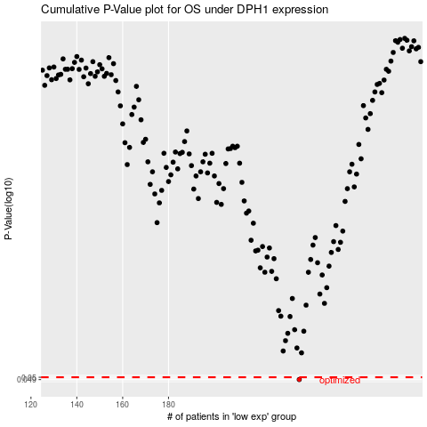

 |  |  |  |  |  | cases_OS | p_OS | rank | exp
 |  |  |  |  |  | 237 | 0.049 | 109 | 0.055744332984
 |  |  |  |  |  |  | cases_RFS | p_RFS | rank | exp
 |  |  |  |  |  |  | 236 | 0.049 | 68 | 0.049320418755

