DPH3 _multivariate
Reported by Tex Li-Hsing Chi. tex@gate.sinica.edu.tw 2019-08-20

Table 2. The clinicopathological features of HNSCC cohort and DPH3 expression. (Chi square test)
Cutoff at -0.232 (49.8%)
 |  | DPH3 expression |  | DPH3 expression |  | (Optimised)
 | Features | Low | (%) | High | (%) | Case no | P-value | Remark | Matthews
Gender | Female | 161 | 38.8 | 145 | 34.9 | 415 | 0.0792 | 0 | 0
2 | Male | 46 | 11.1 | 63 | 15.2
Age at diagnosis | <=65y | 133 | 32 | 141 | 34 | 415 | 0.5111 | 0 | 0
4 | >65y | 74 | 17.8 | 67 | 16.1
Clinical T Status | T1+T2 | 58 | 14 | 91 | 21.9 | 415 | 0.0012 | 1 | 0
6 | T3+T4 | 149 | 35.9 | 117 | 28.2
Clinical N Status | N0 | 115 | 27.7 | 101 | 24.3 | 415 | 0.184 | 1 | 0
8 | N1-3 | 92 | 22.2 | 107 | 25.8
Clinical M Status | M0 | 205 | 49.4 | 207 | 49.9 | 415 | 0.6232 | 0 | 0
10 | M1 | 2 | 0.5 | 1 | 0.2
Clinical Stage | Stage I+II | 42 | 10.1 | 60 | 14.5 | 415 | 0.0561 | 0 | 0
12 | Stage III+IV | 165 | 39.8 | 148 | 35.7
Surgical Margin status | Negative | 164 | 39.5 | 154 | 37.1 | 415 | 0.2462 | 0 | 0
14 | Positive | 43 | 10.4 | 54 | 13
Tobacco Exposure | Low | 60 | 14.5 | 101 | 24.3 | 415 | 1e-04 | 1 | 0
16 | High | 147 | 35.4 | 107 | 25.8

Table 3. Univariate/Multivariate Cox's proportional hazards regression analyses on OS time of DPH3 gene expression in HNSCC

 |  | Univariate |  |  |  | Multivariate
 | Features | HR | CI95%(L) | CI95%(H) | P-value | HR | CI95%(L) | CI95%(H) | P-value
1 | Female | 1 |  |  |  | 1
Gender | Male | 1.157 | 0.843 | 1.587 | 0.367 | 1.186 | 0.844 | 1.666 | 0.325
11 | <=65y | 1 |  |  |  | 1
Age at diagnosis | >65y | 1.329 | 0.99 | 1.784 | 0.058 | 1.397 | 1.027 | 1.9 | 0.033
12 | T1+T2 | 1 |  |  |  | 1
Clinical T Status | T3+T4 | 1.409 | 1.028 | 1.931 | 0.033 | 2.231 | 1.177 | 4.23 | 0.014
13 | N0 | 1 |  |  |  | 1
Clinical N Status | N1-3 | 1.185 | 0.89 | 1.577 | 0.246 | 1.231 | 0.861 | 1.759 | 0.255
14 | M0 | 1 |  |  |  | 1
Clinical M Status | M1 | 4.097 | 1.009 | 16.644 | 0.049 | 9.575 | 2.085 | 43.979 | 0.004
15 | Stage I+II | 1 |  |  |  | 1
Clinical Stage | Stage III+IV | 1.245 | 0.882 | 1.759 | 0.213 | 0.507 | 0.236 | 1.087 | 0.081
16 | Negative | 1 |  |  |  | 1
Surgical Margin status | Positive | 1.591 | 1.155 | 2.191 | 0.004 | 1.672 | 1.21 | 2.31 | 0.002
17 | Low | 1 |  |  |  | 1
Tobacco Exposure | High | 1.364 | 1.008 | 1.844 | 0.044 | 1.47 | 1.062 | 2.033 | 0.02
18 | Low | 1 |  |  |  | 1
RNAseq(z-score) | High | 0.962 | 0.723 | 1.282 | 0.793 | 1.071 | 0.788 | 1.454 | 0.662

Table 4. Univariate/Multivariate Cox's proportional hazards regression analyses on RFS time of DPH3 gene expression in HNSCC

 |  | Univariate |  |  |  | Multivariate
 | Features | HR | CI95%(L) | CI95%(H) | P-value | HR | CI95%(L) | CI95%(H) | P-value
1 | Female | 1 |  |  |  | 1
Gender | Male | 1.157 | 0.843 | 1.587 | 0.367 | 1.186 | 0.844 | 1.666 | 0.325
11 | <=65y | 1 |  |  |  | 1
Age at diagnosis | >65y | 1.329 | 0.99 | 1.784 | 0.058 | 1.397 | 1.027 | 1.9 | 0.033
12 | T1+T2 | 1 |  |  |  | 1
Clinical T Status | T3+T4 | 1.409 | 1.028 | 1.931 | 0.033 | 2.231 | 1.177 | 4.23 | 0.014
13 | N0 | 1 |  |  |  | 1
Clinical N Status | N1-3 | 1.185 | 0.89 | 1.577 | 0.246 | 1.231 | 0.861 | 1.759 | 0.255
14 | M0 | 1 |  |  |  | 1
Clinical M Status | M1 | 4.097 | 1.009 | 16.644 | 0.049 | 9.575 | 2.085 | 43.979 | 0.004
15 | Stage I+II | 1 |  |  |  | 1
Clinical Stage | Stage III+IV | 1.245 | 0.882 | 1.759 | 0.213 | 0.507 | 0.236 | 1.087 | 0.081
16 | Negative | 1 |  |  |  | 1
Surgical Margin status | Positive | 1.591 | 1.155 | 2.191 | 0.004 | 1.672 | 1.21 | 2.31 | 0.002
17 | Low | 1 |  |  |  | 1
Tobacco Exposure | High | 1.364 | 1.008 | 1.844 | 0.044 | 1.47 | 1.062 | 2.033 | 0.02
18 | Low | 1 |  |  |  | 1
RNAseq(z-score) | High | 0.962 | 0.723 | 1.282 | 0.793 | 1.071 | 0.788 | 1.454 | 0.662

Kaplan-Meier survival estimate: Cutoff at -0.232 (49.8%)



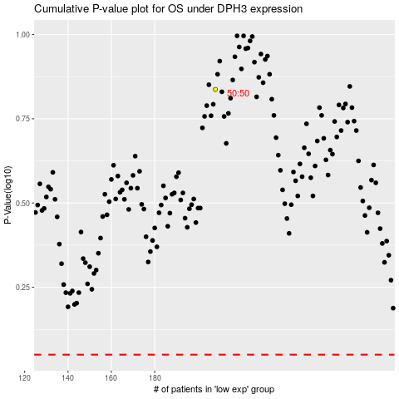

 |  |  |  |  |  | cases_OS | p_OS | rank | exp
 |  |  |  |  |  |  | cases_RFS | p_RFS | rank | exp

